PHF10 _multivariate
Reported by Tex Li-Hsing Chi. tex@gate.sinica.edu.tw 2019-08-17

Table 2. The clinicopathological features of HNSCC cohort and PHF10 expression. (Chi square test)
Cutoff at -0.097 (60.6%)
 |  | PHF10 expression |  | PHF10 expression |  | (Optimised)
 | Features | Low | (%) | High | (%) | Case no | P-value | Remark | Matthews
Gender | Female | 180 | 43.4 | 126 | 30.4 | 415 | 0.225 | 0 | 0
2 | Male | 72 | 17.3 | 37 | 8.9
Age at diagnosis | <=65y | 167 | 40.2 | 107 | 25.8 | 415 | 0.9798 | 0 | 0
4 | >65y | 85 | 20.5 | 56 | 13.5
Clinical T Status | T1+T2 | 87 | 21 | 62 | 14.9 | 415 | 0.5328 | 0 | 0
6 | T3+T4 | 165 | 39.8 | 101 | 24.3
Clinical N Status | N0 | 135 | 32.5 | 81 | 19.5 | 415 | 0.5018 | 0 | 0
8 | N1-3 | 117 | 28.2 | 82 | 19.8
Clinical M Status | M0 | 250 | 60.2 | 162 | 39 | 415 | 1 | 0 | 0
10 | M1 | 2 | 0.5 | 1 | 0.2
Clinical Stage | Stage I+II | 65 | 15.7 | 37 | 8.9 | 415 | 0.5497 | 0 | 0
12 | Stage III+IV | 187 | 45.1 | 126 | 30.4
Surgical Margin status | Negative | 193 | 46.5 | 125 | 30.1 | 415 | 1 | 0 | 0
14 | Positive | 59 | 14.2 | 38 | 9.2
Tobacco Exposure | Low | 105 | 25.3 | 56 | 13.5 | 415 | 0.1493 | 0 | 0
16 | High | 147 | 35.4 | 107 | 25.8

Table 3. Univariate/Multivariate Cox's proportional hazards regression analyses on OS time of PHF10 gene expression in HNSCC

 |  | Univariate |  |  |  | Multivariate
 | Features | HR | CI95%(L) | CI95%(H) | P-value | HR | CI95%(L) | CI95%(H) | P-value
1 | Female | 1 |  |  |  | 1
Gender | Male | 1.157 | 0.843 | 1.587 | 0.367 | 1.157 | 0.826 | 1.621 | 0.396
11 | <=65y | 1 |  |  |  | 1
Age at diagnosis | >65y | 1.329 | 0.99 | 1.784 | 0.058 | 1.427 | 1.049 | 1.941 | 0.023
12 | T1+T2 | 1 |  |  |  | 1
Clinical T Status | T3+T4 | 1.409 | 1.028 | 1.931 | 0.033 | 2.085 | 1.101 | 3.948 | 0.024
13 | N0 | 1 |  |  |  | 1
Clinical N Status | N1-3 | 1.185 | 0.89 | 1.577 | 0.246 | 1.275 | 0.893 | 1.819 | 0.181
14 | M0 | 1 |  |  |  | 1
Clinical M Status | M1 | 4.097 | 1.009 | 16.644 | 0.049 | 8.685 | 1.893 | 39.845 | 0.005
15 | Stage I+II | 1 |  |  |  | 1
Clinical Stage | Stage III+IV | 1.245 | 0.882 | 1.759 | 0.213 | 0.541 | 0.252 | 1.165 | 0.116
16 | Negative | 1 |  |  |  | 1
Surgical Margin status | Positive | 1.591 | 1.155 | 2.191 | 0.004 | 1.658 | 1.201 | 2.289 | 0.002
17 | Low | 1 |  |  |  | 1
Tobacco Exposure | High | 1.364 | 1.008 | 1.844 | 0.044 | 1.479 | 1.071 | 2.042 | 0.017
18 | Low | 1 |  |  |  | 1
RNAseq(z-score) | High | 0.721 | 0.532 | 0.977 | 0.035 | 0.709 | 0.521 | 0.966 | 0.029

Table 4. Univariate/Multivariate Cox's proportional hazards regression analyses on RFS time of PHF10 gene expression in HNSCC

 |  | Univariate |  |  |  | Multivariate
 | Features | HR | CI95%(L) | CI95%(H) | P-value | HR | CI95%(L) | CI95%(H) | P-value
1 | Female | 1 |  |  |  | 1
Gender | Male | 1.157 | 0.843 | 1.587 | 0.367 | 1.157 | 0.826 | 1.621 | 0.396
11 | <=65y | 1 |  |  |  | 1
Age at diagnosis | >65y | 1.329 | 0.99 | 1.784 | 0.058 | 1.427 | 1.049 | 1.941 | 0.023
12 | T1+T2 | 1 |  |  |  | 1
Clinical T Status | T3+T4 | 1.409 | 1.028 | 1.931 | 0.033 | 2.085 | 1.101 | 3.948 | 0.024
13 | N0 | 1 |  |  |  | 1
Clinical N Status | N1-3 | 1.185 | 0.89 | 1.577 | 0.246 | 1.275 | 0.893 | 1.819 | 0.181
14 | M0 | 1 |  |  |  | 1
Clinical M Status | M1 | 4.097 | 1.009 | 16.644 | 0.049 | 8.685 | 1.893 | 39.845 | 0.005
15 | Stage I+II | 1 |  |  |  | 1
Clinical Stage | Stage III+IV | 1.245 | 0.882 | 1.759 | 0.213 | 0.541 | 0.252 | 1.165 | 0.116
16 | Negative | 1 |  |  |  | 1
Surgical Margin status | Positive | 1.591 | 1.155 | 2.191 | 0.004 | 1.658 | 1.201 | 2.289 | 0.002
17 | Low | 1 |  |  |  | 1
Tobacco Exposure | High | 1.364 | 1.008 | 1.844 | 0.044 | 1.479 | 1.071 | 2.042 | 0.017
18 | Low | 1 |  |  |  | 1
RNAseq(z-score) | High | 0.721 | 0.532 | 0.977 | 0.035 | 0.709 | 0.521 | 0.966 | 0.029

Kaplan-Meier survival estimate: Cutoff at -0.097 (60.6%)



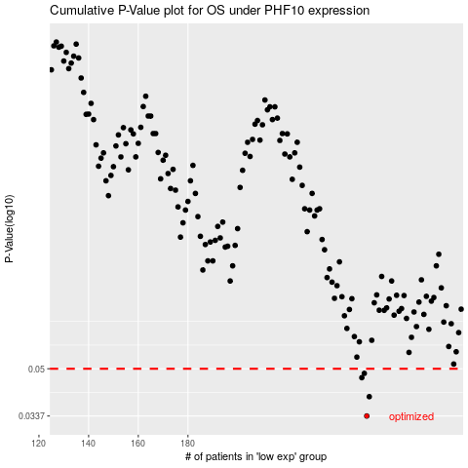

 |  |  |  |  |  | cases_OS | p_OS | rank | exp
 |  |  |  |  |  | 252 | 0.0337 | 39 | -0.096881117858
 |  |  |  |  |  | 253 | 0.0396 | 205 | -0.089779459296
 |  |  |  |  |  | 250 | 0.0464 | 145 | -0.11870287143
 |  |  |  |  |  | 251 | 0.0481 | 281 | -0.10258409488
 |  |  |  |  |  |  | cases_RFS | p_RFS | rank | exp
 |  |  |  |  |  |  | 251 | 0.0337 | 281 | -0.10258409488
 |  |  |  |  |  |  | 252 | 0.0396 | 39 | -0.096881117858
 |  |  |  |  |  |  | 249 | 0.0464 | 79 | -0.11927793822
 |  |  |  |  |  |  | 250 | 0.0481 | 145 | -0.11870287143

