PHF11 _multivariate
Reported by Tex Li-Hsing Chi. tex@gate.sinica.edu.tw 2019-08-17

Table 2. The clinicopathological features of HNSCC cohort and PHF11 expression. (Chi square test)
Cutoff at -0.205 (50.0%)
 |  | PHF11 expression |  | PHF11 expression |  | (Optimised)
 | Features | Low | (%) | High | (%) | Case no | P-value | Remark | Matthews
Gender | Female | 166 | 40 | 140 | 33.7 | 415 | 0.0041 | 1 | 0
2 | Male | 41 | 9.9 | 68 | 16.4
Age at diagnosis | <=65y | 151 | 36.4 | 123 | 29.6 | 415 | 0.0041 | 1 | 0
4 | >65y | 56 | 13.5 | 85 | 20.5
Clinical T Status | T1+T2 | 72 | 17.3 | 77 | 18.6 | 415 | 0.7095 | 0 | 0
6 | T3+T4 | 135 | 32.5 | 131 | 31.6
Clinical N Status | N0 | 103 | 24.8 | 113 | 27.2 | 415 | 0.4047 | 0 | 0
8 | N1-3 | 104 | 25.1 | 95 | 22.9
Clinical M Status | M0 | 207 | 49.9 | 205 | 49.4 | 415 | 0.2482 | 0 | 0
10 | M1 | 0 | 0 | 3 | 0.7
Clinical Stage | Stage I+II | 46 | 11.1 | 56 | 13.5 | 415 | 0.3182 | 0 | 0
12 | Stage III+IV | 161 | 38.8 | 152 | 36.6
Surgical Margin status | Negative | 161 | 38.8 | 157 | 37.8 | 415 | 0.6429 | 0 | 0
14 | Positive | 46 | 11.1 | 51 | 12.3
Tobacco Exposure | Low | 65 | 15.7 | 96 | 23.1 | 415 | 0.0025 | 1 | 0
16 | High | 142 | 34.2 | 112 | 27

Table 3. Univariate/Multivariate Cox's proportional hazards regression analyses on OS time of PHF11 gene expression in HNSCC

 |  | Univariate |  |  |  | Multivariate
 | Features | HR | CI95%(L) | CI95%(H) | P-value | HR | CI95%(L) | CI95%(H) | P-value
1 | Female | 1 |  |  |  | 1
Gender | Male | 1.157 | 0.843 | 1.587 | 0.367 | 1.195 | 0.855 | 1.669 | 0.298
11 | <=65y | 1 |  |  |  | 1
Age at diagnosis | >65y | 1.329 | 0.99 | 1.784 | 0.058 | 1.379 | 1.013 | 1.877 | 0.041
12 | T1+T2 | 1 |  |  |  | 1
Clinical T Status | T3+T4 | 1.409 | 1.028 | 1.931 | 0.033 | 2.192 | 1.159 | 4.146 | 0.016
13 | N0 | 1 |  |  |  | 1
Clinical N Status | N1-3 | 1.185 | 0.89 | 1.577 | 0.246 | 1.249 | 0.876 | 1.782 | 0.219
14 | M0 | 1 |  |  |  | 1
Clinical M Status | M1 | 4.097 | 1.009 | 16.644 | 0.049 | 8.823 | 1.904 | 40.881 | 0.005
15 | Stage I+II | 1 |  |  |  | 1
Clinical Stage | Stage III+IV | 1.245 | 0.882 | 1.759 | 0.213 | 0.512 | 0.238 | 1.101 | 0.087
16 | Negative | 1 |  |  |  | 1
Surgical Margin status | Positive | 1.591 | 1.155 | 2.191 | 0.004 | 1.656 | 1.197 | 2.291 | 0.002
17 | Low | 1 |  |  |  | 1
Tobacco Exposure | High | 1.364 | 1.008 | 1.844 | 0.044 | 1.472 | 1.066 | 2.033 | 0.019
18 | Low | 1 |  |  |  | 1
RNAseq(z-score) | High | 1.129 | 0.847 | 1.505 | 0.408 | 1.109 | 0.823 | 1.495 | 0.497

Table 4. Univariate/Multivariate Cox's proportional hazards regression analyses on RFS time of PHF11 gene expression in HNSCC

 |  | Univariate |  |  |  | Multivariate
 | Features | HR | CI95%(L) | CI95%(H) | P-value | HR | CI95%(L) | CI95%(H) | P-value
1 | Female | 1 |  |  |  | 1
Gender | Male | 1.157 | 0.843 | 1.587 | 0.367 | 1.195 | 0.855 | 1.669 | 0.298
11 | <=65y | 1 |  |  |  | 1
Age at diagnosis | >65y | 1.329 | 0.99 | 1.784 | 0.058 | 1.379 | 1.013 | 1.877 | 0.041
12 | T1+T2 | 1 |  |  |  | 1
Clinical T Status | T3+T4 | 1.409 | 1.028 | 1.931 | 0.033 | 2.192 | 1.159 | 4.146 | 0.016
13 | N0 | 1 |  |  |  | 1
Clinical N Status | N1-3 | 1.185 | 0.89 | 1.577 | 0.246 | 1.249 | 0.876 | 1.782 | 0.219
14 | M0 | 1 |  |  |  | 1
Clinical M Status | M1 | 4.097 | 1.009 | 16.644 | 0.049 | 8.823 | 1.904 | 40.881 | 0.005
15 | Stage I+II | 1 |  |  |  | 1
Clinical Stage | Stage III+IV | 1.245 | 0.882 | 1.759 | 0.213 | 0.512 | 0.238 | 1.101 | 0.087
16 | Negative | 1 |  |  |  | 1
Surgical Margin status | Positive | 1.591 | 1.155 | 2.191 | 0.004 | 1.656 | 1.197 | 2.291 | 0.002
17 | Low | 1 |  |  |  | 1
Tobacco Exposure | High | 1.364 | 1.008 | 1.844 | 0.044 | 1.472 | 1.066 | 2.033 | 0.019
18 | Low | 1 |  |  |  | 1
RNAseq(z-score) | High | 1.129 | 0.847 | 1.505 | 0.408 | 1.109 | 0.823 | 1.495 | 0.497

Kaplan-Meier survival estimate: Cutoff at -0.205 (50.0%)



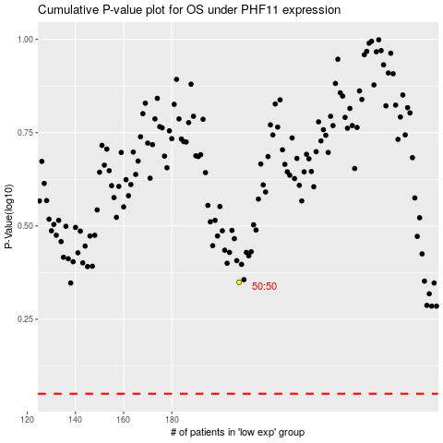

 |  |  |  |  |  | cases_OS | p_OS | rank | exp
 |  |  |  |  |  |  | cases_RFS | p_RFS | rank | exp

