PHF13 _multivariate
Reported by Tex Li-Hsing Chi. tex@gate.sinica.edu.tw 2019-08-17

Table 2. The clinicopathological features of HNSCC cohort and PHF13 expression. (Chi square test)
Cutoff at -0.141 (49.8%)
 |  | PHF13 expression |  | PHF13 expression |  | (Optimised)
 | Features | Low | (%) | High | (%) | Case no | P-value | Remark | Matthews
Gender | Female | 147 | 35.4 | 159 | 38.3 | 415 | 0.2523 | 0 | 0
2 | Male | 60 | 14.5 | 49 | 11.8
Age at diagnosis | <=65y | 133 | 32 | 141 | 34 | 415 | 0.5111 | 0 | 0
4 | >65y | 74 | 17.8 | 67 | 16.1
Clinical T Status | T1+T2 | 88 | 21.2 | 61 | 14.7 | 415 | 0.007 | 1 | 0
6 | T3+T4 | 119 | 28.7 | 147 | 35.4
Clinical N Status | N0 | 117 | 28.2 | 99 | 23.9 | 415 | 0.0852 | 1 | 0
8 | N1-3 | 90 | 21.7 | 109 | 26.3
Clinical M Status | M0 | 205 | 49.4 | 207 | 49.9 | 415 | 0.6232 | 0 | 0
10 | M1 | 2 | 0.5 | 1 | 0.2
Clinical Stage | Stage I+II | 66 | 15.9 | 36 | 8.7 | 415 | 9e-04 | 1 | 0
12 | Stage III+IV | 141 | 34 | 172 | 41.4
Surgical Margin status | Negative | 161 | 38.8 | 157 | 37.8 | 415 | 0.6429 | 0 | 0
14 | Positive | 46 | 11.1 | 51 | 12.3
Tobacco Exposure | Low | 95 | 22.9 | 66 | 15.9 | 415 | 0.0035 | 1 | 0
16 | High | 112 | 27 | 142 | 34.2

Table 3. Univariate/Multivariate Cox's proportional hazards regression analyses on OS time of PHF13 gene expression in HNSCC

 |  | Univariate |  |  |  | Multivariate
 | Features | HR | CI95%(L) | CI95%(H) | P-value | HR | CI95%(L) | CI95%(H) | P-value
1 | Female | 1 |  |  |  | 1
Gender | Male | 1.157 | 0.843 | 1.587 | 0.367 | 1.196 | 0.855 | 1.672 | 0.296
11 | <=65y | 1 |  |  |  | 1
Age at diagnosis | >65y | 1.329 | 0.99 | 1.784 | 0.058 | 1.393 | 1.024 | 1.893 | 0.035
12 | T1+T2 | 1 |  |  |  | 1
Clinical T Status | T3+T4 | 1.409 | 1.028 | 1.931 | 0.033 | 2.181 | 1.152 | 4.129 | 0.017
13 | N0 | 1 |  |  |  | 1
Clinical N Status | N1-3 | 1.185 | 0.89 | 1.577 | 0.246 | 1.243 | 0.871 | 1.774 | 0.23
14 | M0 | 1 |  |  |  | 1
Clinical M Status | M1 | 4.097 | 1.009 | 16.644 | 0.049 | 9.05 | 1.96 | 41.779 | 0.005
15 | Stage I+II | 1 |  |  |  | 1
Clinical Stage | Stage III+IV | 1.245 | 0.882 | 1.759 | 0.213 | 0.517 | 0.239 | 1.117 | 0.093
16 | Negative | 1 |  |  |  | 1
Surgical Margin status | Positive | 1.591 | 1.155 | 2.191 | 0.004 | 1.67 | 1.209 | 2.307 | 0.002
17 | Low | 1 |  |  |  | 1
Tobacco Exposure | High | 1.364 | 1.008 | 1.844 | 0.044 | 1.47 | 1.063 | 2.032 | 0.02
18 | Low | 1 |  |  |  | 1
RNAseq(z-score) | High | 0.962 | 0.72 | 1.285 | 0.792 | 0.925 | 0.684 | 1.251 | 0.614

Table 4. Univariate/Multivariate Cox's proportional hazards regression analyses on RFS time of PHF13 gene expression in HNSCC

 |  | Univariate |  |  |  | Multivariate
 | Features | HR | CI95%(L) | CI95%(H) | P-value | HR | CI95%(L) | CI95%(H) | P-value
1 | Female | 1 |  |  |  | 1
Gender | Male | 1.157 | 0.843 | 1.587 | 0.367 | 1.196 | 0.855 | 1.672 | 0.296
11 | <=65y | 1 |  |  |  | 1
Age at diagnosis | >65y | 1.329 | 0.99 | 1.784 | 0.058 | 1.393 | 1.024 | 1.893 | 0.035
12 | T1+T2 | 1 |  |  |  | 1
Clinical T Status | T3+T4 | 1.409 | 1.028 | 1.931 | 0.033 | 2.181 | 1.152 | 4.129 | 0.017
13 | N0 | 1 |  |  |  | 1
Clinical N Status | N1-3 | 1.185 | 0.89 | 1.577 | 0.246 | 1.243 | 0.871 | 1.774 | 0.23
14 | M0 | 1 |  |  |  | 1
Clinical M Status | M1 | 4.097 | 1.009 | 16.644 | 0.049 | 9.05 | 1.96 | 41.779 | 0.005
15 | Stage I+II | 1 |  |  |  | 1
Clinical Stage | Stage III+IV | 1.245 | 0.882 | 1.759 | 0.213 | 0.517 | 0.239 | 1.117 | 0.093
16 | Negative | 1 |  |  |  | 1
Surgical Margin status | Positive | 1.591 | 1.155 | 2.191 | 0.004 | 1.67 | 1.209 | 2.307 | 0.002
17 | Low | 1 |  |  |  | 1
Tobacco Exposure | High | 1.364 | 1.008 | 1.844 | 0.044 | 1.47 | 1.063 | 2.032 | 0.02
18 | Low | 1 |  |  |  | 1
RNAseq(z-score) | High | 0.962 | 0.72 | 1.285 | 0.792 | 0.925 | 0.684 | 1.251 | 0.614

Kaplan-Meier survival estimate: Cutoff at -0.141 (49.8%)



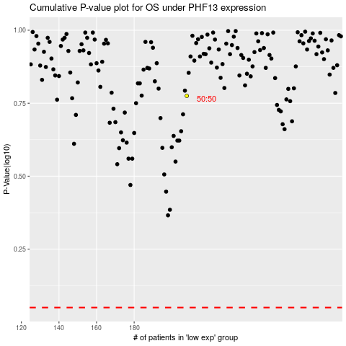

 |  |  |  |  |  | cases_OS | p_OS | rank | exp
 |  |  |  |  |  |  | cases_RFS | p_RFS | rank | exp

