PHF16 _multivariate
Reported by Tex Li-Hsing Chi. tex@gate.sinica.edu.tw 2019-08-17

Table 2. The clinicopathological features of HNSCC cohort and PHF16 expression. (Chi square test)
Cutoff at -0.102 (49.8%)
 |  | PHF16 expression |  | PHF16 expression |  | (Optimised)
 | Features | Low | (%) | High | (%) | Case no | P-value | Remark | Matthews
Gender | Female | 149 | 35.9 | 157 | 37.8 | 415 | 0.4848 | 0 | 0
2 | Male | 58 | 14 | 51 | 12.3
Age at diagnosis | <=65y | 127 | 30.6 | 147 | 35.4 | 415 | 0.0573 | 0 | 0
4 | >65y | 80 | 19.3 | 61 | 14.7
Clinical T Status | T1+T2 | 78 | 18.8 | 71 | 17.1 | 415 | 0.5152 | 0 | 0
6 | T3+T4 | 129 | 31.1 | 137 | 33
Clinical N Status | N0 | 103 | 24.8 | 113 | 27.2 | 415 | 0.4047 | 0 | 0
8 | N1-3 | 104 | 25.1 | 95 | 22.9
Clinical M Status | M0 | 204 | 49.2 | 208 | 50.1 | 415 | 0.1232 | 0 | 0
10 | M1 | 3 | 0.7 | 0 | 0
Clinical Stage | Stage I+II | 50 | 12 | 52 | 12.5 | 415 | 0.9315 | 0 | 0
12 | Stage III+IV | 157 | 37.8 | 156 | 37.6
Surgical Margin status | Negative | 162 | 39 | 156 | 37.6 | 415 | 0.4867 | 0 | 0
14 | Positive | 45 | 10.8 | 52 | 12.5
Tobacco Exposure | Low | 87 | 21 | 74 | 17.8 | 415 | 0.1911 | 0 | 0
16 | High | 120 | 28.9 | 134 | 32.3

Table 3. Univariate/Multivariate Cox's proportional hazards regression analyses on OS time of PHF16 gene expression in HNSCC

 |  | Univariate |  |  |  | Multivariate
 | Features | HR | CI95%(L) | CI95%(H) | P-value | HR | CI95%(L) | CI95%(H) | P-value
1 | Female | 1 |  |  |  | 1
Gender | Male | 1.157 | 0.843 | 1.587 | 0.367 | 1.208 | 0.863 | 1.69 | 0.271
11 | <=65y | 1 |  |  |  | 1
Age at diagnosis | >65y | 1.329 | 0.99 | 1.784 | 0.058 | 1.397 | 1.026 | 1.901 | 0.034
12 | T1+T2 | 1 |  |  |  | 1
Clinical T Status | T3+T4 | 1.409 | 1.028 | 1.931 | 0.033 | 2.195 | 1.16 | 4.153 | 0.016
13 | N0 | 1 |  |  |  | 1
Clinical N Status | N1-3 | 1.185 | 0.89 | 1.577 | 0.246 | 1.244 | 0.872 | 1.776 | 0.229
14 | M0 | 1 |  |  |  | 1
Clinical M Status | M1 | 4.097 | 1.009 | 16.644 | 0.049 | 9.585 | 2.078 | 44.219 | 0.004
15 | Stage I+II | 1 |  |  |  | 1
Clinical Stage | Stage III+IV | 1.245 | 0.882 | 1.759 | 0.213 | 0.505 | 0.235 | 1.085 | 0.08
16 | Negative | 1 |  |  |  | 1
Surgical Margin status | Positive | 1.591 | 1.155 | 2.191 | 0.004 | 1.675 | 1.212 | 2.316 | 0.002
17 | Low | 1 |  |  |  | 1
Tobacco Exposure | High | 1.364 | 1.008 | 1.844 | 0.044 | 1.455 | 1.056 | 2.005 | 0.022
18 | Low | 1 |  |  |  | 1
RNAseq(z-score) | High | 0.962 | 0.722 | 1.282 | 0.79 | 1.041 | 0.776 | 1.395 | 0.79

Table 4. Univariate/Multivariate Cox's proportional hazards regression analyses on RFS time of PHF16 gene expression in HNSCC

 |  | Univariate |  |  |  | Multivariate
 | Features | HR | CI95%(L) | CI95%(H) | P-value | HR | CI95%(L) | CI95%(H) | P-value
1 | Female | 1 |  |  |  | 1
Gender | Male | 1.157 | 0.843 | 1.587 | 0.367 | 1.208 | 0.863 | 1.69 | 0.271
11 | <=65y | 1 |  |  |  | 1
Age at diagnosis | >65y | 1.329 | 0.99 | 1.784 | 0.058 | 1.397 | 1.026 | 1.901 | 0.034
12 | T1+T2 | 1 |  |  |  | 1
Clinical T Status | T3+T4 | 1.409 | 1.028 | 1.931 | 0.033 | 2.195 | 1.16 | 4.153 | 0.016
13 | N0 | 1 |  |  |  | 1
Clinical N Status | N1-3 | 1.185 | 0.89 | 1.577 | 0.246 | 1.244 | 0.872 | 1.776 | 0.229
14 | M0 | 1 |  |  |  | 1
Clinical M Status | M1 | 4.097 | 1.009 | 16.644 | 0.049 | 9.585 | 2.078 | 44.219 | 0.004
15 | Stage I+II | 1 |  |  |  | 1
Clinical Stage | Stage III+IV | 1.245 | 0.882 | 1.759 | 0.213 | 0.505 | 0.235 | 1.085 | 0.08
16 | Negative | 1 |  |  |  | 1
Surgical Margin status | Positive | 1.591 | 1.155 | 2.191 | 0.004 | 1.675 | 1.212 | 2.316 | 0.002
17 | Low | 1 |  |  |  | 1
Tobacco Exposure | High | 1.364 | 1.008 | 1.844 | 0.044 | 1.455 | 1.056 | 2.005 | 0.022
18 | Low | 1 |  |  |  | 1
RNAseq(z-score) | High | 0.962 | 0.722 | 1.282 | 0.79 | 1.041 | 0.776 | 1.395 | 0.79

Kaplan-Meier survival estimate: Cutoff at -0.102 (49.8%)



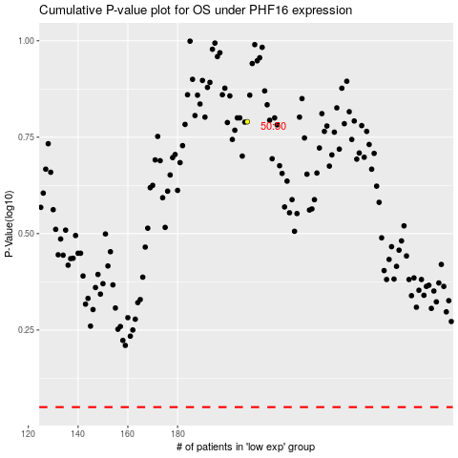

 |  |  |  |  |  | cases_OS | p_OS | rank | exp
 |  |  |  |  |  |  | cases_RFS | p_RFS | rank | exp

