PHGDH _multivariate
Reported by Tex Li-Hsing Chi. tex@gate.sinica.edu.tw 2019-08-17

Table 2. The clinicopathological features of HNSCC cohort and PHGDH expression. (Chi square test)
Cutoff at -0.571 (35.0%)
 |  | PHGDH expression |  | PHGDH expression |  | (Optimised)
 | Features | Low | (%) | High | (%) | Case no | P-value | Remark | Matthews
Gender | Female | 98 | 23.6 | 208 | 50.1 | 415 | 0.0325 | 1 | 0
2 | Male | 48 | 11.6 | 61 | 14.7
Age at diagnosis | <=65y | 97 | 23.4 | 177 | 42.7 | 415 | 0.9818 | 0 | 0
4 | >65y | 49 | 11.8 | 92 | 22.2
Clinical T Status | T1+T2 | 58 | 14 | 91 | 21.9 | 415 | 0.2763 | 0 | 0
6 | T3+T4 | 88 | 21.2 | 178 | 42.9
Clinical N Status | N0 | 78 | 18.8 | 138 | 33.3 | 415 | 0.7561 | 0 | 0
8 | N1-3 | 68 | 16.4 | 131 | 31.6
Clinical M Status | M0 | 144 | 34.7 | 268 | 64.6 | 415 | 0.2837 | 0 | 0
10 | M1 | 2 | 0.5 | 1 | 0.2
Clinical Stage | Stage I+II | 44 | 10.6 | 58 | 14 | 415 | 0.069 | 0 | 0
12 | Stage III+IV | 102 | 24.6 | 211 | 50.8
Surgical Margin status | Negative | 120 | 28.9 | 198 | 47.7 | 415 | 0.0524 | 0 | 0
14 | Positive | 26 | 6.3 | 71 | 17.1
Tobacco Exposure | Low | 73 | 17.6 | 88 | 21.2 | 415 | 7e-04 | 1 | 0
16 | High | 73 | 17.6 | 181 | 43.6

Table 3. Univariate/Multivariate Cox's proportional hazards regression analyses on OS time of PHGDH gene expression in HNSCC

 |  | Univariate |  |  |  | Multivariate
 | Features | HR | CI95%(L) | CI95%(H) | P-value | HR | CI95%(L) | CI95%(H) | P-value
1 | Female | 1 |  |  |  | 1
Gender | Male | 1.157 | 0.843 | 1.587 | 0.367 | 1.22 | 0.873 | 1.703 | 0.244
11 | <=65y | 1 |  |  |  | 1
Age at diagnosis | >65y | 1.329 | 0.99 | 1.784 | 0.058 | 1.376 | 1.013 | 1.869 | 0.041
12 | T1+T2 | 1 |  |  |  | 1
Clinical T Status | T3+T4 | 1.409 | 1.028 | 1.931 | 0.033 | 2.275 | 1.203 | 4.305 | 0.012
13 | N0 | 1 |  |  |  | 1
Clinical N Status | N1-3 | 1.185 | 0.89 | 1.577 | 0.246 | 1.275 | 0.892 | 1.823 | 0.182
14 | M0 | 1 |  |  |  | 1
Clinical M Status | M1 | 4.097 | 1.009 | 16.644 | 0.049 | 10.812 | 2.333 | 50.109 | 0.002
15 | Stage I+II | 1 |  |  |  | 1
Clinical Stage | Stage III+IV | 1.245 | 0.882 | 1.759 | 0.213 | 0.469 | 0.218 | 1.013 | 0.054
16 | Negative | 1 |  |  |  | 1
Surgical Margin status | Positive | 1.591 | 1.155 | 2.191 | 0.004 | 1.615 | 1.165 | 2.237 | 0.004
17 | Low | 1 |  |  |  | 1
Tobacco Exposure | High | 1.364 | 1.008 | 1.844 | 0.044 | 1.367 | 0.985 | 1.896 | 0.062
18 | Low | 1 |  |  |  | 1
RNAseq(z-score) | High | 1.372 | 1.003 | 1.876 | 0.048 | 1.29 | 0.925 | 1.798 | 0.133

Table 4. Univariate/Multivariate Cox's proportional hazards regression analyses on RFS time of PHGDH gene expression in HNSCC

 |  | Univariate |  |  |  | Multivariate
 | Features | HR | CI95%(L) | CI95%(H) | P-value | HR | CI95%(L) | CI95%(H) | P-value
1 | Female | 1 |  |  |  | 1
Gender | Male | 1.157 | 0.843 | 1.587 | 0.367 | 1.22 | 0.873 | 1.703 | 0.244
11 | <=65y | 1 |  |  |  | 1
Age at diagnosis | >65y | 1.329 | 0.99 | 1.784 | 0.058 | 1.376 | 1.013 | 1.869 | 0.041
12 | T1+T2 | 1 |  |  |  | 1
Clinical T Status | T3+T4 | 1.409 | 1.028 | 1.931 | 0.033 | 2.275 | 1.203 | 4.305 | 0.012
13 | N0 | 1 |  |  |  | 1
Clinical N Status | N1-3 | 1.185 | 0.89 | 1.577 | 0.246 | 1.275 | 0.892 | 1.823 | 0.182
14 | M0 | 1 |  |  |  | 1
Clinical M Status | M1 | 4.097 | 1.009 | 16.644 | 0.049 | 10.812 | 2.333 | 50.109 | 0.002
15 | Stage I+II | 1 |  |  |  | 1
Clinical Stage | Stage III+IV | 1.245 | 0.882 | 1.759 | 0.213 | 0.469 | 0.218 | 1.013 | 0.054
16 | Negative | 1 |  |  |  | 1
Surgical Margin status | Positive | 1.591 | 1.155 | 2.191 | 0.004 | 1.615 | 1.165 | 2.237 | 0.004
17 | Low | 1 |  |  |  | 1
Tobacco Exposure | High | 1.364 | 1.008 | 1.844 | 0.044 | 1.367 | 0.985 | 1.896 | 0.062
18 | Low | 1 |  |  |  | 1
RNAseq(z-score) | High | 1.372 | 1.003 | 1.876 | 0.048 | 1.29 | 0.925 | 1.798 | 0.133

Kaplan-Meier survival estimate: Cutoff at -0.571 (35.0%)



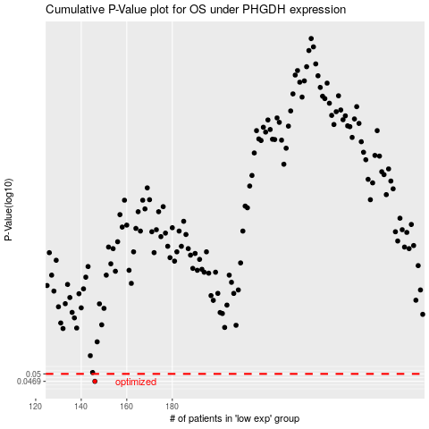

 |  |  |  |  |  | cases_OS | p_OS | rank | exp
 |  |  |  |  |  | 146 | 0.0469 | 198 | -0.57067268799
 |  |  |  |  |  |  | cases_RFS | p_RFS | rank | exp
 |  |  |  |  |  |  | 145 | 0.0469 | 374 | -0.57129399041

