PHKA1 _multivariate
Reported by Tex Li-Hsing Chi. tex@gate.sinica.edu.tw 2019-08-17

Table 2. The clinicopathological features of HNSCC cohort and PHKA1 expression. (Chi square test)
Cutoff at -0.219 (50.0%)
 |  | PHKA1 expression |  | PHKA1 expression |  | (Optimised)
 | Features | Low | (%) | High | (%) | Case no | P-value | Remark | Matthews
Gender | Female | 155 | 37.3 | 151 | 36.4 | 415 | 0.6768 | 0 | 0
2 | Male | 52 | 12.5 | 57 | 13.7
Age at diagnosis | <=65y | 125 | 30.1 | 149 | 35.9 | 415 | 0.0206 | 1 | 0
4 | >65y | 82 | 19.8 | 59 | 14.2
Clinical T Status | T1+T2 | 80 | 19.3 | 69 | 16.6 | 415 | 0.2891 | 0 | 0
6 | T3+T4 | 127 | 30.6 | 139 | 33.5
Clinical N Status | N0 | 107 | 25.8 | 109 | 26.3 | 415 | 0.9624 | 0 | 0
8 | N1-3 | 100 | 24.1 | 99 | 23.9
Clinical M Status | M0 | 205 | 49.4 | 207 | 49.9 | 415 | 0.6232 | 0 | 0
10 | M1 | 2 | 0.5 | 1 | 0.2
Clinical Stage | Stage I+II | 53 | 12.8 | 49 | 11.8 | 415 | 0.7113 | 0 | 0
12 | Stage III+IV | 154 | 37.1 | 159 | 38.3
Surgical Margin status | Negative | 153 | 36.9 | 165 | 39.8 | 415 | 0.2036 | 0 | 0
14 | Positive | 54 | 13 | 43 | 10.4
Tobacco Exposure | Low | 86 | 20.7 | 75 | 18.1 | 415 | 0.2687 | 0 | 0
16 | High | 121 | 29.2 | 133 | 32

Table 3. Univariate/Multivariate Cox's proportional hazards regression analyses on OS time of PHKA1 gene expression in HNSCC

 |  | Univariate |  |  |  | Multivariate
 | Features | HR | CI95%(L) | CI95%(H) | P-value | HR | CI95%(L) | CI95%(H) | P-value
1 | Female | 1 |  |  |  | 1
Gender | Male | 1.157 | 0.843 | 1.587 | 0.367 | 1.207 | 0.864 | 1.685 | 0.27
11 | <=65y | 1 |  |  |  | 1
Age at diagnosis | >65y | 1.329 | 0.99 | 1.784 | 0.058 | 1.415 | 1.04 | 1.924 | 0.027
12 | T1+T2 | 1 |  |  |  | 1
Clinical T Status | T3+T4 | 1.409 | 1.028 | 1.931 | 0.033 | 2.164 | 1.145 | 4.091 | 0.017
13 | N0 | 1 |  |  |  | 1
Clinical N Status | N1-3 | 1.185 | 0.89 | 1.577 | 0.246 | 1.251 | 0.876 | 1.785 | 0.218
14 | M0 | 1 |  |  |  | 1
Clinical M Status | M1 | 4.097 | 1.009 | 16.644 | 0.049 | 9.592 | 2.092 | 43.972 | 0.004
15 | Stage I+II | 1 |  |  |  | 1
Clinical Stage | Stage III+IV | 1.245 | 0.882 | 1.759 | 0.213 | 0.499 | 0.232 | 1.072 | 0.075
16 | Negative | 1 |  |  |  | 1
Surgical Margin status | Positive | 1.591 | 1.155 | 2.191 | 0.004 | 1.698 | 1.228 | 2.347 | 0.001
17 | Low | 1 |  |  |  | 1
Tobacco Exposure | High | 1.364 | 1.008 | 1.844 | 0.044 | 1.437 | 1.043 | 1.979 | 0.026
18 | Low | 1 |  |  |  | 1
RNAseq(z-score) | High | 1.252 | 0.938 | 1.67 | 0.127 | 1.266 | 0.946 | 1.696 | 0.113

Table 4. Univariate/Multivariate Cox's proportional hazards regression analyses on RFS time of PHKA1 gene expression in HNSCC

 |  | Univariate |  |  |  | Multivariate
 | Features | HR | CI95%(L) | CI95%(H) | P-value | HR | CI95%(L) | CI95%(H) | P-value
1 | Female | 1 |  |  |  | 1
Gender | Male | 1.157 | 0.843 | 1.587 | 0.367 | 1.207 | 0.864 | 1.685 | 0.27
11 | <=65y | 1 |  |  |  | 1
Age at diagnosis | >65y | 1.329 | 0.99 | 1.784 | 0.058 | 1.415 | 1.04 | 1.924 | 0.027
12 | T1+T2 | 1 |  |  |  | 1
Clinical T Status | T3+T4 | 1.409 | 1.028 | 1.931 | 0.033 | 2.164 | 1.145 | 4.091 | 0.017
13 | N0 | 1 |  |  |  | 1
Clinical N Status | N1-3 | 1.185 | 0.89 | 1.577 | 0.246 | 1.251 | 0.876 | 1.785 | 0.218
14 | M0 | 1 |  |  |  | 1
Clinical M Status | M1 | 4.097 | 1.009 | 16.644 | 0.049 | 9.592 | 2.092 | 43.972 | 0.004
15 | Stage I+II | 1 |  |  |  | 1
Clinical Stage | Stage III+IV | 1.245 | 0.882 | 1.759 | 0.213 | 0.499 | 0.232 | 1.072 | 0.075
16 | Negative | 1 |  |  |  | 1
Surgical Margin status | Positive | 1.591 | 1.155 | 2.191 | 0.004 | 1.698 | 1.228 | 2.347 | 0.001
17 | Low | 1 |  |  |  | 1
Tobacco Exposure | High | 1.364 | 1.008 | 1.844 | 0.044 | 1.437 | 1.043 | 1.979 | 0.026
18 | Low | 1 |  |  |  | 1
RNAseq(z-score) | High | 1.252 | 0.938 | 1.67 | 0.127 | 1.266 | 0.946 | 1.696 | 0.113

Kaplan-Meier survival estimate: Cutoff at -0.219 (50.0%)



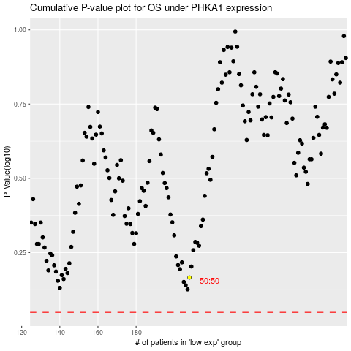

 |  |  |  |  |  | cases_OS | p_OS | rank | exp
 |  |  |  |  |  |  | cases_RFS | p_RFS | rank | exp

