PHKG2 _multivariate
Reported by Tex Li-Hsing Chi. tex@gate.sinica.edu.tw 2019-08-17

Table 2. The clinicopathological features of HNSCC cohort and PHKG2 expression. (Chi square test)
Cutoff at -0.221 (50.0%)
 |  | PHKG2 expression |  | PHKG2 expression |  | (Optimised)
 | Features | Low | (%) | High | (%) | Case no | P-value | Remark | Matthews
Gender | Female | 144 | 34.7 | 162 | 39 | 415 | 0.0697 | 0 | 0
2 | Male | 63 | 15.2 | 46 | 11.1
Age at diagnosis | <=65y | 135 | 32.5 | 139 | 33.5 | 415 | 0.8084 | 0 | 0
4 | >65y | 72 | 17.3 | 69 | 16.6
Clinical T Status | T1+T2 | 77 | 18.6 | 72 | 17.3 | 415 | 0.6556 | 0 | 0
6 | T3+T4 | 130 | 31.3 | 136 | 32.8
Clinical N Status | N0 | 107 | 25.8 | 109 | 26.3 | 415 | 0.9624 | 0 | 0
8 | N1-3 | 100 | 24.1 | 99 | 23.9
Clinical M Status | M0 | 206 | 49.6 | 206 | 49.6 | 415 | 1 | 0 | 0
10 | M1 | 1 | 0.2 | 2 | 0.5
Clinical Stage | Stage I+II | 54 | 13 | 48 | 11.6 | 415 | 0.5498 | 0 | 0
12 | Stage III+IV | 153 | 36.9 | 160 | 38.6
Surgical Margin status | Negative | 161 | 38.8 | 157 | 37.8 | 415 | 0.6429 | 0 | 0
14 | Positive | 46 | 11.1 | 51 | 12.3
Tobacco Exposure | Low | 82 | 19.8 | 79 | 19 | 415 | 0.763 | 0 | 0
16 | High | 125 | 30.1 | 129 | 31.1

Table 3. Univariate/Multivariate Cox's proportional hazards regression analyses on OS time of PHKG2 gene expression in HNSCC

 |  | Univariate |  |  |  | Multivariate
 | Features | HR | CI95%(L) | CI95%(H) | P-value | HR | CI95%(L) | CI95%(H) | P-value
1 | Female | 1 |  |  |  | 1
Gender | Male | 1.157 | 0.843 | 1.587 | 0.367 | 1.19 | 0.852 | 1.663 | 0.308
11 | <=65y | 1 |  |  |  | 1
Age at diagnosis | >65y | 1.329 | 0.99 | 1.784 | 0.058 | 1.398 | 1.028 | 1.9 | 0.033
12 | T1+T2 | 1 |  |  |  | 1
Clinical T Status | T3+T4 | 1.409 | 1.028 | 1.931 | 0.033 | 2.215 | 1.171 | 4.188 | 0.014
13 | N0 | 1 |  |  |  | 1
Clinical N Status | N1-3 | 1.185 | 0.89 | 1.577 | 0.246 | 1.239 | 0.868 | 1.767 | 0.238
14 | M0 | 1 |  |  |  | 1
Clinical M Status | M1 | 4.097 | 1.009 | 16.644 | 0.049 | 9.784 | 2.128 | 44.985 | 0.003
15 | Stage I+II | 1 |  |  |  | 1
Clinical Stage | Stage III+IV | 1.245 | 0.882 | 1.759 | 0.213 | 0.506 | 0.236 | 1.085 | 0.08
16 | Negative | 1 |  |  |  | 1
Surgical Margin status | Positive | 1.591 | 1.155 | 2.191 | 0.004 | 1.69 | 1.222 | 2.338 | 0.002
17 | Low | 1 |  |  |  | 1
Tobacco Exposure | High | 1.364 | 1.008 | 1.844 | 0.044 | 1.46 | 1.059 | 2.012 | 0.021
18 | Low | 1 |  |  |  | 1
RNAseq(z-score) | High | 0.95 | 0.713 | 1.266 | 0.727 | 0.888 | 0.663 | 1.188 | 0.422

Table 4. Univariate/Multivariate Cox's proportional hazards regression analyses on RFS time of PHKG2 gene expression in HNSCC

 |  | Univariate |  |  |  | Multivariate
 | Features | HR | CI95%(L) | CI95%(H) | P-value | HR | CI95%(L) | CI95%(H) | P-value
1 | Female | 1 |  |  |  | 1
Gender | Male | 1.157 | 0.843 | 1.587 | 0.367 | 1.19 | 0.852 | 1.663 | 0.308
11 | <=65y | 1 |  |  |  | 1
Age at diagnosis | >65y | 1.329 | 0.99 | 1.784 | 0.058 | 1.398 | 1.028 | 1.9 | 0.033
12 | T1+T2 | 1 |  |  |  | 1
Clinical T Status | T3+T4 | 1.409 | 1.028 | 1.931 | 0.033 | 2.215 | 1.171 | 4.188 | 0.014
13 | N0 | 1 |  |  |  | 1
Clinical N Status | N1-3 | 1.185 | 0.89 | 1.577 | 0.246 | 1.239 | 0.868 | 1.767 | 0.238
14 | M0 | 1 |  |  |  | 1
Clinical M Status | M1 | 4.097 | 1.009 | 16.644 | 0.049 | 9.784 | 2.128 | 44.985 | 0.003
15 | Stage I+II | 1 |  |  |  | 1
Clinical Stage | Stage III+IV | 1.245 | 0.882 | 1.759 | 0.213 | 0.506 | 0.236 | 1.085 | 0.08
16 | Negative | 1 |  |  |  | 1
Surgical Margin status | Positive | 1.591 | 1.155 | 2.191 | 0.004 | 1.69 | 1.222 | 2.338 | 0.002
17 | Low | 1 |  |  |  | 1
Tobacco Exposure | High | 1.364 | 1.008 | 1.844 | 0.044 | 1.46 | 1.059 | 2.012 | 0.021
18 | Low | 1 |  |  |  | 1
RNAseq(z-score) | High | 0.95 | 0.713 | 1.266 | 0.727 | 0.888 | 0.663 | 1.188 | 0.422

Kaplan-Meier survival estimate: Cutoff at -0.221 (50.0%)



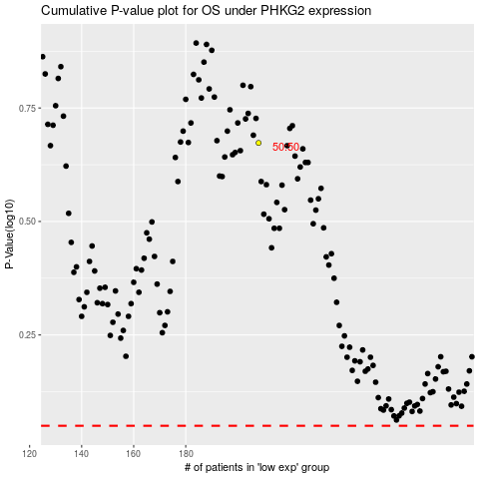

 |  |  |  |  |  | cases_OS | p_OS | rank | exp
 |  |  |  |  |  |  | cases_RFS | p_RFS | rank | exp

