PHLDA1 _multivariate
Reported by Tex Li-Hsing Chi. tex@gate.sinica.edu.tw 2019-08-17

Table 2. The clinicopathological features of HNSCC cohort and PHLDA1 expression. (Chi square test)
Cutoff at -0.542 (31.9%)
 |  | PHLDA1 expression |  | PHLDA1 expression |  | (Optimised)
 | Features | Low | (%) | High | (%) | Case no | P-value | Remark | Matthews
Gender | Female | 101 | 24.3 | 205 | 49.4 | 415 | 0.4477 | 0 | 0
2 | Male | 31 | 7.5 | 78 | 18.8
Age at diagnosis | <=65y | 88 | 21.2 | 186 | 44.8 | 415 | 0.9382 | 0 | 0
4 | >65y | 44 | 10.6 | 97 | 23.4
Clinical T Status | T1+T2 | 48 | 11.6 | 101 | 24.3 | 415 | 0.9812 | 0 | 0
6 | T3+T4 | 84 | 20.2 | 182 | 43.9
Clinical N Status | N0 | 71 | 17.1 | 145 | 34.9 | 415 | 0.7047 | 0 | 0
8 | N1-3 | 61 | 14.7 | 138 | 33.3
Clinical M Status | M0 | 132 | 31.8 | 280 | 67.5 | 415 | 0.5546 | 0 | 0
10 | M1 | 0 | 0 | 3 | 0.7
Clinical Stage | Stage I+II | 30 | 7.2 | 72 | 17.3 | 415 | 0.6343 | 0 | 0
12 | Stage III+IV | 102 | 24.6 | 211 | 50.8
Surgical Margin status | Negative | 100 | 24.1 | 218 | 52.5 | 415 | 0.8038 | 0 | 0
14 | Positive | 32 | 7.7 | 65 | 15.7
Tobacco Exposure | Low | 48 | 11.6 | 113 | 27.2 | 415 | 0.5175 | 0 | 0
16 | High | 84 | 20.2 | 170 | 41

Table 3. Univariate/Multivariate Cox's proportional hazards regression analyses on OS time of PHLDA1 gene expression in HNSCC

 |  | Univariate |  |  |  | Multivariate
 | Features | HR | CI95%(L) | CI95%(H) | P-value | HR | CI95%(L) | CI95%(H) | P-value
1 | Female | 1 |  |  |  | 1
Gender | Male | 1.157 | 0.843 | 1.587 | 0.367 | 1.156 | 0.826 | 1.617 | 0.398
11 | <=65y | 1 |  |  |  | 1
Age at diagnosis | >65y | 1.329 | 0.99 | 1.784 | 0.058 | 1.404 | 1.034 | 1.907 | 0.029
12 | T1+T2 | 1 |  |  |  | 1
Clinical T Status | T3+T4 | 1.409 | 1.028 | 1.931 | 0.033 | 2.14 | 1.132 | 4.047 | 0.019
13 | N0 | 1 |  |  |  | 1
Clinical N Status | N1-3 | 1.185 | 0.89 | 1.577 | 0.246 | 1.212 | 0.85 | 1.729 | 0.288
14 | M0 | 1 |  |  |  | 1
Clinical M Status | M1 | 4.097 | 1.009 | 16.644 | 0.049 | 8.011 | 1.743 | 36.813 | 0.007
15 | Stage I+II | 1 |  |  |  | 1
Clinical Stage | Stage III+IV | 1.245 | 0.882 | 1.759 | 0.213 | 0.539 | 0.251 | 1.16 | 0.114
16 | Negative | 1 |  |  |  | 1
Surgical Margin status | Positive | 1.591 | 1.155 | 2.191 | 0.004 | 1.693 | 1.226 | 2.337 | 0.001
17 | Low | 1 |  |  |  | 1
Tobacco Exposure | High | 1.364 | 1.008 | 1.844 | 0.044 | 1.409 | 1.022 | 1.943 | 0.036
18 | Low | 1 |  |  |  | 1
RNAseq(z-score) | High | 1.597 | 1.153 | 2.213 | 0.005 | 1.563 | 1.124 | 2.173 | 0.008

Table 4. Univariate/Multivariate Cox's proportional hazards regression analyses on RFS time of PHLDA1 gene expression in HNSCC

 |  | Univariate |  |  |  | Multivariate
 | Features | HR | CI95%(L) | CI95%(H) | P-value | HR | CI95%(L) | CI95%(H) | P-value
1 | Female | 1 |  |  |  | 1
Gender | Male | 1.157 | 0.843 | 1.587 | 0.367 | 1.156 | 0.826 | 1.617 | 0.398
11 | <=65y | 1 |  |  |  | 1
Age at diagnosis | >65y | 1.329 | 0.99 | 1.784 | 0.058 | 1.404 | 1.034 | 1.907 | 0.029
12 | T1+T2 | 1 |  |  |  | 1
Clinical T Status | T3+T4 | 1.409 | 1.028 | 1.931 | 0.033 | 2.14 | 1.132 | 4.047 | 0.019
13 | N0 | 1 |  |  |  | 1
Clinical N Status | N1-3 | 1.185 | 0.89 | 1.577 | 0.246 | 1.212 | 0.85 | 1.729 | 0.288
14 | M0 | 1 |  |  |  | 1
Clinical M Status | M1 | 4.097 | 1.009 | 16.644 | 0.049 | 8.011 | 1.743 | 36.813 | 0.007
15 | Stage I+II | 1 |  |  |  | 1
Clinical Stage | Stage III+IV | 1.245 | 0.882 | 1.759 | 0.213 | 0.539 | 0.251 | 1.16 | 0.114
16 | Negative | 1 |  |  |  | 1
Surgical Margin status | Positive | 1.591 | 1.155 | 2.191 | 0.004 | 1.693 | 1.226 | 2.337 | 0.001
17 | Low | 1 |  |  |  | 1
Tobacco Exposure | High | 1.364 | 1.008 | 1.844 | 0.044 | 1.409 | 1.022 | 1.943 | 0.036
18 | Low | 1 |  |  |  | 1
RNAseq(z-score) | High | 1.597 | 1.153 | 2.213 | 0.005 | 1.563 | 1.124 | 2.173 | 0.008

Kaplan-Meier survival estimate: Cutoff at -0.542 (31.9%)

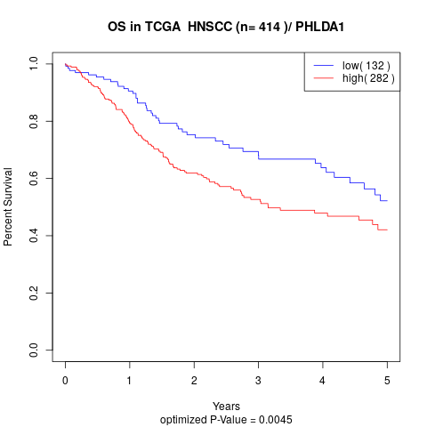

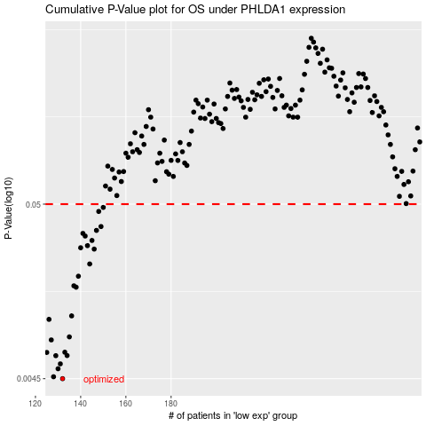

 |  |  |  |  |  | cases_OS | p_OS | rank | exp
 |  |  |  |  |  | 132 | 0.0045 | 409 | -0.54195019526
 |  |  |  |  |  | 128 | 0.00462 | 74 | -0.5613100846
 |  |  |  |  |  | 130 | 0.00516 | 280 | -0.55567810318
 |  |  |  |  |  | 131 | 0.00552 | 290 | -0.54535450606
 |  |  |  |  |  | 129 | 0.00618 | 320 | -0.55857608164
 |  |  |  |  |  | 134 | 0.00619 | 76 | -0.53363093266
 |  |  |  |  |  | 125 | 0.00646 | 247 | -0.56616897027
 |  |  |  |  |  | 133 | 0.00648 | 356 | -0.53895877325
 |  |  |  |  |  | 127 | 0.00768 | 232 | -0.5632975274
 |  |  |  |  |  | 135 | 0.00801 | 206 | -0.53151332777
 |  |  |  |  |  | 126 | 0.0102 | 40 | -0.56513546049
 |  |  |  |  |  | 136 | 0.0107 | 398 | -0.53044678329
 |  |  |  |  |  | 138 | 0.0159 | 278 | -0.52855856438
 |  |  |  |  |  | 137 | 0.0162 | 154 | -0.52866656358
 |  |  |  |  |  | 139 | 0.0185 | 241 | -0.52412886021
 |  |  |  |  |  | 144 | 0.0219 | 204 | -0.50642274227
 |  |  |  |  |  | 146 | 0.0269 | 181 | -0.50140158825
 |  |  |  |  |  | 140 | 0.0274 | 323 | -0.51840559161
 |  |  |  |  |  | 143 | 0.0282 | 71 | -0.50981201824
 |  |  |  |  |  | 145 | 0.0303 | 312 | -0.50447441399
 |  |  |  |  |  | 142 | 0.0322 | 104 | -0.51303962485
 |  |  |  |  |  | 141 | 0.0334 | 246 | -0.51755540492
 |  |  |  |  |  | 147 | 0.0348 | 65 | -0.50009361794
 |  |  |  |  |  | 149 | 0.0367 | 117 | -0.49205771097
 |  |  |  |  |  | 148 | 0.0452 | 139 | -0.49440524094
 |  |  |  |  |  | 150 | 0.0478 | 113 | -0.4785233091
 |  |  |  |  |  |  | cases_RFS | p_RFS | rank | exp
 |  |  |  |  |  |  | 131 | 0.0045 | 290 | -0.54535450606
 |  |  |  |  |  |  | 127 | 0.00462 | 232 | -0.5632975274
 |  |  |  |  |  |  | 129 | 0.00516 | 320 | -0.55857608164
 |  |  |  |  |  |  | 130 | 0.00552 | 280 | -0.55567810318
 |  |  |  |  |  |  | 128 | 0.00618 | 74 | -0.5613100846
 |  |  |  |  |  |  | 133 | 0.00619 | 356 | -0.53895877325
 |  |  |  |  |  |  |  | 0.00646 | 361 | -0.57176237628
 |  |  |  |  |  |  | 132 | 0.00648 | 409 | -0.54195019526
 |  |  |  |  |  |  | 126 | 0.00768 | 40 | -0.56513546049
 |  |  |  |  |  |  | 134 | 0.00801 | 76 | -0.53363093266
 |  |  |  |  |  |  | 125 | 0.0102 | 247 | -0.56616897027
 |  |  |  |  |  |  | 135 | 0.0107 | 206 | -0.53151332777
 |  |  |  |  |  |  | 137 | 0.0159 | 154 | -0.52866656358
 |  |  |  |  |  |  | 136 | 0.0162 | 398 | -0.53044678329
 |  |  |  |  |  |  | 138 | 0.0185 | 278 | -0.52855856438
 |  |  |  |  |  |  | 143 | 0.0219 | 71 | -0.50981201824
 |  |  |  |  |  |  | 145 | 0.0269 | 312 | -0.50447441399
 |  |  |  |  |  |  | 139 | 0.0274 | 241 | -0.52412886021
 |  |  |  |  |  |  | 142 | 0.0282 | 104 | -0.51303962485
 |  |  |  |  |  |  | 144 | 0.0303 | 204 | -0.50642274227
 |  |  |  |  |  |  | 141 | 0.0322 | 246 | -0.51755540492
 |  |  |  |  |  |  | 140 | 0.0334 | 323 | -0.51840559161
 |  |  |  |  |  |  | 146 | 0.0348 | 181 | -0.50140158825
 |  |  |  |  |  |  | 148 | 0.0367 | 139 | -0.49440524094
 |  |  |  |  |  |  | 147 | 0.0452 | 65 | -0.50009361794
 |  |  |  |  |  |  | 149 | 0.0478 | 117 | -0.49205771097

