PHLDA3 _multivariate
Reported by Tex Li-Hsing Chi. tex@gate.sinica.edu.tw 2019-08-17

Table 2. The clinicopathological features of HNSCC cohort and PHLDA3 expression. (Chi square test)
Cutoff at -0.526 (30.9%)
 |  | PHLDA3 expression |  | PHLDA3 expression |  | (Optimised)
 | Features | Low | (%) | High | (%) | Case no | P-value | Remark | Matthews
Gender | Female | 106 | 25.5 | 200 | 48.2 | 415 | 0.0072 | 1 | 0
2 | Male | 22 | 5.3 | 87 | 21
Age at diagnosis | <=65y | 83 | 20 | 191 | 46 | 415 | 0.8205 | 0 | 0
4 | >65y | 45 | 10.8 | 96 | 23.1
Clinical T Status | T1+T2 | 47 | 11.3 | 102 | 24.6 | 415 | 0.9042 | 0 | 0
6 | T3+T4 | 81 | 19.5 | 185 | 44.6
Clinical N Status | N0 | 65 | 15.7 | 151 | 36.4 | 415 | 0.8114 | 0 | 0
8 | N1-3 | 63 | 15.2 | 136 | 32.8
Clinical M Status | M0 | 128 | 30.8 | 284 | 68.4 | 415 | 0.5558 | 0 | 0
10 | M1 | 0 | 0 | 3 | 0.7
Clinical Stage | Stage I+II | 27 | 6.5 | 75 | 18.1 | 415 | 0.3283 | 0 | 0
12 | Stage III+IV | 101 | 24.3 | 212 | 51.1
Surgical Margin status | Negative | 97 | 23.4 | 221 | 53.3 | 415 | 0.8024 | 0 | 0
14 | Positive | 31 | 7.5 | 66 | 15.9
Tobacco Exposure | Low | 41 | 9.9 | 120 | 28.9 | 415 | 0.0642 | 0 | 0
16 | High | 87 | 21 | 167 | 40.2

Table 3. Univariate/Multivariate Cox's proportional hazards regression analyses on OS time of PHLDA3 gene expression in HNSCC

 |  | Univariate |  |  |  | Multivariate
 | Features | HR | CI95%(L) | CI95%(H) | P-value | HR | CI95%(L) | CI95%(H) | P-value
1 | Female | 1 |  |  |  | 1
Gender | Male | 1.157 | 0.843 | 1.587 | 0.367 | 1.135 | 0.808 | 1.594 | 0.466
11 | <=65y | 1 |  |  |  | 1
Age at diagnosis | >65y | 1.329 | 0.99 | 1.784 | 0.058 | 1.428 | 1.049 | 1.944 | 0.023
12 | T1+T2 | 1 |  |  |  | 1
Clinical T Status | T3+T4 | 1.409 | 1.028 | 1.931 | 0.033 | 2.122 | 1.121 | 4.018 | 0.021
13 | N0 | 1 |  |  |  | 1
Clinical N Status | N1-3 | 1.185 | 0.89 | 1.577 | 0.246 | 1.2 | 0.84 | 1.712 | 0.316
14 | M0 | 1 |  |  |  | 1
Clinical M Status | M1 | 4.097 | 1.009 | 16.644 | 0.049 | 8.265 | 1.794 | 38.087 | 0.007
15 | Stage I+II | 1 |  |  |  | 1
Clinical Stage | Stage III+IV | 1.245 | 0.882 | 1.759 | 0.213 | 0.541 | 0.251 | 1.165 | 0.117
16 | Negative | 1 |  |  |  | 1
Surgical Margin status | Positive | 1.591 | 1.155 | 2.191 | 0.004 | 1.635 | 1.182 | 2.26 | 0.003
17 | Low | 1 |  |  |  | 1
Tobacco Exposure | High | 1.364 | 1.008 | 1.844 | 0.044 | 1.461 | 1.061 | 2.014 | 0.02
18 | Low | 1 |  |  |  | 1
RNAseq(z-score) | High | 1.468 | 1.043 | 2.065 | 0.028 | 1.401 | 0.986 | 1.992 | 0.06

Table 4. Univariate/Multivariate Cox's proportional hazards regression analyses on RFS time of PHLDA3 gene expression in HNSCC

 |  | Univariate |  |  |  | Multivariate
 | Features | HR | CI95%(L) | CI95%(H) | P-value | HR | CI95%(L) | CI95%(H) | P-value
1 | Female | 1 |  |  |  | 1
Gender | Male | 1.157 | 0.843 | 1.587 | 0.367 | 1.135 | 0.808 | 1.594 | 0.466
11 | <=65y | 1 |  |  |  | 1
Age at diagnosis | >65y | 1.329 | 0.99 | 1.784 | 0.058 | 1.428 | 1.049 | 1.944 | 0.023
12 | T1+T2 | 1 |  |  |  | 1
Clinical T Status | T3+T4 | 1.409 | 1.028 | 1.931 | 0.033 | 2.122 | 1.121 | 4.018 | 0.021
13 | N0 | 1 |  |  |  | 1
Clinical N Status | N1-3 | 1.185 | 0.89 | 1.577 | 0.246 | 1.2 | 0.84 | 1.712 | 0.316
14 | M0 | 1 |  |  |  | 1
Clinical M Status | M1 | 4.097 | 1.009 | 16.644 | 0.049 | 8.265 | 1.794 | 38.087 | 0.007
15 | Stage I+II | 1 |  |  |  | 1
Clinical Stage | Stage III+IV | 1.245 | 0.882 | 1.759 | 0.213 | 0.541 | 0.251 | 1.165 | 0.117
16 | Negative | 1 |  |  |  | 1
Surgical Margin status | Positive | 1.591 | 1.155 | 2.191 | 0.004 | 1.635 | 1.182 | 2.26 | 0.003
17 | Low | 1 |  |  |  | 1
Tobacco Exposure | High | 1.364 | 1.008 | 1.844 | 0.044 | 1.461 | 1.061 | 2.014 | 0.02
18 | Low | 1 |  |  |  | 1
RNAseq(z-score) | High | 1.468 | 1.043 | 2.065 | 0.028 | 1.401 | 0.986 | 1.992 | 0.06

Kaplan-Meier survival estimate: Cutoff at -0.526 (30.9%)

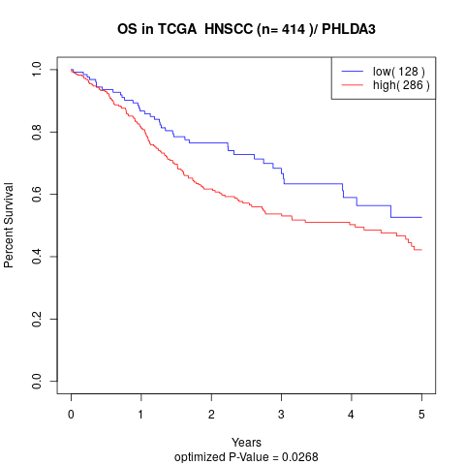

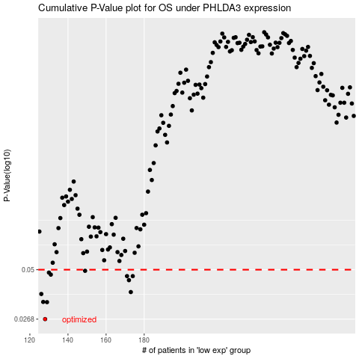

 |  |  |  |  |  | cases_OS | p_OS | rank | exp
 |  |  |  |  |  | 128 | 0.0268 | 267 | -0.52645548727
 |  |  |  |  |  | 129 | 0.0332 | 398 | -0.52272003262
 |  |  |  |  |  | 127 | 0.0333 | 30 | -0.52922372076
 |  |  |  |  |  | 126 | 0.0368 | 331 | -0.53096590131
 |  |  |  |  |  | 173 | 0.0377 | 249 | -0.32669946616
 |  |  |  |  |  | 172 | 0.0438 | 335 | -0.32864237556
 |  |  |  |  |  | 174 | 0.0461 | 196 | -0.31956300765
 |  |  |  |  |  | 171 | 0.0461 | 197 | -0.33176746848
 |  |  |  |  |  | 131 | 0.047 | 366 | -0.51723487922
 |  |  |  |  |  | 130 | 0.0482 | 173 | -0.52001720024
 |  |  |  |  |  | 149 | 0.0493 | 86 | -0.41861240946
 |  |  |  |  |  |  | cases_RFS | p_RFS | rank | exp
 |  |  |  |  |  |  | 127 | 0.0268 | 30 | -0.52922372076
 |  |  |  |  |  |  | 128 | 0.0332 | 267 | -0.52645548727
 |  |  |  |  |  |  | 126 | 0.0333 | 331 | -0.53096590131
 |  |  |  |  |  |  | 125 | 0.0368 | 245 | -0.53427172319
 |  |  |  |  |  |  | 172 | 0.0377 | 335 | -0.32864237556
 |  |  |  |  |  |  | 171 | 0.0438 | 197 | -0.33176746848
 |  |  |  |  |  |  | 173 | 0.0461 | 249 | -0.32669946616
 |  |  |  |  |  |  | 170 | 0.0461 | 403 | -0.33504277958
 |  |  |  |  |  |  | 130 | 0.047 | 173 | -0.52001720024
 |  |  |  |  |  |  | 129 | 0.0482 | 398 | -0.52272003262
 |  |  |  |  |  |  | 148 | 0.0493 | 40 | -0.42007575936

