PHLDB2 _multivariate
Reported by Tex Li-Hsing Chi. tex@gate.sinica.edu.tw 2019-08-17

Table 2. The clinicopathological features of HNSCC cohort and PHLDB2 expression. (Chi square test)
Cutoff at -0.427 (31.2%)
 |  | PHLDB2 expression |  | PHLDB2 expression |  | (Optimised)
 | Features | Low | (%) | High | (%) | Case no | P-value | Remark | Matthews
Gender | Female | 92 | 22.2 | 214 | 51.6 | 415 | 0.5281 | 0 | 0
2 | Male | 37 | 8.9 | 72 | 17.3
Age at diagnosis | <=65y | 83 | 20 | 191 | 46 | 415 | 0.7083 | 0 | 0
4 | >65y | 46 | 11.1 | 95 | 22.9
Clinical T Status | T1+T2 | 57 | 13.7 | 92 | 22.2 | 415 | 0.0243 | 1 | 0
6 | T3+T4 | 72 | 17.3 | 194 | 46.7
Clinical N Status | N0 | 70 | 16.9 | 146 | 35.2 | 415 | 0.6167 | 0 | 0
8 | N1-3 | 59 | 14.2 | 140 | 33.7
Clinical M Status | M0 | 128 | 30.8 | 284 | 68.4 | 415 | 1 | 0 | 0
10 | M1 | 1 | 0.2 | 2 | 0.5
Clinical Stage | Stage I+II | 38 | 9.2 | 64 | 15.4 | 415 | 0.1535 | 0 | 0
12 | Stage III+IV | 91 | 21.9 | 222 | 53.5
Surgical Margin status | Negative | 95 | 22.9 | 223 | 53.7 | 415 | 0.3805 | 0 | 0
14 | Positive | 34 | 8.2 | 63 | 15.2
Tobacco Exposure | Low | 61 | 14.7 | 100 | 24.1 | 415 | 0.0221 | 1 | 0
16 | High | 68 | 16.4 | 186 | 44.8

Table 3. Univariate/Multivariate Cox's proportional hazards regression analyses on OS time of PHLDB2 gene expression in HNSCC

 |  | Univariate |  |  |  | Multivariate
 | Features | HR | CI95%(L) | CI95%(H) | P-value | HR | CI95%(L) | CI95%(H) | P-value
1 | Female | 1 |  |  |  | 1
Gender | Male | 1.157 | 0.843 | 1.587 | 0.367 | 1.244 | 0.89 | 1.738 | 0.202
11 | <=65y | 1 |  |  |  | 1
Age at diagnosis | >65y | 1.329 | 0.99 | 1.784 | 0.058 | 1.38 | 1.016 | 1.876 | 0.04
12 | T1+T2 | 1 |  |  |  | 1
Clinical T Status | T3+T4 | 1.409 | 1.028 | 1.931 | 0.033 | 2.064 | 1.091 | 3.906 | 0.026
13 | N0 | 1 |  |  |  | 1
Clinical N Status | N1-3 | 1.185 | 0.89 | 1.577 | 0.246 | 1.301 | 0.91 | 1.86 | 0.149
14 | M0 | 1 |  |  |  | 1
Clinical M Status | M1 | 4.097 | 1.009 | 16.644 | 0.049 | 9.372 | 2.045 | 42.959 | 0.004
15 | Stage I+II | 1 |  |  |  | 1
Clinical Stage | Stage III+IV | 1.245 | 0.882 | 1.759 | 0.213 | 0.505 | 0.235 | 1.085 | 0.08
16 | Negative | 1 |  |  |  | 1
Surgical Margin status | Positive | 1.591 | 1.155 | 2.191 | 0.004 | 1.775 | 1.281 | 2.459 | 0.001
17 | Low | 1 |  |  |  | 1
Tobacco Exposure | High | 1.364 | 1.008 | 1.844 | 0.044 | 1.406 | 1.019 | 1.939 | 0.038
18 | Low | 1 |  |  |  | 1
RNAseq(z-score) | High | 1.591 | 1.141 | 2.219 | 0.006 | 1.671 | 1.186 | 2.354 | 0.003

Table 4. Univariate/Multivariate Cox's proportional hazards regression analyses on RFS time of PHLDB2 gene expression in HNSCC

 |  | Univariate |  |  |  | Multivariate
 | Features | HR | CI95%(L) | CI95%(H) | P-value | HR | CI95%(L) | CI95%(H) | P-value
1 | Female | 1 |  |  |  | 1
Gender | Male | 1.157 | 0.843 | 1.587 | 0.367 | 1.244 | 0.89 | 1.738 | 0.202
11 | <=65y | 1 |  |  |  | 1
Age at diagnosis | >65y | 1.329 | 0.99 | 1.784 | 0.058 | 1.38 | 1.016 | 1.876 | 0.04
12 | T1+T2 | 1 |  |  |  | 1
Clinical T Status | T3+T4 | 1.409 | 1.028 | 1.931 | 0.033 | 2.064 | 1.091 | 3.906 | 0.026
13 | N0 | 1 |  |  |  | 1
Clinical N Status | N1-3 | 1.185 | 0.89 | 1.577 | 0.246 | 1.301 | 0.91 | 1.86 | 0.149
14 | M0 | 1 |  |  |  | 1
Clinical M Status | M1 | 4.097 | 1.009 | 16.644 | 0.049 | 9.372 | 2.045 | 42.959 | 0.004
15 | Stage I+II | 1 |  |  |  | 1
Clinical Stage | Stage III+IV | 1.245 | 0.882 | 1.759 | 0.213 | 0.505 | 0.235 | 1.085 | 0.08
16 | Negative | 1 |  |  |  | 1
Surgical Margin status | Positive | 1.591 | 1.155 | 2.191 | 0.004 | 1.775 | 1.281 | 2.459 | 0.001
17 | Low | 1 |  |  |  | 1
Tobacco Exposure | High | 1.364 | 1.008 | 1.844 | 0.044 | 1.406 | 1.019 | 1.939 | 0.038
18 | Low | 1 |  |  |  | 1
RNAseq(z-score) | High | 1.591 | 1.141 | 2.219 | 0.006 | 1.671 | 1.186 | 2.354 | 0.003

Kaplan-Meier survival estimate: Cutoff at -0.427 (31.2%)

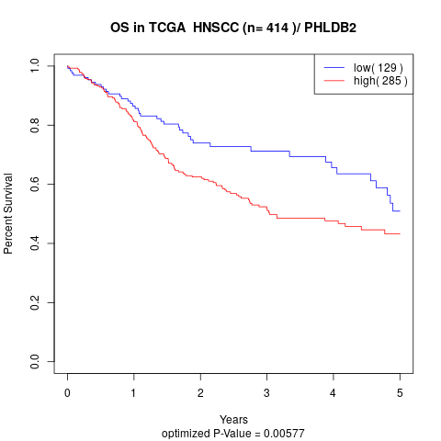

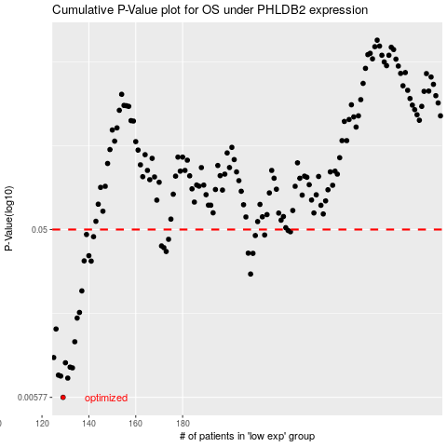

 |  |  |  |  |  | cases_OS | p_OS | rank | exp
 |  |  |  |  |  | 129 | 0.00577 | 394 | -0.42730833439
 |  |  |  |  |  | 131 | 0.00739 | 254 | -0.41364760503
 |  |  |  |  |  | 128 | 0.00759 | 151 | -0.42858340693
 |  |  |  |  |  | 127 | 0.00768 | 306 | -0.43004214754
 |  |  |  |  |  | 133 | 0.00843 | 339 | -0.40528243822
 |  |  |  |  |  | 132 | 0.00851 | 277 | -0.41201433307
 |  |  |  |  |  | 130 | 0.009 | 268 | -0.42285181613
 |  |  |  |  |  | 125 | 0.00963 | 207 | -0.44487477788
 |  |  |  |  |  | 134 | 0.0118 | 163 | -0.3969846297
 |  |  |  |  |  | 126 | 0.0139 | 205 | -0.43692483161
 |  |  |  |  |  | 135 | 0.016 | 212 | -0.39393750043
 |  |  |  |  |  | 136 | 0.0172 | 185 | -0.39360317653
 |  |  |  |  |  | 137 | 0.0227 | 225 | -0.3920548027
 |  |  |  |  |  | 209 | 0.0282 | 284 | -0.06995696599
 |  |  |  |  |  | 141 | 0.0333 | 229 | -0.36403075027
 |  |  |  |  |  | 138 | 0.0334 | 289 | -0.37884997563
 |  |  |  |  |  | 140 | 0.0357 | 313 | -0.36417373659
 |  |  |  |  |  | 210 | 0.0368 | 77 | -0.064004560018
 |  |  |  |  |  | 208 | 0.0369 | 406 | -0.072940004843
 |  |  |  |  |  | 173 | 0.0377 | 266 | -0.22258506357
 |  |  |  |  |  | 172 | 0.0396 | 304 | -0.22268483388
 |  |  |  |  |  | 171 | 0.0405 | 172 | -0.22379517871
 |  |  |  |  |  | 174 | 0.0441 | 385 | -0.22145591177
 |  |  |  |  |  | 142 | 0.0456 | 56 | -0.36275334353
 |  |  |  |  |  | 211 | 0.0463 | 371 | -0.057673146918
 |  |  |  |  |  | 215 | 0.0466 | 302 | -0.042932083853
 |  |  |  |  |  | 139 | 0.0469 | 255 | -0.36709435231
 |  |  |  |  |  | 226 | 0.0486 | 97 | 0.0059140852925
 |  |  |  |  |  | 225 | 0.0494 | 291 | 0.0037356779708
 |  |  |  |  |  |  | cases_RFS | p_RFS | rank | exp
 |  |  |  |  |  |  | 128 | 0.00577 | 151 | -0.42858340693
 |  |  |  |  |  |  | 130 | 0.00739 | 268 | -0.42285181613
 |  |  |  |  |  |  | 127 | 0.00759 | 306 | -0.43004214754
 |  |  |  |  |  |  | 126 | 0.00768 | 205 | -0.43692483161
 |  |  |  |  |  |  | 132 | 0.00843 | 277 | -0.41201433307
 |  |  |  |  |  |  | 131 | 0.00851 | 254 | -0.41364760503
 |  |  |  |  |  |  | 129 | 0.009 | 394 | -0.42730833439
 |  |  |  |  |  |  |  | 0.00963 | 90 | -0.45510016743
 |  |  |  |  |  |  | 133 | 0.0118 | 339 | -0.40528243822
 |  |  |  |  |  |  | 125 | 0.0139 | 207 | -0.44487477788
 |  |  |  |  |  |  | 134 | 0.016 | 163 | -0.3969846297
 |  |  |  |  |  |  | 135 | 0.0172 | 212 | -0.39393750043
 |  |  |  |  |  |  | 136 | 0.0227 | 185 | -0.39360317653
 |  |  |  |  |  |  | 208 | 0.0282 | 406 | -0.072940004843
 |  |  |  |  |  |  | 140 | 0.0333 | 313 | -0.36417373659
 |  |  |  |  |  |  | 137 | 0.0334 | 225 | -0.3920548027
 |  |  |  |  |  |  | 139 | 0.0357 | 255 | -0.36709435231
 |  |  |  |  |  |  | 209 | 0.0368 | 284 | -0.06995696599
 |  |  |  |  |  |  | 207 | 0.0369 | 182 | -0.074646837398
 |  |  |  |  |  |  | 172 | 0.0377 | 304 | -0.22268483388
 |  |  |  |  |  |  | 171 | 0.0396 | 172 | -0.22379517871
 |  |  |  |  |  |  | 170 | 0.0405 | 245 | -0.23018788119
 |  |  |  |  |  |  | 173 | 0.0441 | 266 | -0.22258506357
 |  |  |  |  |  |  | 141 | 0.0456 | 229 | -0.36403075027
 |  |  |  |  |  |  | 210 | 0.0463 | 77 | -0.064004560018
 |  |  |  |  |  |  | 214 | 0.0466 | 73 | -0.045215596794
 |  |  |  |  |  |  | 138 | 0.0469 | 289 | -0.37884997563
 |  |  |  |  |  |  | 225 | 0.0486 | 291 | 0.0037356779708
 |  |  |  |  |  |  | 224 | 0.0494 | 315 | 0.00090542907545

