PHLPP1 _multivariate
Reported by Tex Li-Hsing Chi. tex@gate.sinica.edu.tw 2019-08-17

Table 2. The clinicopathological features of HNSCC cohort and PHLPP1 expression. (Chi square test)
Cutoff at -0.306 (49.8%)
 |  | PHLPP1 expression |  | PHLPP1 expression |  | (Optimised)
 | Features | Low | (%) | High | (%) | Case no | P-value | Remark | Matthews
Gender | Female | 154 | 37.1 | 152 | 36.6 | 415 | 0.8463 | 0 | 0
2 | Male | 53 | 12.8 | 56 | 13.5
Age at diagnosis | <=65y | 138 | 33.3 | 136 | 32.8 | 415 | 0.8634 | 0 | 0
4 | >65y | 69 | 16.6 | 72 | 17.3
Clinical T Status | T1+T2 | 78 | 18.8 | 71 | 17.1 | 415 | 0.5152 | 0 | 0
6 | T3+T4 | 129 | 31.1 | 137 | 33
Clinical N Status | N0 | 103 | 24.8 | 113 | 27.2 | 415 | 0.4047 | 0 | 0
8 | N1-3 | 104 | 25.1 | 95 | 22.9
Clinical M Status | M0 | 204 | 49.2 | 208 | 50.1 | 415 | 0.1232 | 0 | 0
10 | M1 | 3 | 0.7 | 0 | 0
Clinical Stage | Stage I+II | 55 | 13.3 | 47 | 11.3 | 415 | 0.4087 | 0 | 0
12 | Stage III+IV | 152 | 36.6 | 161 | 38.8
Surgical Margin status | Negative | 164 | 39.5 | 154 | 37.1 | 415 | 0.2462 | 0 | 0
14 | Positive | 43 | 10.4 | 54 | 13
Tobacco Exposure | Low | 84 | 20.2 | 77 | 18.6 | 415 | 0.4816 | 0 | 0
16 | High | 123 | 29.6 | 131 | 31.6

Table 3. Univariate/Multivariate Cox's proportional hazards regression analyses on OS time of PHLPP1 gene expression in HNSCC

 |  | Univariate |  |  |  | Multivariate
 | Features | HR | CI95%(L) | CI95%(H) | P-value | HR | CI95%(L) | CI95%(H) | P-value
1 | Female | 1 |  |  |  | 1
Gender | Male | 1.157 | 0.843 | 1.587 | 0.367 | 1.185 | 0.847 | 1.657 | 0.322
11 | <=65y | 1 |  |  |  | 1
Age at diagnosis | >65y | 1.329 | 0.99 | 1.784 | 0.058 | 1.382 | 1.017 | 1.878 | 0.039
12 | T1+T2 | 1 |  |  |  | 1
Clinical T Status | T3+T4 | 1.409 | 1.028 | 1.931 | 0.033 | 2.168 | 1.146 | 4.101 | 0.017
13 | N0 | 1 |  |  |  | 1
Clinical N Status | N1-3 | 1.185 | 0.89 | 1.577 | 0.246 | 1.227 | 0.859 | 1.751 | 0.26
14 | M0 | 1 |  |  |  | 1
Clinical M Status | M1 | 4.097 | 1.009 | 16.644 | 0.049 | 8.58 | 1.855 | 39.684 | 0.006
15 | Stage I+II | 1 |  |  |  | 1
Clinical Stage | Stage III+IV | 1.245 | 0.882 | 1.759 | 0.213 | 0.519 | 0.241 | 1.115 | 0.093
16 | Negative | 1 |  |  |  | 1
Surgical Margin status | Positive | 1.591 | 1.155 | 2.191 | 0.004 | 1.676 | 1.213 | 2.314 | 0.002
17 | Low | 1 |  |  |  | 1
Tobacco Exposure | High | 1.364 | 1.008 | 1.844 | 0.044 | 1.462 | 1.061 | 2.013 | 0.02
18 | Low | 1 |  |  |  | 1
RNAseq(z-score) | High | 0.843 | 0.633 | 1.124 | 0.244 | 0.857 | 0.64 | 1.148 | 0.302

Table 4. Univariate/Multivariate Cox's proportional hazards regression analyses on RFS time of PHLPP1 gene expression in HNSCC

 |  | Univariate |  |  |  | Multivariate
 | Features | HR | CI95%(L) | CI95%(H) | P-value | HR | CI95%(L) | CI95%(H) | P-value
1 | Female | 1 |  |  |  | 1
Gender | Male | 1.157 | 0.843 | 1.587 | 0.367 | 1.185 | 0.847 | 1.657 | 0.322
11 | <=65y | 1 |  |  |  | 1
Age at diagnosis | >65y | 1.329 | 0.99 | 1.784 | 0.058 | 1.382 | 1.017 | 1.878 | 0.039
12 | T1+T2 | 1 |  |  |  | 1
Clinical T Status | T3+T4 | 1.409 | 1.028 | 1.931 | 0.033 | 2.168 | 1.146 | 4.101 | 0.017
13 | N0 | 1 |  |  |  | 1
Clinical N Status | N1-3 | 1.185 | 0.89 | 1.577 | 0.246 | 1.227 | 0.859 | 1.751 | 0.26
14 | M0 | 1 |  |  |  | 1
Clinical M Status | M1 | 4.097 | 1.009 | 16.644 | 0.049 | 8.58 | 1.855 | 39.684 | 0.006
15 | Stage I+II | 1 |  |  |  | 1
Clinical Stage | Stage III+IV | 1.245 | 0.882 | 1.759 | 0.213 | 0.519 | 0.241 | 1.115 | 0.093
16 | Negative | 1 |  |  |  | 1
Surgical Margin status | Positive | 1.591 | 1.155 | 2.191 | 0.004 | 1.676 | 1.213 | 2.314 | 0.002
17 | Low | 1 |  |  |  | 1
Tobacco Exposure | High | 1.364 | 1.008 | 1.844 | 0.044 | 1.462 | 1.061 | 2.013 | 0.02
18 | Low | 1 |  |  |  | 1
RNAseq(z-score) | High | 0.843 | 0.633 | 1.124 | 0.244 | 0.857 | 0.64 | 1.148 | 0.302

Kaplan-Meier survival estimate: Cutoff at -0.306 (49.8%)



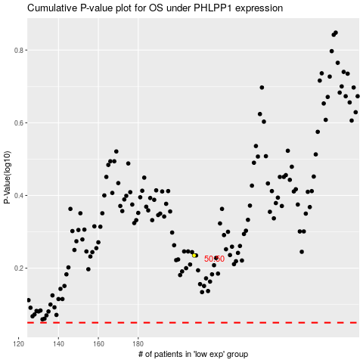

 |  |  |  |  |  | cases_OS | p_OS | rank | exp
 |  |  |  |  |  |  | cases_RFS | p_RFS | rank | exp

