PHRF1 _multivariate
Reported by Tex Li-Hsing Chi. tex@gate.sinica.edu.tw 2019-08-17

Table 2. The clinicopathological features of HNSCC cohort and PHRF1 expression. (Chi square test)
Cutoff at 0.039 (49.8%)
 |  | PHRF1 expression |  | PHRF1 expression |  | (Optimised)
 | Features | Low | (%) | High | (%) | Case no | P-value | Remark | Matthews
Gender | Female | 159 | 38.3 | 147 | 35.4 | 415 | 0.1905 | 0 | 0
2 | Male | 48 | 11.6 | 61 | 14.7
Age at diagnosis | <=65y | 138 | 33.3 | 136 | 32.8 | 415 | 0.8634 | 0 | 0
4 | >65y | 69 | 16.6 | 72 | 17.3
Clinical T Status | T1+T2 | 73 | 17.6 | 76 | 18.3 | 415 | 0.8666 | 0 | 0
6 | T3+T4 | 134 | 32.3 | 132 | 31.8
Clinical N Status | N0 | 107 | 25.8 | 109 | 26.3 | 415 | 0.9624 | 0 | 0
8 | N1-3 | 100 | 24.1 | 99 | 23.9
Clinical M Status | M0 | 206 | 49.6 | 206 | 49.6 | 415 | 1 | 0 | 0
10 | M1 | 1 | 0.2 | 2 | 0.5
Clinical Stage | Stage I+II | 51 | 12.3 | 51 | 12.3 | 415 | 1 | 0 | 0
12 | Stage III+IV | 156 | 37.6 | 157 | 37.8
Surgical Margin status | Negative | 158 | 38.1 | 160 | 38.6 | 415 | 0.9081 | 0 | 0
14 | Positive | 49 | 11.8 | 48 | 11.6
Tobacco Exposure | Low | 66 | 15.9 | 95 | 22.9 | 415 | 0.0048 | 1 | 0
16 | High | 141 | 34 | 113 | 27.2

Table 3. Univariate/Multivariate Cox's proportional hazards regression analyses on OS time of PHRF1 gene expression in HNSCC

 |  | Univariate |  |  |  | Multivariate
 | Features | HR | CI95%(L) | CI95%(H) | P-value | HR | CI95%(L) | CI95%(H) | P-value
1 | Female | 1 |  |  |  | 1
Gender | Male | 1.157 | 0.843 | 1.587 | 0.367 | 1.202 | 0.86 | 1.679 | 0.281
11 | <=65y | 1 |  |  |  | 1
Age at diagnosis | >65y | 1.329 | 0.99 | 1.784 | 0.058 | 1.387 | 1.02 | 1.886 | 0.037
12 | T1+T2 | 1 |  |  |  | 1
Clinical T Status | T3+T4 | 1.409 | 1.028 | 1.931 | 0.033 | 2.199 | 1.163 | 4.158 | 0.015
13 | N0 | 1 |  |  |  | 1
Clinical N Status | N1-3 | 1.185 | 0.89 | 1.577 | 0.246 | 1.238 | 0.868 | 1.767 | 0.238
14 | M0 | 1 |  |  |  | 1
Clinical M Status | M1 | 4.097 | 1.009 | 16.644 | 0.049 | 9.559 | 2.081 | 43.909 | 0.004
15 | Stage I+II | 1 |  |  |  | 1
Clinical Stage | Stage III+IV | 1.245 | 0.882 | 1.759 | 0.213 | 0.504 | 0.235 | 1.083 | 0.079
16 | Negative | 1 |  |  |  | 1
Surgical Margin status | Positive | 1.591 | 1.155 | 2.191 | 0.004 | 1.678 | 1.214 | 2.321 | 0.002
17 | Low | 1 |  |  |  | 1
Tobacco Exposure | High | 1.364 | 1.008 | 1.844 | 0.044 | 1.441 | 1.043 | 1.99 | 0.027
18 | Low | 1 |  |  |  | 1
RNAseq(z-score) | High | 0.923 | 0.693 | 1.23 | 0.584 | 0.943 | 0.704 | 1.262 | 0.693

Table 4. Univariate/Multivariate Cox's proportional hazards regression analyses on RFS time of PHRF1 gene expression in HNSCC

 |  | Univariate |  |  |  | Multivariate
 | Features | HR | CI95%(L) | CI95%(H) | P-value | HR | CI95%(L) | CI95%(H) | P-value
1 | Female | 1 |  |  |  | 1
Gender | Male | 1.157 | 0.843 | 1.587 | 0.367 | 1.202 | 0.86 | 1.679 | 0.281
11 | <=65y | 1 |  |  |  | 1
Age at diagnosis | >65y | 1.329 | 0.99 | 1.784 | 0.058 | 1.387 | 1.02 | 1.886 | 0.037
12 | T1+T2 | 1 |  |  |  | 1
Clinical T Status | T3+T4 | 1.409 | 1.028 | 1.931 | 0.033 | 2.199 | 1.163 | 4.158 | 0.015
13 | N0 | 1 |  |  |  | 1
Clinical N Status | N1-3 | 1.185 | 0.89 | 1.577 | 0.246 | 1.238 | 0.868 | 1.767 | 0.238
14 | M0 | 1 |  |  |  | 1
Clinical M Status | M1 | 4.097 | 1.009 | 16.644 | 0.049 | 9.559 | 2.081 | 43.909 | 0.004
15 | Stage I+II | 1 |  |  |  | 1
Clinical Stage | Stage III+IV | 1.245 | 0.882 | 1.759 | 0.213 | 0.504 | 0.235 | 1.083 | 0.079
16 | Negative | 1 |  |  |  | 1
Surgical Margin status | Positive | 1.591 | 1.155 | 2.191 | 0.004 | 1.678 | 1.214 | 2.321 | 0.002
17 | Low | 1 |  |  |  | 1
Tobacco Exposure | High | 1.364 | 1.008 | 1.844 | 0.044 | 1.441 | 1.043 | 1.99 | 0.027
18 | Low | 1 |  |  |  | 1
RNAseq(z-score) | High | 0.923 | 0.693 | 1.23 | 0.584 | 0.943 | 0.704 | 1.262 | 0.693

Kaplan-Meier survival estimate: Cutoff at 0.039 (49.8%)



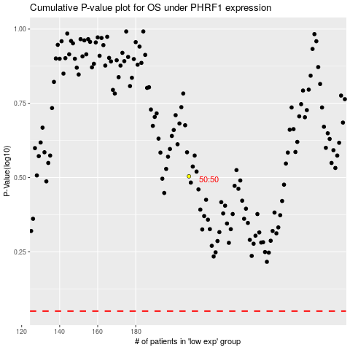

 |  |  |  |  |  | cases_OS | p_OS | rank | exp
 |  |  |  |  |  |  | cases_RFS | p_RFS | rank | exp

