PHTF1 _multivariate
Reported by Tex Li-Hsing Chi. tex@gate.sinica.edu.tw 2019-08-17

Table 2. The clinicopathological features of HNSCC cohort and PHTF1 expression. (Chi square test)
Cutoff at -0.115 (50.0%)
 |  | PHTF1 expression |  | PHTF1 expression |  | (Optimised)
 | Features | Low | (%) | High | (%) | Case no | P-value | Remark | Matthews
Gender | Female | 155 | 37.3 | 151 | 36.4 | 415 | 0.6768 | 0 | 0
2 | Male | 52 | 12.5 | 57 | 13.7
Age at diagnosis | <=65y | 133 | 32 | 141 | 34 | 415 | 0.5111 | 0 | 0
4 | >65y | 74 | 17.8 | 67 | 16.1
Clinical T Status | T1+T2 | 72 | 17.3 | 77 | 18.6 | 415 | 0.7095 | 0 | 0
6 | T3+T4 | 135 | 32.5 | 131 | 31.6
Clinical N Status | N0 | 115 | 27.7 | 101 | 24.3 | 415 | 0.184 | 1 | 0
8 | N1-3 | 92 | 22.2 | 107 | 25.8
Clinical M Status | M0 | 204 | 49.2 | 208 | 50.1 | 415 | 0.1232 | 0 | 0
10 | M1 | 3 | 0.7 | 0 | 0
Clinical Stage | Stage I+II | 53 | 12.8 | 49 | 11.8 | 415 | 0.7113 | 0 | 0
12 | Stage III+IV | 154 | 37.1 | 159 | 38.3
Surgical Margin status | Negative | 161 | 38.8 | 157 | 37.8 | 415 | 0.6429 | 0 | 0
14 | Positive | 46 | 11.1 | 51 | 12.3
Tobacco Exposure | Low | 84 | 20.2 | 77 | 18.6 | 415 | 0.4816 | 0 | 0
16 | High | 123 | 29.6 | 131 | 31.6

Table 3. Univariate/Multivariate Cox's proportional hazards regression analyses on OS time of PHTF1 gene expression in HNSCC

 |  | Univariate |  |  |  | Multivariate
 | Features | HR | CI95%(L) | CI95%(H) | P-value | HR | CI95%(L) | CI95%(H) | P-value
1 | Female | 1 |  |  |  | 1
Gender | Male | 1.157 | 0.843 | 1.587 | 0.367 | 1.195 | 0.855 | 1.671 | 0.297
11 | <=65y | 1 |  |  |  | 1
Age at diagnosis | >65y | 1.329 | 0.99 | 1.784 | 0.058 | 1.397 | 1.027 | 1.899 | 0.033
12 | T1+T2 | 1 |  |  |  | 1
Clinical T Status | T3+T4 | 1.409 | 1.028 | 1.931 | 0.033 | 2.188 | 1.157 | 4.139 | 0.016
13 | N0 | 1 |  |  |  | 1
Clinical N Status | N1-3 | 1.185 | 0.89 | 1.577 | 0.246 | 1.25 | 0.875 | 1.785 | 0.22
14 | M0 | 1 |  |  |  | 1
Clinical M Status | M1 | 4.097 | 1.009 | 16.644 | 0.049 | 8.942 | 1.931 | 41.419 | 0.005
15 | Stage I+II | 1 |  |  |  | 1
Clinical Stage | Stage III+IV | 1.245 | 0.882 | 1.759 | 0.213 | 0.507 | 0.236 | 1.089 | 0.082
16 | Negative | 1 |  |  |  | 1
Surgical Margin status | Positive | 1.591 | 1.155 | 2.191 | 0.004 | 1.665 | 1.205 | 2.301 | 0.002
17 | Low | 1 |  |  |  | 1
Tobacco Exposure | High | 1.364 | 1.008 | 1.844 | 0.044 | 1.457 | 1.057 | 2.007 | 0.021
18 | Low | 1 |  |  |  | 1
RNAseq(z-score) | High | 0.891 | 0.669 | 1.188 | 0.433 | 0.922 | 0.689 | 1.233 | 0.585

Table 4. Univariate/Multivariate Cox's proportional hazards regression analyses on RFS time of PHTF1 gene expression in HNSCC

 |  | Univariate |  |  |  | Multivariate
 | Features | HR | CI95%(L) | CI95%(H) | P-value | HR | CI95%(L) | CI95%(H) | P-value
1 | Female | 1 |  |  |  | 1
Gender | Male | 1.157 | 0.843 | 1.587 | 0.367 | 1.195 | 0.855 | 1.671 | 0.297
11 | <=65y | 1 |  |  |  | 1
Age at diagnosis | >65y | 1.329 | 0.99 | 1.784 | 0.058 | 1.397 | 1.027 | 1.899 | 0.033
12 | T1+T2 | 1 |  |  |  | 1
Clinical T Status | T3+T4 | 1.409 | 1.028 | 1.931 | 0.033 | 2.188 | 1.157 | 4.139 | 0.016
13 | N0 | 1 |  |  |  | 1
Clinical N Status | N1-3 | 1.185 | 0.89 | 1.577 | 0.246 | 1.25 | 0.875 | 1.785 | 0.22
14 | M0 | 1 |  |  |  | 1
Clinical M Status | M1 | 4.097 | 1.009 | 16.644 | 0.049 | 8.942 | 1.931 | 41.419 | 0.005
15 | Stage I+II | 1 |  |  |  | 1
Clinical Stage | Stage III+IV | 1.245 | 0.882 | 1.759 | 0.213 | 0.507 | 0.236 | 1.089 | 0.082
16 | Negative | 1 |  |  |  | 1
Surgical Margin status | Positive | 1.591 | 1.155 | 2.191 | 0.004 | 1.665 | 1.205 | 2.301 | 0.002
17 | Low | 1 |  |  |  | 1
Tobacco Exposure | High | 1.364 | 1.008 | 1.844 | 0.044 | 1.457 | 1.057 | 2.007 | 0.021
18 | Low | 1 |  |  |  | 1
RNAseq(z-score) | High | 0.891 | 0.669 | 1.188 | 0.433 | 0.922 | 0.689 | 1.233 | 0.585

Kaplan-Meier survival estimate: Cutoff at -0.115 (50.0%)



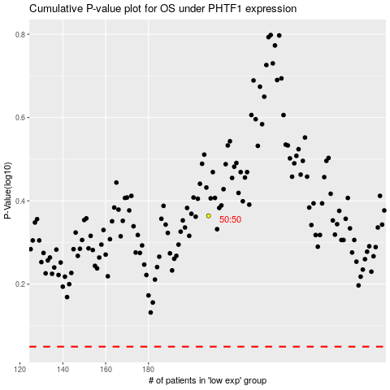

 |  |  |  |  |  | cases_OS | p_OS | rank | exp
 |  |  |  |  |  |  | cases_RFS | p_RFS | rank | exp

