PHYHIP _multivariate
Reported by Tex Li-Hsing Chi. tex@gate.sinica.edu.tw 2019-08-17

Table 2. The clinicopathological features of HNSCC cohort and PHYHIP expression. (Chi square test)
Cutoff at -0.293 (49.8%)
 |  | PHYHIP expression |  | PHYHIP expression |  | (Optimised)
 | Features | Low | (%) | High | (%) | Case no | P-value | Remark | Matthews
Gender | Female | 140 | 33.7 | 166 | 40 | 415 | 0.0068 | 1 | 0
2 | Male | 67 | 16.1 | 42 | 10.1
Age at diagnosis | <=65y | 128 | 30.8 | 146 | 35.2 | 415 | 0.0904 | 0 | 0
4 | >65y | 79 | 19 | 62 | 14.9
Clinical T Status | T1+T2 | 71 | 17.1 | 78 | 18.8 | 415 | 0.5638 | 0 | 0
6 | T3+T4 | 136 | 32.8 | 130 | 31.3
Clinical N Status | N0 | 107 | 25.8 | 109 | 26.3 | 415 | 0.9624 | 0 | 0
8 | N1-3 | 100 | 24.1 | 99 | 23.9
Clinical M Status | M0 | 204 | 49.2 | 208 | 50.1 | 415 | 0.1232 | 0 | 0
10 | M1 | 3 | 0.7 | 0 | 0
Clinical Stage | Stage I+II | 49 | 11.8 | 53 | 12.8 | 415 | 0.7535 | 0 | 0
12 | Stage III+IV | 158 | 38.1 | 155 | 37.3
Surgical Margin status | Negative | 159 | 38.3 | 159 | 38.3 | 415 | 1 | 0 | 0
14 | Positive | 48 | 11.6 | 49 | 11.8
Tobacco Exposure | Low | 94 | 22.7 | 67 | 16.1 | 415 | 0.0065 | 1 | 0
16 | High | 113 | 27.2 | 141 | 34

Table 3. Univariate/Multivariate Cox's proportional hazards regression analyses on OS time of PHYHIP gene expression in HNSCC

 |  | Univariate |  |  |  | Multivariate
 | Features | HR | CI95%(L) | CI95%(H) | P-value | HR | CI95%(L) | CI95%(H) | P-value
1 | Female | 1 |  |  |  | 1
Gender | Male | 1.157 | 0.843 | 1.587 | 0.367 | 1.182 | 0.846 | 1.652 | 0.327
11 | <=65y | 1 |  |  |  | 1
Age at diagnosis | >65y | 1.329 | 0.99 | 1.784 | 0.058 | 1.388 | 1.021 | 1.888 | 0.036
12 | T1+T2 | 1 |  |  |  | 1
Clinical T Status | T3+T4 | 1.409 | 1.028 | 1.931 | 0.033 | 2.213 | 1.171 | 4.183 | 0.015
13 | N0 | 1 |  |  |  | 1
Clinical N Status | N1-3 | 1.185 | 0.89 | 1.577 | 0.246 | 1.258 | 0.881 | 1.795 | 0.206
14 | M0 | 1 |  |  |  | 1
Clinical M Status | M1 | 4.097 | 1.009 | 16.644 | 0.049 | 8.547 | 1.852 | 39.452 | 0.006
15 | Stage I+II | 1 |  |  |  | 1
Clinical Stage | Stage III+IV | 1.245 | 0.882 | 1.759 | 0.213 | 0.503 | 0.234 | 1.08 | 0.078
16 | Negative | 1 |  |  |  | 1
Surgical Margin status | Positive | 1.591 | 1.155 | 2.191 | 0.004 | 1.666 | 1.206 | 2.302 | 0.002
17 | Low | 1 |  |  |  | 1
Tobacco Exposure | High | 1.364 | 1.008 | 1.844 | 0.044 | 1.49 | 1.078 | 2.057 | 0.016
18 | Low | 1 |  |  |  | 1
RNAseq(z-score) | High | 0.847 | 0.635 | 1.13 | 0.259 | 0.829 | 0.617 | 1.115 | 0.215

Table 4. Univariate/Multivariate Cox's proportional hazards regression analyses on RFS time of PHYHIP gene expression in HNSCC

 |  | Univariate |  |  |  | Multivariate
 | Features | HR | CI95%(L) | CI95%(H) | P-value | HR | CI95%(L) | CI95%(H) | P-value
1 | Female | 1 |  |  |  | 1
Gender | Male | 1.157 | 0.843 | 1.587 | 0.367 | 1.182 | 0.846 | 1.652 | 0.327
11 | <=65y | 1 |  |  |  | 1
Age at diagnosis | >65y | 1.329 | 0.99 | 1.784 | 0.058 | 1.388 | 1.021 | 1.888 | 0.036
12 | T1+T2 | 1 |  |  |  | 1
Clinical T Status | T3+T4 | 1.409 | 1.028 | 1.931 | 0.033 | 2.213 | 1.171 | 4.183 | 0.015
13 | N0 | 1 |  |  |  | 1
Clinical N Status | N1-3 | 1.185 | 0.89 | 1.577 | 0.246 | 1.258 | 0.881 | 1.795 | 0.206
14 | M0 | 1 |  |  |  | 1
Clinical M Status | M1 | 4.097 | 1.009 | 16.644 | 0.049 | 8.547 | 1.852 | 39.452 | 0.006
15 | Stage I+II | 1 |  |  |  | 1
Clinical Stage | Stage III+IV | 1.245 | 0.882 | 1.759 | 0.213 | 0.503 | 0.234 | 1.08 | 0.078
16 | Negative | 1 |  |  |  | 1
Surgical Margin status | Positive | 1.591 | 1.155 | 2.191 | 0.004 | 1.666 | 1.206 | 2.302 | 0.002
17 | Low | 1 |  |  |  | 1
Tobacco Exposure | High | 1.364 | 1.008 | 1.844 | 0.044 | 1.49 | 1.078 | 2.057 | 0.016
18 | Low | 1 |  |  |  | 1
RNAseq(z-score) | High | 0.847 | 0.635 | 1.13 | 0.259 | 0.829 | 0.617 | 1.115 | 0.215

Kaplan-Meier survival estimate: Cutoff at -0.293 (49.8%)



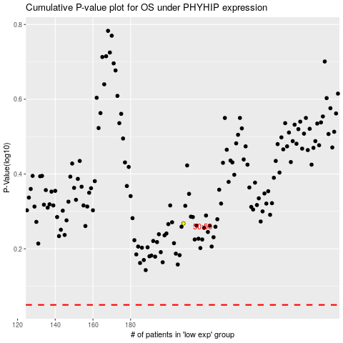

 |  |  |  |  |  | cases_OS | p_OS | rank | exp
 |  |  |  |  |  |  | cases_RFS | p_RFS | rank | exp

