PHYHIPL _multivariate
Reported by Tex Li-Hsing Chi. tex@gate.sinica.edu.tw 2019-08-17

Table 2. The clinicopathological features of HNSCC cohort and PHYHIPL expression. (Chi square test)
Cutoff at -0.237 (50.0%)
 |  | PHYHIPL expression |  | PHYHIPL expression |  | (Optimised)
 | Features | Low | (%) | High | (%) | Case no | P-value | Remark | Matthews
Gender | Female | 154 | 37.1 | 152 | 36.6 | 415 | 0.8463 | 0 | 0
2 | Male | 53 | 12.8 | 56 | 13.5
Age at diagnosis | <=65y | 131 | 31.6 | 143 | 34.5 | 415 | 0.2839 | 0 | 0
4 | >65y | 76 | 18.3 | 65 | 15.7
Clinical T Status | T1+T2 | 63 | 15.2 | 86 | 20.7 | 415 | 0.0268 | 1 | 0
6 | T3+T4 | 144 | 34.7 | 122 | 29.4
Clinical N Status | N0 | 107 | 25.8 | 109 | 26.3 | 415 | 0.9624 | 0 | 0
8 | N1-3 | 100 | 24.1 | 99 | 23.9
Clinical M Status | M0 | 204 | 49.2 | 208 | 50.1 | 415 | 0.1232 | 0 | 0
10 | M1 | 3 | 0.7 | 0 | 0
Clinical Stage | Stage I+II | 44 | 10.6 | 58 | 14 | 415 | 0.1459 | 0 | 0
12 | Stage III+IV | 163 | 39.3 | 150 | 36.1
Surgical Margin status | Negative | 164 | 39.5 | 154 | 37.1 | 415 | 0.2462 | 0 | 0
14 | Positive | 43 | 10.4 | 54 | 13
Tobacco Exposure | Low | 72 | 17.3 | 89 | 21.4 | 415 | 0.1071 | 0 | 0
16 | High | 135 | 32.5 | 119 | 28.7

Table 3. Univariate/Multivariate Cox's proportional hazards regression analyses on OS time of PHYHIPL gene expression in HNSCC

 |  | Univariate |  |  |  | Multivariate
 | Features | HR | CI95%(L) | CI95%(H) | P-value | HR | CI95%(L) | CI95%(H) | P-value
1 | Female | 1 |  |  |  | 1
Gender | Male | 1.157 | 0.843 | 1.587 | 0.367 | 1.202 | 0.859 | 1.682 | 0.282
11 | <=65y | 1 |  |  |  | 1
Age at diagnosis | >65y | 1.329 | 0.99 | 1.784 | 0.058 | 1.391 | 1.023 | 1.892 | 0.035
12 | T1+T2 | 1 |  |  |  | 1
Clinical T Status | T3+T4 | 1.409 | 1.028 | 1.931 | 0.033 | 2.201 | 1.162 | 4.167 | 0.015
13 | N0 | 1 |  |  |  | 1
Clinical N Status | N1-3 | 1.185 | 0.89 | 1.577 | 0.246 | 1.241 | 0.87 | 1.771 | 0.234
14 | M0 | 1 |  |  |  | 1
Clinical M Status | M1 | 4.097 | 1.009 | 16.644 | 0.049 | 9.378 | 2.025 | 43.421 | 0.004
15 | Stage I+II | 1 |  |  |  | 1
Clinical Stage | Stage III+IV | 1.245 | 0.882 | 1.759 | 0.213 | 0.505 | 0.235 | 1.083 | 0.079
16 | Negative | 1 |  |  |  | 1
Surgical Margin status | Positive | 1.591 | 1.155 | 2.191 | 0.004 | 1.672 | 1.209 | 2.315 | 0.002
17 | Low | 1 |  |  |  | 1
Tobacco Exposure | High | 1.364 | 1.008 | 1.844 | 0.044 | 1.453 | 1.054 | 2.002 | 0.023
18 | Low | 1 |  |  |  | 1
RNAseq(z-score) | High | 0.958 | 0.719 | 1.275 | 0.767 | 0.995 | 0.742 | 1.335 | 0.973

Table 4. Univariate/Multivariate Cox's proportional hazards regression analyses on RFS time of PHYHIPL gene expression in HNSCC

 |  | Univariate |  |  |  | Multivariate
 | Features | HR | CI95%(L) | CI95%(H) | P-value | HR | CI95%(L) | CI95%(H) | P-value
1 | Female | 1 |  |  |  | 1
Gender | Male | 1.157 | 0.843 | 1.587 | 0.367 | 1.202 | 0.859 | 1.682 | 0.282
11 | <=65y | 1 |  |  |  | 1
Age at diagnosis | >65y | 1.329 | 0.99 | 1.784 | 0.058 | 1.391 | 1.023 | 1.892 | 0.035
12 | T1+T2 | 1 |  |  |  | 1
Clinical T Status | T3+T4 | 1.409 | 1.028 | 1.931 | 0.033 | 2.201 | 1.162 | 4.167 | 0.015
13 | N0 | 1 |  |  |  | 1
Clinical N Status | N1-3 | 1.185 | 0.89 | 1.577 | 0.246 | 1.241 | 0.87 | 1.771 | 0.234
14 | M0 | 1 |  |  |  | 1
Clinical M Status | M1 | 4.097 | 1.009 | 16.644 | 0.049 | 9.378 | 2.025 | 43.421 | 0.004
15 | Stage I+II | 1 |  |  |  | 1
Clinical Stage | Stage III+IV | 1.245 | 0.882 | 1.759 | 0.213 | 0.505 | 0.235 | 1.083 | 0.079
16 | Negative | 1 |  |  |  | 1
Surgical Margin status | Positive | 1.591 | 1.155 | 2.191 | 0.004 | 1.672 | 1.209 | 2.315 | 0.002
17 | Low | 1 |  |  |  | 1
Tobacco Exposure | High | 1.364 | 1.008 | 1.844 | 0.044 | 1.453 | 1.054 | 2.002 | 0.023
18 | Low | 1 |  |  |  | 1
RNAseq(z-score) | High | 0.958 | 0.719 | 1.275 | 0.767 | 0.995 | 0.742 | 1.335 | 0.973

Kaplan-Meier survival estimate: Cutoff at -0.237 (50.0%)



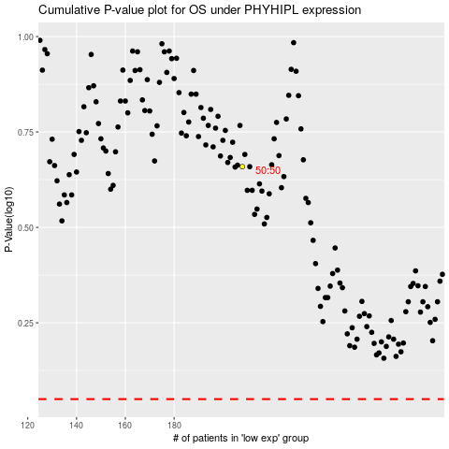

 |  |  |  |  |  | cases_OS | p_OS | rank | exp
 |  |  |  |  |  |  | cases_RFS | p_RFS | rank | exp

