PI15 _multivariate
Reported by Tex Li-Hsing Chi. tex@gate.sinica.edu.tw 2019-08-17

Table 2. The clinicopathological features of HNSCC cohort and PI15 expression. (Chi square test)
Cutoff at -0.235 (50.0%)
 |  | PI15 expression |  | PI15 expression |  | (Optimised)
 | Features | Low | (%) | High | (%) | Case no | P-value | Remark | Matthews
Gender | Female | 154 | 37.1 | 152 | 36.6 | 415 | 0.8463 | 0 | 0
2 | Male | 53 | 12.8 | 56 | 13.5
Age at diagnosis | <=65y | 137 | 33 | 137 | 33 | 415 | 1 | 0 | 0
4 | >65y | 70 | 16.9 | 71 | 17.1
Clinical T Status | T1+T2 | 70 | 16.9 | 79 | 19 | 415 | 0.4343 | 0 | 0
6 | T3+T4 | 137 | 33 | 129 | 31.1
Clinical N Status | N0 | 102 | 24.6 | 114 | 27.5 | 415 | 0.3031 | 0 | 0
8 | N1-3 | 105 | 25.3 | 94 | 22.7
Clinical M Status | M0 | 205 | 49.4 | 207 | 49.9 | 415 | 0.6232 | 0 | 0
10 | M1 | 2 | 0.5 | 1 | 0.2
Clinical Stage | Stage I+II | 42 | 10.1 | 60 | 14.5 | 415 | 0.0561 | 0 | 0
12 | Stage III+IV | 165 | 39.8 | 148 | 35.7
Surgical Margin status | Negative | 156 | 37.6 | 162 | 39 | 415 | 0.5636 | 0 | 0
14 | Positive | 51 | 12.3 | 46 | 11.1
Tobacco Exposure | Low | 87 | 21 | 74 | 17.8 | 415 | 0.1911 | 0 | 0
16 | High | 120 | 28.9 | 134 | 32.3

Table 3. Univariate/Multivariate Cox's proportional hazards regression analyses on OS time of PI15 gene expression in HNSCC

 |  | Univariate |  |  |  | Multivariate
 | Features | HR | CI95%(L) | CI95%(H) | P-value | HR | CI95%(L) | CI95%(H) | P-value
1 | Female | 1 |  |  |  | 1
Gender | Male | 1.157 | 0.843 | 1.587 | 0.367 | 1.201 | 0.86 | 1.678 | 0.282
11 | <=65y | 1 |  |  |  | 1
Age at diagnosis | >65y | 1.329 | 0.99 | 1.784 | 0.058 | 1.396 | 1.027 | 1.898 | 0.033
12 | T1+T2 | 1 |  |  |  | 1
Clinical T Status | T3+T4 | 1.409 | 1.028 | 1.931 | 0.033 | 2.207 | 1.167 | 4.174 | 0.015
13 | N0 | 1 |  |  |  | 1
Clinical N Status | N1-3 | 1.185 | 0.89 | 1.577 | 0.246 | 1.235 | 0.865 | 1.763 | 0.245
14 | M0 | 1 |  |  |  | 1
Clinical M Status | M1 | 4.097 | 1.009 | 16.644 | 0.049 | 9.408 | 2.052 | 43.13 | 0.004
15 | Stage I+II | 1 |  |  |  | 1
Clinical Stage | Stage III+IV | 1.245 | 0.882 | 1.759 | 0.213 | 0.499 | 0.232 | 1.072 | 0.075
16 | Negative | 1 |  |  |  | 1
Surgical Margin status | Positive | 1.591 | 1.155 | 2.191 | 0.004 | 1.666 | 1.205 | 2.303 | 0.002
17 | Low | 1 |  |  |  | 1
Tobacco Exposure | High | 1.364 | 1.008 | 1.844 | 0.044 | 1.468 | 1.062 | 2.029 | 0.02
18 | Low | 1 |  |  |  | 1
RNAseq(z-score) | High | 0.94 | 0.705 | 1.254 | 0.675 | 0.937 | 0.698 | 1.259 | 0.667

Table 4. Univariate/Multivariate Cox's proportional hazards regression analyses on RFS time of PI15 gene expression in HNSCC

 |  | Univariate |  |  |  | Multivariate
 | Features | HR | CI95%(L) | CI95%(H) | P-value | HR | CI95%(L) | CI95%(H) | P-value
1 | Female | 1 |  |  |  | 1
Gender | Male | 1.157 | 0.843 | 1.587 | 0.367 | 1.201 | 0.86 | 1.678 | 0.282
11 | <=65y | 1 |  |  |  | 1
Age at diagnosis | >65y | 1.329 | 0.99 | 1.784 | 0.058 | 1.396 | 1.027 | 1.898 | 0.033
12 | T1+T2 | 1 |  |  |  | 1
Clinical T Status | T3+T4 | 1.409 | 1.028 | 1.931 | 0.033 | 2.207 | 1.167 | 4.174 | 0.015
13 | N0 | 1 |  |  |  | 1
Clinical N Status | N1-3 | 1.185 | 0.89 | 1.577 | 0.246 | 1.235 | 0.865 | 1.763 | 0.245
14 | M0 | 1 |  |  |  | 1
Clinical M Status | M1 | 4.097 | 1.009 | 16.644 | 0.049 | 9.408 | 2.052 | 43.13 | 0.004
15 | Stage I+II | 1 |  |  |  | 1
Clinical Stage | Stage III+IV | 1.245 | 0.882 | 1.759 | 0.213 | 0.499 | 0.232 | 1.072 | 0.075
16 | Negative | 1 |  |  |  | 1
Surgical Margin status | Positive | 1.591 | 1.155 | 2.191 | 0.004 | 1.666 | 1.205 | 2.303 | 0.002
17 | Low | 1 |  |  |  | 1
Tobacco Exposure | High | 1.364 | 1.008 | 1.844 | 0.044 | 1.468 | 1.062 | 2.029 | 0.02
18 | Low | 1 |  |  |  | 1
RNAseq(z-score) | High | 0.94 | 0.705 | 1.254 | 0.675 | 0.937 | 0.698 | 1.259 | 0.667

Kaplan-Meier survival estimate: Cutoff at -0.235 (50.0%)



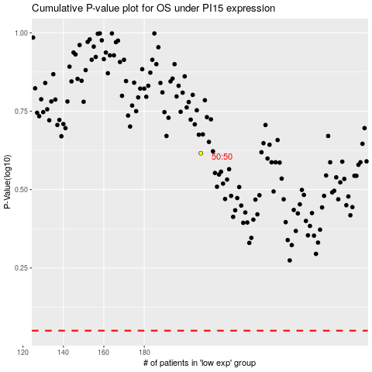

 |  |  |  |  |  | cases_OS | p_OS | rank | exp
 |  |  |  |  |  |  | cases_RFS | p_RFS | rank | exp

