PI16 _multivariate
Reported by Tex Li-Hsing Chi. tex@gate.sinica.edu.tw 2019-08-17

Table 2. The clinicopathological features of HNSCC cohort and PI16 expression. (Chi square test)
Cutoff at -0.215 (50.0%)
 |  | PI16 expression |  | PI16 expression |  | (Optimised)
 | Features | Low | (%) | High | (%) | Case no | P-value | Remark | Matthews
Gender | Female | 156 | 37.6 | 150 | 36.1 | 415 | 0.5222 | 0 | 0
2 | Male | 51 | 12.3 | 58 | 14
Age at diagnosis | <=65y | 135 | 32.5 | 139 | 33.5 | 415 | 0.8084 | 0 | 0
4 | >65y | 72 | 17.3 | 69 | 16.6
Clinical T Status | T1+T2 | 60 | 14.5 | 89 | 21.4 | 415 | 0.0047 | 1 | 0
6 | T3+T4 | 147 | 35.4 | 119 | 28.7
Clinical N Status | N0 | 106 | 25.5 | 110 | 26.5 | 415 | 0.8075 | 0 | 0
8 | N1-3 | 101 | 24.3 | 98 | 23.6
Clinical M Status | M0 | 205 | 49.4 | 207 | 49.9 | 415 | 0.6232 | 0 | 0
10 | M1 | 2 | 0.5 | 1 | 0.2
Clinical Stage | Stage I+II | 42 | 10.1 | 60 | 14.5 | 415 | 0.0561 | 0 | 0
12 | Stage III+IV | 165 | 39.8 | 148 | 35.7
Surgical Margin status | Negative | 161 | 38.8 | 157 | 37.8 | 415 | 0.6429 | 0 | 0
14 | Positive | 46 | 11.1 | 51 | 12.3
Tobacco Exposure | Low | 83 | 20 | 78 | 18.8 | 415 | 0.6152 | 0 | 0
16 | High | 124 | 29.9 | 130 | 31.3

Table 3. Univariate/Multivariate Cox's proportional hazards regression analyses on OS time of PI16 gene expression in HNSCC

 |  | Univariate |  |  |  | Multivariate
 | Features | HR | CI95%(L) | CI95%(H) | P-value | HR | CI95%(L) | CI95%(H) | P-value
1 | Female | 1 |  |  |  | 1
Gender | Male | 1.157 | 0.843 | 1.587 | 0.367 | 1.2 | 0.859 | 1.677 | 0.286
11 | <=65y | 1 |  |  |  | 1
Age at diagnosis | >65y | 1.329 | 0.99 | 1.784 | 0.058 | 1.393 | 1.024 | 1.894 | 0.035
12 | T1+T2 | 1 |  |  |  | 1
Clinical T Status | T3+T4 | 1.409 | 1.028 | 1.931 | 0.033 | 2.207 | 1.166 | 4.175 | 0.015
13 | N0 | 1 |  |  |  | 1
Clinical N Status | N1-3 | 1.185 | 0.89 | 1.577 | 0.246 | 1.241 | 0.87 | 1.77 | 0.234
14 | M0 | 1 |  |  |  | 1
Clinical M Status | M1 | 4.097 | 1.009 | 16.644 | 0.049 | 9.468 | 2.059 | 43.534 | 0.004
15 | Stage I+II | 1 |  |  |  | 1
Clinical Stage | Stage III+IV | 1.245 | 0.882 | 1.759 | 0.213 | 0.505 | 0.235 | 1.083 | 0.079
16 | Negative | 1 |  |  |  | 1
Surgical Margin status | Positive | 1.591 | 1.155 | 2.191 | 0.004 | 1.669 | 1.208 | 2.308 | 0.002
17 | Low | 1 |  |  |  | 1
Tobacco Exposure | High | 1.364 | 1.008 | 1.844 | 0.044 | 1.451 | 1.052 | 2.001 | 0.023
18 | Low | 1 |  |  |  | 1
RNAseq(z-score) | High | 1.006 | 0.755 | 1.34 | 0.969 | 1.02 | 0.762 | 1.364 | 0.896

Table 4. Univariate/Multivariate Cox's proportional hazards regression analyses on RFS time of PI16 gene expression in HNSCC

 |  | Univariate |  |  |  | Multivariate
 | Features | HR | CI95%(L) | CI95%(H) | P-value | HR | CI95%(L) | CI95%(H) | P-value
1 | Female | 1 |  |  |  | 1
Gender | Male | 1.157 | 0.843 | 1.587 | 0.367 | 1.2 | 0.859 | 1.677 | 0.286
11 | <=65y | 1 |  |  |  | 1
Age at diagnosis | >65y | 1.329 | 0.99 | 1.784 | 0.058 | 1.393 | 1.024 | 1.894 | 0.035
12 | T1+T2 | 1 |  |  |  | 1
Clinical T Status | T3+T4 | 1.409 | 1.028 | 1.931 | 0.033 | 2.207 | 1.166 | 4.175 | 0.015
13 | N0 | 1 |  |  |  | 1
Clinical N Status | N1-3 | 1.185 | 0.89 | 1.577 | 0.246 | 1.241 | 0.87 | 1.77 | 0.234
14 | M0 | 1 |  |  |  | 1
Clinical M Status | M1 | 4.097 | 1.009 | 16.644 | 0.049 | 9.468 | 2.059 | 43.534 | 0.004
15 | Stage I+II | 1 |  |  |  | 1
Clinical Stage | Stage III+IV | 1.245 | 0.882 | 1.759 | 0.213 | 0.505 | 0.235 | 1.083 | 0.079
16 | Negative | 1 |  |  |  | 1
Surgical Margin status | Positive | 1.591 | 1.155 | 2.191 | 0.004 | 1.669 | 1.208 | 2.308 | 0.002
17 | Low | 1 |  |  |  | 1
Tobacco Exposure | High | 1.364 | 1.008 | 1.844 | 0.044 | 1.451 | 1.052 | 2.001 | 0.023
18 | Low | 1 |  |  |  | 1
RNAseq(z-score) | High | 1.006 | 0.755 | 1.34 | 0.969 | 1.02 | 0.762 | 1.364 | 0.896

Kaplan-Meier survival estimate: Cutoff at -0.215 (50.0%)



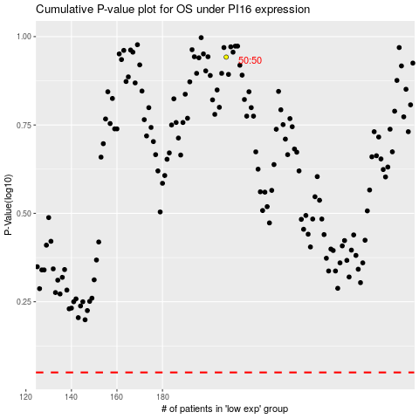

 |  |  |  |  |  | cases_OS | p_OS | rank | exp
 |  |  |  |  |  |  | cases_RFS | p_RFS | rank | exp

