PI3 _multivariate
Reported by Tex Li-Hsing Chi. tex@gate.sinica.edu.tw 2019-08-17

Table 2. The clinicopathological features of HNSCC cohort and PI3 expression. (Chi square test)
Cutoff at -0.392 (50.0%)
 |  | PI3 expression |  | PI3 expression |  | (Optimised)
 | Features | Low | (%) | High | (%) | Case no | P-value | Remark | Matthews
Gender | Female | 162 | 39 | 144 | 34.7 | 415 | 0.0479 | 1 | 0
2 | Male | 45 | 10.8 | 64 | 15.4
Age at diagnosis | <=65y | 141 | 34 | 133 | 32 | 415 | 0.4272 | 0 | 0
4 | >65y | 66 | 15.9 | 75 | 18.1
Clinical T Status | T1+T2 | 86 | 20.7 | 63 | 15.2 | 415 | 0.0221 | 1 | 0
6 | T3+T4 | 121 | 29.2 | 145 | 34.9
Clinical N Status | N0 | 103 | 24.8 | 113 | 27.2 | 415 | 0.4047 | 0 | 0
8 | N1-3 | 104 | 25.1 | 95 | 22.9
Clinical M Status | M0 | 206 | 49.6 | 206 | 49.6 | 415 | 1 | 0 | 0
10 | M1 | 1 | 0.2 | 2 | 0.5
Clinical Stage | Stage I+II | 56 | 13.5 | 46 | 11.1 | 415 | 0.2918 | 0 | 0
12 | Stage III+IV | 151 | 36.4 | 162 | 39
Surgical Margin status | Negative | 150 | 36.1 | 168 | 40.5 | 415 | 0.0492 | 1 | 0
14 | Positive | 57 | 13.7 | 40 | 9.6
Tobacco Exposure | Low | 73 | 17.6 | 88 | 21.2 | 415 | 0.1587 | 0 | 0
16 | High | 134 | 32.3 | 120 | 28.9

Table 3. Univariate/Multivariate Cox's proportional hazards regression analyses on OS time of PI3 gene expression in HNSCC

 |  | Univariate |  |  |  | Multivariate
 | Features | HR | CI95%(L) | CI95%(H) | P-value | HR | CI95%(L) | CI95%(H) | P-value
1 | Female | 1 |  |  |  | 1
Gender | Male | 1.157 | 0.843 | 1.587 | 0.367 | 1.244 | 0.885 | 1.748 | 0.209
11 | <=65y | 1 |  |  |  | 1
Age at diagnosis | >65y | 1.329 | 0.99 | 1.784 | 0.058 | 1.398 | 1.028 | 1.901 | 0.033
12 | T1+T2 | 1 |  |  |  | 1
Clinical T Status | T3+T4 | 1.409 | 1.028 | 1.931 | 0.033 | 2.237 | 1.182 | 4.234 | 0.013
13 | N0 | 1 |  |  |  | 1
Clinical N Status | N1-3 | 1.185 | 0.89 | 1.577 | 0.246 | 1.218 | 0.852 | 1.741 | 0.278
14 | M0 | 1 |  |  |  | 1
Clinical M Status | M1 | 4.097 | 1.009 | 16.644 | 0.049 | 10.137 | 2.196 | 46.784 | 0.003
15 | Stage I+II | 1 |  |  |  | 1
Clinical Stage | Stage III+IV | 1.245 | 0.882 | 1.759 | 0.213 | 0.509 | 0.237 | 1.093 | 0.083
16 | Negative | 1 |  |  |  | 1
Surgical Margin status | Positive | 1.591 | 1.155 | 2.191 | 0.004 | 1.642 | 1.186 | 2.272 | 0.003
17 | Low | 1 |  |  |  | 1
Tobacco Exposure | High | 1.364 | 1.008 | 1.844 | 0.044 | 1.447 | 1.05 | 1.994 | 0.024
18 | Low | 1 |  |  |  | 1
RNAseq(z-score) | High | 0.877 | 0.658 | 1.169 | 0.37 | 0.853 | 0.633 | 1.15 | 0.297

Table 4. Univariate/Multivariate Cox's proportional hazards regression analyses on RFS time of PI3 gene expression in HNSCC

 |  | Univariate |  |  |  | Multivariate
 | Features | HR | CI95%(L) | CI95%(H) | P-value | HR | CI95%(L) | CI95%(H) | P-value
1 | Female | 1 |  |  |  | 1
Gender | Male | 1.157 | 0.843 | 1.587 | 0.367 | 1.244 | 0.885 | 1.748 | 0.209
11 | <=65y | 1 |  |  |  | 1
Age at diagnosis | >65y | 1.329 | 0.99 | 1.784 | 0.058 | 1.398 | 1.028 | 1.901 | 0.033
12 | T1+T2 | 1 |  |  |  | 1
Clinical T Status | T3+T4 | 1.409 | 1.028 | 1.931 | 0.033 | 2.237 | 1.182 | 4.234 | 0.013
13 | N0 | 1 |  |  |  | 1
Clinical N Status | N1-3 | 1.185 | 0.89 | 1.577 | 0.246 | 1.218 | 0.852 | 1.741 | 0.278
14 | M0 | 1 |  |  |  | 1
Clinical M Status | M1 | 4.097 | 1.009 | 16.644 | 0.049 | 10.137 | 2.196 | 46.784 | 0.003
15 | Stage I+II | 1 |  |  |  | 1
Clinical Stage | Stage III+IV | 1.245 | 0.882 | 1.759 | 0.213 | 0.509 | 0.237 | 1.093 | 0.083
16 | Negative | 1 |  |  |  | 1
Surgical Margin status | Positive | 1.591 | 1.155 | 2.191 | 0.004 | 1.642 | 1.186 | 2.272 | 0.003
17 | Low | 1 |  |  |  | 1
Tobacco Exposure | High | 1.364 | 1.008 | 1.844 | 0.044 | 1.447 | 1.05 | 1.994 | 0.024
18 | Low | 1 |  |  |  | 1
RNAseq(z-score) | High | 0.877 | 0.658 | 1.169 | 0.37 | 0.853 | 0.633 | 1.15 | 0.297

Kaplan-Meier survival estimate: Cutoff at -0.392 (50.0%)



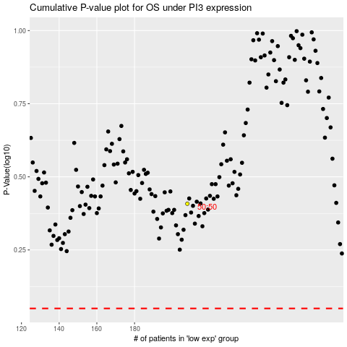

 |  |  |  |  |  | cases_OS | p_OS | rank | exp
 |  |  |  |  |  |  | cases_RFS | p_RFS | rank | exp

