PI4K2B _multivariate
Reported by Tex Li-Hsing Chi. tex@gate.sinica.edu.tw 2019-08-17

Table 2. The clinicopathological features of HNSCC cohort and PI4K2B expression. (Chi square test)
Cutoff at -0.108 (49.8%)
 |  | PI4K2B expression |  | PI4K2B expression |  | (Optimised)
 | Features | Low | (%) | High | (%) | Case no | P-value | Remark | Matthews
Gender | Female | 166 | 40 | 140 | 33.7 | 415 | 0.0041 | 1 | 0
2 | Male | 41 | 9.9 | 68 | 16.4
Age at diagnosis | <=65y | 134 | 32.3 | 140 | 33.7 | 415 | 0.6529 | 0 | 0
4 | >65y | 73 | 17.6 | 68 | 16.4
Clinical T Status | T1+T2 | 68 | 16.4 | 81 | 19.5 | 415 | 0.2336 | 0 | 0
6 | T3+T4 | 139 | 33.5 | 127 | 30.6
Clinical N Status | N0 | 102 | 24.6 | 114 | 27.5 | 415 | 0.3031 | 0 | 0
8 | N1-3 | 105 | 25.3 | 94 | 22.7
Clinical M Status | M0 | 205 | 49.4 | 207 | 49.9 | 415 | 0.6232 | 0 | 0
10 | M1 | 2 | 0.5 | 1 | 0.2
Clinical Stage | Stage I+II | 46 | 11.1 | 56 | 13.5 | 415 | 0.3182 | 0 | 0
12 | Stage III+IV | 161 | 38.8 | 152 | 36.6
Surgical Margin status | Negative | 161 | 38.8 | 157 | 37.8 | 415 | 0.6429 | 0 | 0
14 | Positive | 46 | 11.1 | 51 | 12.3
Tobacco Exposure | Low | 62 | 14.9 | 99 | 23.9 | 415 | 3e-04 | 1 | 0
16 | High | 145 | 34.9 | 109 | 26.3

Table 3. Univariate/Multivariate Cox's proportional hazards regression analyses on OS time of PI4K2B gene expression in HNSCC

 |  | Univariate |  |  |  | Multivariate
 | Features | HR | CI95%(L) | CI95%(H) | P-value | HR | CI95%(L) | CI95%(H) | P-value
1 | Female | 1 |  |  |  | 1
Gender | Male | 1.157 | 0.843 | 1.587 | 0.367 | 1.204 | 0.862 | 1.683 | 0.276
11 | <=65y | 1 |  |  |  | 1
Age at diagnosis | >65y | 1.329 | 0.99 | 1.784 | 0.058 | 1.379 | 1.012 | 1.878 | 0.042
12 | T1+T2 | 1 |  |  |  | 1
Clinical T Status | T3+T4 | 1.409 | 1.028 | 1.931 | 0.033 | 2.194 | 1.16 | 4.149 | 0.016
13 | N0 | 1 |  |  |  | 1
Clinical N Status | N1-3 | 1.185 | 0.89 | 1.577 | 0.246 | 1.239 | 0.868 | 1.768 | 0.239
14 | M0 | 1 |  |  |  | 1
Clinical M Status | M1 | 4.097 | 1.009 | 16.644 | 0.049 | 9.332 | 2.035 | 42.79 | 0.004
15 | Stage I+II | 1 |  |  |  | 1
Clinical Stage | Stage III+IV | 1.245 | 0.882 | 1.759 | 0.213 | 0.502 | 0.234 | 1.078 | 0.077
16 | Negative | 1 |  |  |  | 1
Surgical Margin status | Positive | 1.591 | 1.155 | 2.191 | 0.004 | 1.674 | 1.212 | 2.314 | 0.002
17 | Low | 1 |  |  |  | 1
Tobacco Exposure | High | 1.364 | 1.008 | 1.844 | 0.044 | 1.429 | 1.031 | 1.981 | 0.032
18 | Low | 1 |  |  |  | 1
RNAseq(z-score) | High | 0.841 | 0.631 | 1.121 | 0.238 | 0.924 | 0.687 | 1.243 | 0.601

Table 4. Univariate/Multivariate Cox's proportional hazards regression analyses on RFS time of PI4K2B gene expression in HNSCC

 |  | Univariate |  |  |  | Multivariate
 | Features | HR | CI95%(L) | CI95%(H) | P-value | HR | CI95%(L) | CI95%(H) | P-value
1 | Female | 1 |  |  |  | 1
Gender | Male | 1.157 | 0.843 | 1.587 | 0.367 | 1.204 | 0.862 | 1.683 | 0.276
11 | <=65y | 1 |  |  |  | 1
Age at diagnosis | >65y | 1.329 | 0.99 | 1.784 | 0.058 | 1.379 | 1.012 | 1.878 | 0.042
12 | T1+T2 | 1 |  |  |  | 1
Clinical T Status | T3+T4 | 1.409 | 1.028 | 1.931 | 0.033 | 2.194 | 1.16 | 4.149 | 0.016
13 | N0 | 1 |  |  |  | 1
Clinical N Status | N1-3 | 1.185 | 0.89 | 1.577 | 0.246 | 1.239 | 0.868 | 1.768 | 0.239
14 | M0 | 1 |  |  |  | 1
Clinical M Status | M1 | 4.097 | 1.009 | 16.644 | 0.049 | 9.332 | 2.035 | 42.79 | 0.004
15 | Stage I+II | 1 |  |  |  | 1
Clinical Stage | Stage III+IV | 1.245 | 0.882 | 1.759 | 0.213 | 0.502 | 0.234 | 1.078 | 0.077
16 | Negative | 1 |  |  |  | 1
Surgical Margin status | Positive | 1.591 | 1.155 | 2.191 | 0.004 | 1.674 | 1.212 | 2.314 | 0.002
17 | Low | 1 |  |  |  | 1
Tobacco Exposure | High | 1.364 | 1.008 | 1.844 | 0.044 | 1.429 | 1.031 | 1.981 | 0.032
18 | Low | 1 |  |  |  | 1
RNAseq(z-score) | High | 0.841 | 0.631 | 1.121 | 0.238 | 0.924 | 0.687 | 1.243 | 0.601

Kaplan-Meier survival estimate: Cutoff at -0.108 (49.8%)



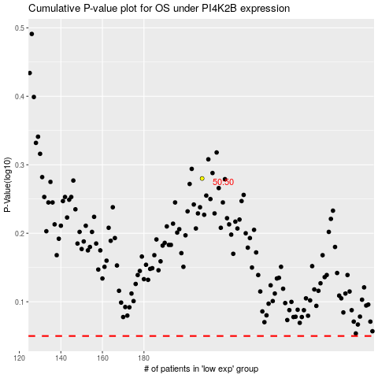

 |  |  |  |  |  | cases_OS | p_OS | rank | exp
 |  |  |  |  |  |  | cases_RFS | p_RFS | rank | exp

