PIAS2 _multivariate
Reported by Tex Li-Hsing Chi. tex@gate.sinica.edu.tw 2019-08-17

Table 2. The clinicopathological features of HNSCC cohort and PIAS2 expression. (Chi square test)
Cutoff at -0.312 (49.8%)
 |  | PIAS2 expression |  | PIAS2 expression |  | (Optimised)
 | Features | Low | (%) | High | (%) | Case no | P-value | Remark | Matthews
Gender | Female | 143 | 34.5 | 163 | 39.3 | 415 | 0.0416 | 1 | 0
2 | Male | 64 | 15.4 | 45 | 10.8
Age at diagnosis | <=65y | 134 | 32.3 | 140 | 33.7 | 415 | 0.6529 | 0 | 0
4 | >65y | 73 | 17.6 | 68 | 16.4
Clinical T Status | T1+T2 | 81 | 19.5 | 68 | 16.4 | 415 | 0.206 | 0 | 0
6 | T3+T4 | 126 | 30.4 | 140 | 33.7
Clinical N Status | N0 | 110 | 26.5 | 106 | 25.5 | 415 | 0.7294 | 0 | 0
8 | N1-3 | 97 | 23.4 | 102 | 24.6
Clinical M Status | M0 | 204 | 49.2 | 208 | 50.1 | 415 | 0.1232 | 0 | 0
10 | M1 | 3 | 0.7 | 0 | 0
Clinical Stage | Stage I+II | 59 | 14.2 | 43 | 10.4 | 415 | 0.0822 | 0 | 0
12 | Stage III+IV | 148 | 35.7 | 165 | 39.8
Surgical Margin status | Negative | 159 | 38.3 | 159 | 38.3 | 415 | 1 | 0 | 0
14 | Positive | 48 | 11.6 | 49 | 11.8
Tobacco Exposure | Low | 93 | 22.4 | 68 | 16.4 | 415 | 0.0118 | 1 | 0
16 | High | 114 | 27.5 | 140 | 33.7

Table 3. Univariate/Multivariate Cox's proportional hazards regression analyses on OS time of PIAS2 gene expression in HNSCC

 |  | Univariate |  |  |  | Multivariate
 | Features | HR | CI95%(L) | CI95%(H) | P-value | HR | CI95%(L) | CI95%(H) | P-value
1 | Female | 1 |  |  |  | 1
Gender | Male | 1.157 | 0.843 | 1.587 | 0.367 | 1.195 | 0.854 | 1.671 | 0.298
11 | <=65y | 1 |  |  |  | 1
Age at diagnosis | >65y | 1.329 | 0.99 | 1.784 | 0.058 | 1.394 | 1.025 | 1.895 | 0.034
12 | T1+T2 | 1 |  |  |  | 1
Clinical T Status | T3+T4 | 1.409 | 1.028 | 1.931 | 0.033 | 2.191 | 1.159 | 4.145 | 0.016
13 | N0 | 1 |  |  |  | 1
Clinical N Status | N1-3 | 1.185 | 0.89 | 1.577 | 0.246 | 1.236 | 0.866 | 1.764 | 0.242
14 | M0 | 1 |  |  |  | 1
Clinical M Status | M1 | 4.097 | 1.009 | 16.644 | 0.049 | 9.047 | 1.955 | 41.876 | 0.005
15 | Stage I+II | 1 |  |  |  | 1
Clinical Stage | Stage III+IV | 1.245 | 0.882 | 1.759 | 0.213 | 0.512 | 0.238 | 1.103 | 0.087
16 | Negative | 1 |  |  |  | 1
Surgical Margin status | Positive | 1.591 | 1.155 | 2.191 | 0.004 | 1.664 | 1.204 | 2.301 | 0.002
17 | Low | 1 |  |  |  | 1
Tobacco Exposure | High | 1.364 | 1.008 | 1.844 | 0.044 | 1.466 | 1.061 | 2.026 | 0.02
18 | Low | 1 |  |  |  | 1
RNAseq(z-score) | High | 0.937 | 0.702 | 1.251 | 0.661 | 0.936 | 0.695 | 1.261 | 0.664

Table 4. Univariate/Multivariate Cox's proportional hazards regression analyses on RFS time of PIAS2 gene expression in HNSCC

 |  | Univariate |  |  |  | Multivariate
 | Features | HR | CI95%(L) | CI95%(H) | P-value | HR | CI95%(L) | CI95%(H) | P-value
1 | Female | 1 |  |  |  | 1
Gender | Male | 1.157 | 0.843 | 1.587 | 0.367 | 1.195 | 0.854 | 1.671 | 0.298
11 | <=65y | 1 |  |  |  | 1
Age at diagnosis | >65y | 1.329 | 0.99 | 1.784 | 0.058 | 1.394 | 1.025 | 1.895 | 0.034
12 | T1+T2 | 1 |  |  |  | 1
Clinical T Status | T3+T4 | 1.409 | 1.028 | 1.931 | 0.033 | 2.191 | 1.159 | 4.145 | 0.016
13 | N0 | 1 |  |  |  | 1
Clinical N Status | N1-3 | 1.185 | 0.89 | 1.577 | 0.246 | 1.236 | 0.866 | 1.764 | 0.242
14 | M0 | 1 |  |  |  | 1
Clinical M Status | M1 | 4.097 | 1.009 | 16.644 | 0.049 | 9.047 | 1.955 | 41.876 | 0.005
15 | Stage I+II | 1 |  |  |  | 1
Clinical Stage | Stage III+IV | 1.245 | 0.882 | 1.759 | 0.213 | 0.512 | 0.238 | 1.103 | 0.087
16 | Negative | 1 |  |  |  | 1
Surgical Margin status | Positive | 1.591 | 1.155 | 2.191 | 0.004 | 1.664 | 1.204 | 2.301 | 0.002
17 | Low | 1 |  |  |  | 1
Tobacco Exposure | High | 1.364 | 1.008 | 1.844 | 0.044 | 1.466 | 1.061 | 2.026 | 0.02
18 | Low | 1 |  |  |  | 1
RNAseq(z-score) | High | 0.937 | 0.702 | 1.251 | 0.661 | 0.936 | 0.695 | 1.261 | 0.664

Kaplan-Meier survival estimate: Cutoff at -0.312 (49.8%)



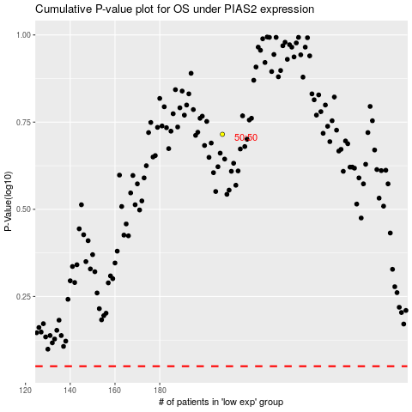

 |  |  |  |  |  | cases_OS | p_OS | rank | exp
 |  |  |  |  |  |  | cases_RFS | p_RFS | rank | exp

