PIAS3 _multivariate
Reported by Tex Li-Hsing Chi. tex@gate.sinica.edu.tw 2019-08-17

Table 2. The clinicopathological features of HNSCC cohort and PIAS3 expression. (Chi square test)
Cutoff at -0.438 (34.3%)
 |  | PIAS3 expression |  | PIAS3 expression |  | (Optimised)
 | Features | Low | (%) | High | (%) | Case no | P-value | Remark | Matthews
Gender | Female | 104 | 25.1 | 202 | 48.7 | 415 | 0.9618 | 0 | 0
2 | Male | 38 | 9.2 | 71 | 17.1
Age at diagnosis | <=65y | 94 | 22.7 | 180 | 43.4 | 415 | 1 | 0 | 0
4 | >65y | 48 | 11.6 | 93 | 22.4
Clinical T Status | T1+T2 | 54 | 13 | 95 | 22.9 | 415 | 0.5872 | 0 | 0
6 | T3+T4 | 88 | 21.2 | 178 | 42.9
Clinical N Status | N0 | 73 | 17.6 | 143 | 34.5 | 415 | 0.9326 | 0 | 0
8 | N1-3 | 69 | 16.6 | 130 | 31.3
Clinical M Status | M0 | 139 | 33.5 | 273 | 65.8 | 415 | 0.0395 | 1 | 0
10 | M1 | 3 | 0.7 | 0 | 0
Clinical Stage | Stage I+II | 39 | 9.4 | 63 | 15.2 | 415 | 0.3871 | 0 | 0
12 | Stage III+IV | 103 | 24.8 | 210 | 50.6
Surgical Margin status | Negative | 109 | 26.3 | 209 | 50.4 | 415 | 1 | 0 | 0
14 | Positive | 33 | 8 | 64 | 15.4
Tobacco Exposure | Low | 42 | 10.1 | 119 | 28.7 | 415 | 0.0058 | 1 | 0
16 | High | 100 | 24.1 | 154 | 37.1

Table 3. Univariate/Multivariate Cox's proportional hazards regression analyses on OS time of PIAS3 gene expression in HNSCC

 |  | Univariate |  |  |  | Multivariate
 | Features | HR | CI95%(L) | CI95%(H) | P-value | HR | CI95%(L) | CI95%(H) | P-value
1 | Female | 1 |  |  |  | 1
Gender | Male | 1.157 | 0.843 | 1.587 | 0.367 | 1.167 | 0.831 | 1.638 | 0.372
11 | <=65y | 1 |  |  |  | 1
Age at diagnosis | >65y | 1.329 | 0.99 | 1.784 | 0.058 | 1.382 | 1.017 | 1.88 | 0.039
12 | T1+T2 | 1 |  |  |  | 1
Clinical T Status | T3+T4 | 1.409 | 1.028 | 1.931 | 0.033 | 2.156 | 1.141 | 4.075 | 0.018
13 | N0 | 1 |  |  |  | 1
Clinical N Status | N1-3 | 1.185 | 0.89 | 1.577 | 0.246 | 1.226 | 0.859 | 1.749 | 0.262
14 | M0 | 1 |  |  |  | 1
Clinical M Status | M1 | 4.097 | 1.009 | 16.644 | 0.049 | 7.741 | 1.662 | 36.053 | 0.009
15 | Stage I+II | 1 |  |  |  | 1
Clinical Stage | Stage III+IV | 1.245 | 0.882 | 1.759 | 0.213 | 0.534 | 0.248 | 1.15 | 0.109
16 | Negative | 1 |  |  |  | 1
Surgical Margin status | Positive | 1.591 | 1.155 | 2.191 | 0.004 | 1.646 | 1.192 | 2.274 | 0.003
17 | Low | 1 |  |  |  | 1
Tobacco Exposure | High | 1.364 | 1.008 | 1.844 | 0.044 | 1.406 | 1.016 | 1.944 | 0.04
18 | Low | 1 |  |  |  | 1
RNAseq(z-score) | High | 0.707 | 0.526 | 0.95 | 0.021 | 0.775 | 0.571 | 1.05 | 0.1

Table 4. Univariate/Multivariate Cox's proportional hazards regression analyses on RFS time of PIAS3 gene expression in HNSCC

 |  | Univariate |  |  |  | Multivariate
 | Features | HR | CI95%(L) | CI95%(H) | P-value | HR | CI95%(L) | CI95%(H) | P-value
1 | Female | 1 |  |  |  | 1
Gender | Male | 1.157 | 0.843 | 1.587 | 0.367 | 1.167 | 0.831 | 1.638 | 0.372
11 | <=65y | 1 |  |  |  | 1
Age at diagnosis | >65y | 1.329 | 0.99 | 1.784 | 0.058 | 1.382 | 1.017 | 1.88 | 0.039
12 | T1+T2 | 1 |  |  |  | 1
Clinical T Status | T3+T4 | 1.409 | 1.028 | 1.931 | 0.033 | 2.156 | 1.141 | 4.075 | 0.018
13 | N0 | 1 |  |  |  | 1
Clinical N Status | N1-3 | 1.185 | 0.89 | 1.577 | 0.246 | 1.226 | 0.859 | 1.749 | 0.262
14 | M0 | 1 |  |  |  | 1
Clinical M Status | M1 | 4.097 | 1.009 | 16.644 | 0.049 | 7.741 | 1.662 | 36.053 | 0.009
15 | Stage I+II | 1 |  |  |  | 1
Clinical Stage | Stage III+IV | 1.245 | 0.882 | 1.759 | 0.213 | 0.534 | 0.248 | 1.15 | 0.109
16 | Negative | 1 |  |  |  | 1
Surgical Margin status | Positive | 1.591 | 1.155 | 2.191 | 0.004 | 1.646 | 1.192 | 2.274 | 0.003
17 | Low | 1 |  |  |  | 1
Tobacco Exposure | High | 1.364 | 1.008 | 1.844 | 0.044 | 1.406 | 1.016 | 1.944 | 0.04
18 | Low | 1 |  |  |  | 1
RNAseq(z-score) | High | 0.707 | 0.526 | 0.95 | 0.021 | 0.775 | 0.571 | 1.05 | 0.1

Kaplan-Meier survival estimate: Cutoff at -0.438 (34.3%)

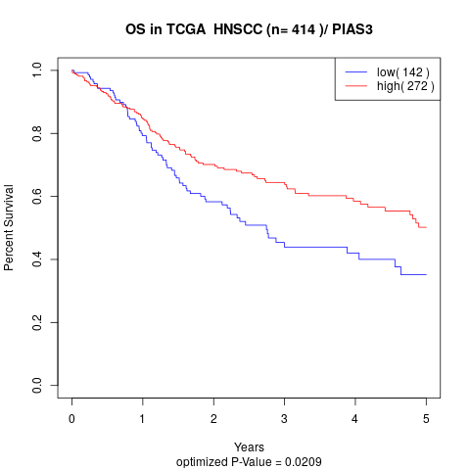

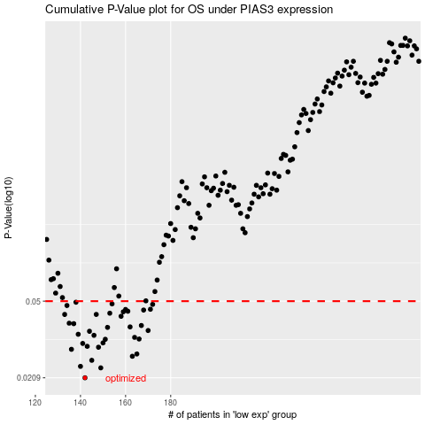

 |  |  |  |  |  | cases_OS | p_OS | rank | exp
 |  |  |  |  |  | 142 | 0.0209 | 190 | -0.43826449428
 |  |  |  |  |  | 149 | 0.0234 | 141 | -0.40564825728
 |  |  |  |  |  | 140 | 0.0238 | 152 | -0.43943707885
 |  |  |  |  |  | 145 | 0.0255 | 399 | -0.4292738663
 |  |  |  |  |  | 163 | 0.0267 | 324 | -0.34586126599
 |  |  |  |  |  | 165 | 0.0274 | 311 | -0.34485265565
 |  |  |  |  |  | 136 | 0.0289 | 127 | -0.47348067959
 |  |  |  |  |  | 148 | 0.0296 | 375 | -0.41166052047
 |  |  |  |  |  | 143 | 0.0299 | 100 | -0.43369910664
 |  |  |  |  |  | 141 | 0.0309 | 108 | -0.43928792609
 |  |  |  |  |  | 150 | 0.0311 | 259 | -0.40552086769
 |  |  |  |  |  | 151 | 0.0324 | 29 | -0.39271042824
 |  |  |  |  |  | 166 | 0.0325 | 194 | -0.33174428591
 |  |  |  |  |  | 164 | 0.0331 | 267 | -0.34512844754
 |  |  |  |  |  | 146 | 0.0339 | 347 | -0.42354396148
 |  |  |  |  |  | 139 | 0.0343 | 191 | -0.45540730538
 |  |  |  |  |  | 144 | 0.0355 | 229 | -0.4325739883
 |  |  |  |  |  | 170 | 0.0358 | 149 | -0.3211171051
 |  |  |  |  |  | 152 | 0.0371 | 305 | -0.38134161114
 |  |  |  |  |  | 162 | 0.0373 | 214 | -0.34641922863
 |  |  |  |  |  | 167 | 0.0379 | 15 | -0.32770684274
 |  |  |  |  |  | 137 | 0.0387 | 59 | -0.46741175711
 |  |  |  |  |  | 135 | 0.0389 | 23 | -0.48255498321
 |  |  |  |  |  | 158 | 0.0421 | 277 | -0.35406166578
 |  |  |  |  |  | 147 | 0.043 | 216 | -0.41267832387
 |  |  |  |  |  | 133 | 0.043 | 415 | -0.49575434551
 |  |  |  |  |  | 153 | 0.0436 | 359 | -0.38110165344
 |  |  |  |  |  | 159 | 0.0443 | 173 | -0.35137316389
 |  |  |  |  |  | 161 | 0.0446 | 323 | -0.34934487402
 |  |  |  |  |  | 168 | 0.0452 | 346 | -0.32507106025
 |  |  |  |  |  | 160 | 0.0455 | 280 | -0.3511971824
 |  |  |  |  |  | 171 | 0.0456 | 298 | -0.31732224622
 |  |  |  |  |  | 134 | 0.0476 | 203 | -0.49104637158
 |  |  |  |  |  | 172 | 0.0482 | 96 | -0.31687441273
 |  |  |  |  |  | 154 | 0.0485 | 158 | -0.38102660803
 |  |  |  |  |  | 138 | 0.0494 | 257 | -0.45867909773
 |  |  |  |  |  |  | cases_RFS | p_RFS | rank | exp
 |  |  |  |  |  |  | 141 | 0.0209 | 108 | -0.43928792609
 |  |  |  |  |  |  | 148 | 0.0234 | 375 | -0.41166052047
 |  |  |  |  |  |  | 139 | 0.0238 | 191 | -0.45540730538
 |  |  |  |  |  |  | 144 | 0.0255 | 229 | -0.4325739883
 |  |  |  |  |  |  | 162 | 0.0267 | 214 | -0.34641922863
 |  |  |  |  |  |  | 164 | 0.0274 | 267 | -0.34512844754
 |  |  |  |  |  |  | 135 | 0.0289 | 23 | -0.48255498321
 |  |  |  |  |  |  | 147 | 0.0296 | 216 | -0.41267832387
 |  |  |  |  |  |  | 142 | 0.0299 | 190 | -0.43826449428
 |  |  |  |  |  |  | 140 | 0.0309 | 152 | -0.43943707885
 |  |  |  |  |  |  | 149 | 0.0311 | 141 | -0.40564825728
 |  |  |  |  |  |  | 150 | 0.0324 | 259 | -0.40552086769
 |  |  |  |  |  |  | 165 | 0.0325 | 311 | -0.34485265565
 |  |  |  |  |  |  | 163 | 0.0331 | 324 | -0.34586126599
 |  |  |  |  |  |  | 145 | 0.0339 | 399 | -0.4292738663
 |  |  |  |  |  |  | 138 | 0.0343 | 257 | -0.45867909773
 |  |  |  |  |  |  | 143 | 0.0355 | 100 | -0.43369910664
 |  |  |  |  |  |  | 169 | 0.0358 | 239 | -0.3225716728
 |  |  |  |  |  |  | 151 | 0.0371 | 29 | -0.39271042824
 |  |  |  |  |  |  | 161 | 0.0373 | 323 | -0.34934487402
 |  |  |  |  |  |  | 166 | 0.0379 | 194 | -0.33174428591
 |  |  |  |  |  |  | 136 | 0.0387 | 127 | -0.47348067959
 |  |  |  |  |  |  | 134 | 0.0389 | 203 | -0.49104637158
 |  |  |  |  |  |  | 157 | 0.0421 | 369 | -0.35510442178
 |  |  |  |  |  |  | 132 | 0.043 | 56 | -0.49682618161
 |  |  |  |  |  |  | 146 | 0.043 | 347 | -0.42354396148
 |  |  |  |  |  |  | 152 | 0.0436 | 305 | -0.38134161114
 |  |  |  |  |  |  | 158 | 0.0443 | 277 | -0.35406166578
 |  |  |  |  |  |  | 160 | 0.0446 | 280 | -0.3511971824
 |  |  |  |  |  |  | 167 | 0.0452 | 15 | -0.32770684274
 |  |  |  |  |  |  | 159 | 0.0455 | 173 | -0.35137316389
 |  |  |  |  |  |  | 170 | 0.0456 | 149 | -0.3211171051
 |  |  |  |  |  |  | 133 | 0.0476 | 415 | -0.49575434551
 |  |  |  |  |  |  | 171 | 0.0482 | 298 | -0.31732224622
 |  |  |  |  |  |  | 153 | 0.0485 | 359 | -0.38110165344
 |  |  |  |  |  |  | 137 | 0.0494 | 59 | -0.46741175711

