PICK1 _multivariate
Reported by Tex Li-Hsing Chi. tex@gate.sinica.edu.tw 2019-08-17

Table 2. The clinicopathological features of HNSCC cohort and PICK1 expression. (Chi square test)
Cutoff at -0.194 (49.8%)
 |  | PICK1 expression |  | PICK1 expression |  | (Optimised)
 | Features | Low | (%) | High | (%) | Case no | P-value | Remark | Matthews
Gender | Female | 154 | 37.1 | 152 | 36.6 | 415 | 0.8463 | 0 | 0
2 | Male | 53 | 12.8 | 56 | 13.5
Age at diagnosis | <=65y | 138 | 33.3 | 136 | 32.8 | 415 | 0.8634 | 0 | 0
4 | >65y | 69 | 16.6 | 72 | 17.3
Clinical T Status | T1+T2 | 71 | 17.1 | 78 | 18.8 | 415 | 0.5638 | 0 | 0
6 | T3+T4 | 136 | 32.8 | 130 | 31.3
Clinical N Status | N0 | 106 | 25.5 | 110 | 26.5 | 415 | 0.8075 | 0 | 0
8 | N1-3 | 101 | 24.3 | 98 | 23.6
Clinical M Status | M0 | 207 | 49.9 | 205 | 49.4 | 415 | 0.2482 | 0 | 0
10 | M1 | 0 | 0 | 3 | 0.7
Clinical Stage | Stage I+II | 51 | 12.3 | 51 | 12.3 | 415 | 1 | 0 | 0
12 | Stage III+IV | 156 | 37.6 | 157 | 37.8
Surgical Margin status | Negative | 169 | 40.7 | 149 | 35.9 | 415 | 0.0201 | 1 | 0
14 | Positive | 38 | 9.2 | 59 | 14.2
Tobacco Exposure | Low | 81 | 19.5 | 80 | 19.3 | 415 | 0.9199 | 0 | 0
16 | High | 126 | 30.4 | 128 | 30.8

Table 3. Univariate/Multivariate Cox's proportional hazards regression analyses on OS time of PICK1 gene expression in HNSCC

 |  | Univariate |  |  |  | Multivariate
 | Features | HR | CI95%(L) | CI95%(H) | P-value | HR | CI95%(L) | CI95%(H) | P-value
1 | Female | 1 |  |  |  | 1
Gender | Male | 1.157 | 0.843 | 1.587 | 0.367 | 1.204 | 0.862 | 1.682 | 0.277
11 | <=65y | 1 |  |  |  | 1
Age at diagnosis | >65y | 1.329 | 0.99 | 1.784 | 0.058 | 1.394 | 1.025 | 1.895 | 0.034
12 | T1+T2 | 1 |  |  |  | 1
Clinical T Status | T3+T4 | 1.409 | 1.028 | 1.931 | 0.033 | 2.192 | 1.158 | 4.148 | 0.016
13 | N0 | 1 |  |  |  | 1
Clinical N Status | N1-3 | 1.185 | 0.89 | 1.577 | 0.246 | 1.236 | 0.866 | 1.765 | 0.244
14 | M0 | 1 |  |  |  | 1
Clinical M Status | M1 | 4.097 | 1.009 | 16.644 | 0.049 | 9.578 | 2.077 | 44.164 | 0.004
15 | Stage I+II | 1 |  |  |  | 1
Clinical Stage | Stage III+IV | 1.245 | 0.882 | 1.759 | 0.213 | 0.509 | 0.236 | 1.094 | 0.084
16 | Negative | 1 |  |  |  | 1
Surgical Margin status | Positive | 1.591 | 1.155 | 2.191 | 0.004 | 1.68 | 1.213 | 2.325 | 0.002
17 | Low | 1 |  |  |  | 1
Tobacco Exposure | High | 1.364 | 1.008 | 1.844 | 0.044 | 1.457 | 1.057 | 2.01 | 0.022
18 | Low | 1 |  |  |  | 1
RNAseq(z-score) | High | 1.04 | 0.78 | 1.385 | 0.791 | 0.961 | 0.717 | 1.288 | 0.789

Table 4. Univariate/Multivariate Cox's proportional hazards regression analyses on RFS time of PICK1 gene expression in HNSCC

 |  | Univariate |  |  |  | Multivariate
 | Features | HR | CI95%(L) | CI95%(H) | P-value | HR | CI95%(L) | CI95%(H) | P-value
1 | Female | 1 |  |  |  | 1
Gender | Male | 1.157 | 0.843 | 1.587 | 0.367 | 1.204 | 0.862 | 1.682 | 0.277
11 | <=65y | 1 |  |  |  | 1
Age at diagnosis | >65y | 1.329 | 0.99 | 1.784 | 0.058 | 1.394 | 1.025 | 1.895 | 0.034
12 | T1+T2 | 1 |  |  |  | 1
Clinical T Status | T3+T4 | 1.409 | 1.028 | 1.931 | 0.033 | 2.192 | 1.158 | 4.148 | 0.016
13 | N0 | 1 |  |  |  | 1
Clinical N Status | N1-3 | 1.185 | 0.89 | 1.577 | 0.246 | 1.236 | 0.866 | 1.765 | 0.244
14 | M0 | 1 |  |  |  | 1
Clinical M Status | M1 | 4.097 | 1.009 | 16.644 | 0.049 | 9.578 | 2.077 | 44.164 | 0.004
15 | Stage I+II | 1 |  |  |  | 1
Clinical Stage | Stage III+IV | 1.245 | 0.882 | 1.759 | 0.213 | 0.509 | 0.236 | 1.094 | 0.084
16 | Negative | 1 |  |  |  | 1
Surgical Margin status | Positive | 1.591 | 1.155 | 2.191 | 0.004 | 1.68 | 1.213 | 2.325 | 0.002
17 | Low | 1 |  |  |  | 1
Tobacco Exposure | High | 1.364 | 1.008 | 1.844 | 0.044 | 1.457 | 1.057 | 2.01 | 0.022
18 | Low | 1 |  |  |  | 1
RNAseq(z-score) | High | 1.04 | 0.78 | 1.385 | 0.791 | 0.961 | 0.717 | 1.288 | 0.789

Kaplan-Meier survival estimate: Cutoff at -0.194 (49.8%)



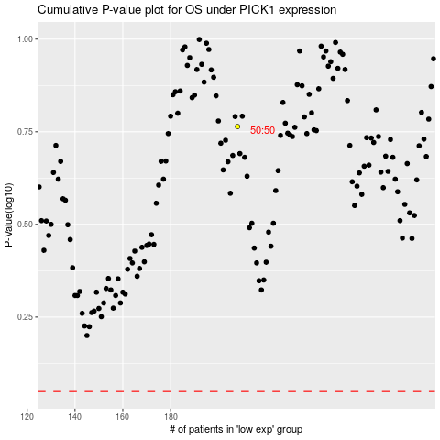

 |  |  |  |  |  | cases_OS | p_OS | rank | exp
 |  |  |  |  |  |  | cases_RFS | p_RFS | rank | exp

