PID1 _multivariate
Reported by Tex Li-Hsing Chi. tex@gate.sinica.edu.tw 2019-08-17

Table 2. The clinicopathological features of HNSCC cohort and PID1 expression. (Chi square test)
Cutoff at -0.281 (49.8%)
 |  | PID1 expression |  | PID1 expression |  | (Optimised)
 | Features | Low | (%) | High | (%) | Case no | P-value | Remark | Matthews
Gender | Female | 148 | 35.7 | 158 | 38.1 | 415 | 0.3567 | 0 | 0
2 | Male | 59 | 14.2 | 50 | 12
Age at diagnosis | <=65y | 132 | 31.8 | 142 | 34.2 | 415 | 0.3874 | 0 | 0
4 | >65y | 75 | 18.1 | 66 | 15.9
Clinical T Status | T1+T2 | 72 | 17.3 | 77 | 18.6 | 415 | 0.7095 | 0 | 0
6 | T3+T4 | 135 | 32.5 | 131 | 31.6
Clinical N Status | N0 | 100 | 24.1 | 116 | 28 | 415 | 0.1548 | 0 | 0
8 | N1-3 | 107 | 25.8 | 92 | 22.2
Clinical M Status | M0 | 205 | 49.4 | 207 | 49.9 | 415 | 0.6232 | 0 | 0
10 | M1 | 2 | 0.5 | 1 | 0.2
Clinical Stage | Stage I+II | 48 | 11.6 | 54 | 13 | 415 | 0.5878 | 0 | 0
12 | Stage III+IV | 159 | 38.3 | 154 | 37.1
Surgical Margin status | Negative | 150 | 36.1 | 168 | 40.5 | 415 | 0.0492 | 1 | 0
14 | Positive | 57 | 13.7 | 40 | 9.6
Tobacco Exposure | Low | 83 | 20 | 78 | 18.8 | 415 | 0.6152 | 0 | 0
16 | High | 124 | 29.9 | 130 | 31.3

Table 3. Univariate/Multivariate Cox's proportional hazards regression analyses on OS time of PID1 gene expression in HNSCC

 |  | Univariate |  |  |  | Multivariate
 | Features | HR | CI95%(L) | CI95%(H) | P-value | HR | CI95%(L) | CI95%(H) | P-value
1 | Female | 1 |  |  |  | 1
Gender | Male | 1.157 | 0.843 | 1.587 | 0.367 | 1.2 | 0.859 | 1.677 | 0.285
11 | <=65y | 1 |  |  |  | 1
Age at diagnosis | >65y | 1.329 | 0.99 | 1.784 | 0.058 | 1.39 | 1.022 | 1.89 | 0.036
12 | T1+T2 | 1 |  |  |  | 1
Clinical T Status | T3+T4 | 1.409 | 1.028 | 1.931 | 0.033 | 2.205 | 1.166 | 4.169 | 0.015
13 | N0 | 1 |  |  |  | 1
Clinical N Status | N1-3 | 1.185 | 0.89 | 1.577 | 0.246 | 1.232 | 0.86 | 1.766 | 0.255
14 | M0 | 1 |  |  |  | 1
Clinical M Status | M1 | 4.097 | 1.009 | 16.644 | 0.049 | 9.409 | 2.052 | 43.133 | 0.004
15 | Stage I+II | 1 |  |  |  | 1
Clinical Stage | Stage III+IV | 1.245 | 0.882 | 1.759 | 0.213 | 0.506 | 0.236 | 1.087 | 0.081
16 | Negative | 1 |  |  |  | 1
Surgical Margin status | Positive | 1.591 | 1.155 | 2.191 | 0.004 | 1.669 | 1.207 | 2.307 | 0.002
17 | Low | 1 |  |  |  | 1
Tobacco Exposure | High | 1.364 | 1.008 | 1.844 | 0.044 | 1.453 | 1.055 | 2.003 | 0.022
18 | Low | 1 |  |  |  | 1
RNAseq(z-score) | High | 0.914 | 0.686 | 1.219 | 0.542 | 0.965 | 0.72 | 1.294 | 0.812

Table 4. Univariate/Multivariate Cox's proportional hazards regression analyses on RFS time of PID1 gene expression in HNSCC

 |  | Univariate |  |  |  | Multivariate
 | Features | HR | CI95%(L) | CI95%(H) | P-value | HR | CI95%(L) | CI95%(H) | P-value
1 | Female | 1 |  |  |  | 1
Gender | Male | 1.157 | 0.843 | 1.587 | 0.367 | 1.2 | 0.859 | 1.677 | 0.285
11 | <=65y | 1 |  |  |  | 1
Age at diagnosis | >65y | 1.329 | 0.99 | 1.784 | 0.058 | 1.39 | 1.022 | 1.89 | 0.036
12 | T1+T2 | 1 |  |  |  | 1
Clinical T Status | T3+T4 | 1.409 | 1.028 | 1.931 | 0.033 | 2.205 | 1.166 | 4.169 | 0.015
13 | N0 | 1 |  |  |  | 1
Clinical N Status | N1-3 | 1.185 | 0.89 | 1.577 | 0.246 | 1.232 | 0.86 | 1.766 | 0.255
14 | M0 | 1 |  |  |  | 1
Clinical M Status | M1 | 4.097 | 1.009 | 16.644 | 0.049 | 9.409 | 2.052 | 43.133 | 0.004
15 | Stage I+II | 1 |  |  |  | 1
Clinical Stage | Stage III+IV | 1.245 | 0.882 | 1.759 | 0.213 | 0.506 | 0.236 | 1.087 | 0.081
16 | Negative | 1 |  |  |  | 1
Surgical Margin status | Positive | 1.591 | 1.155 | 2.191 | 0.004 | 1.669 | 1.207 | 2.307 | 0.002
17 | Low | 1 |  |  |  | 1
Tobacco Exposure | High | 1.364 | 1.008 | 1.844 | 0.044 | 1.453 | 1.055 | 2.003 | 0.022
18 | Low | 1 |  |  |  | 1
RNAseq(z-score) | High | 0.914 | 0.686 | 1.219 | 0.542 | 0.965 | 0.72 | 1.294 | 0.812

Kaplan-Meier survival estimate: Cutoff at -0.281 (49.8%)

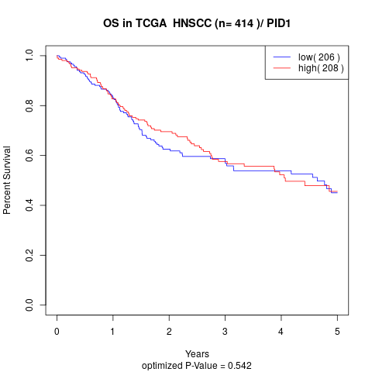

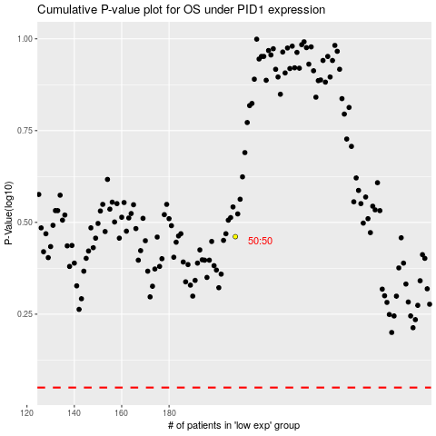

 |  |  |  |  |  | cases_OS | p_OS | rank | exp
 |  |  |  |  |  |  | cases_RFS | p_RFS | rank | exp

