PIF1 _multivariate
Reported by Tex Li-Hsing Chi. tex@gate.sinica.edu.tw 2019-08-17

Table 2. The clinicopathological features of HNSCC cohort and PIF1 expression. (Chi square test)
Cutoff at 0.114 (65.7%)
 |  | PIF1 expression |  | PIF1 expression |  | (Optimised)
 | Features | Low | (%) | High | (%) | Case no | P-value | Remark | Matthews
Gender | Female | 194 | 46.7 | 112 | 27 | 415 | 0.1101 | 0 | 0
2 | Male | 79 | 19 | 30 | 7.2
Age at diagnosis | <=65y | 181 | 43.6 | 93 | 22.4 | 415 | 0.9557 | 0 | 0
4 | >65y | 92 | 22.2 | 49 | 11.8
Clinical T Status | T1+T2 | 91 | 21.9 | 58 | 14 | 415 | 0.1599 | 0 | 0
6 | T3+T4 | 182 | 43.9 | 84 | 20.2
Clinical N Status | N0 | 145 | 34.9 | 71 | 17.1 | 415 | 0.6179 | 0 | 0
8 | N1-3 | 128 | 30.8 | 71 | 17.1
Clinical M Status | M0 | 273 | 65.8 | 139 | 33.5 | 415 | 0.0395 | 1 | 0
10 | M1 | 0 | 0 | 3 | 0.7
Clinical Stage | Stage I+II | 68 | 16.4 | 34 | 8.2 | 415 | 0.9232 | 0 | 0
12 | Stage III+IV | 205 | 49.4 | 108 | 26
Surgical Margin status | Negative | 220 | 53 | 98 | 23.6 | 415 | 0.0102 | 1 | 0
14 | Positive | 53 | 12.8 | 44 | 10.6
Tobacco Exposure | Low | 111 | 26.7 | 50 | 12 | 415 | 0.2904 | 0 | 0
16 | High | 162 | 39 | 92 | 22.2

Table 3. Univariate/Multivariate Cox's proportional hazards regression analyses on OS time of PIF1 gene expression in HNSCC

 |  | Univariate |  |  |  | Multivariate
 | Features | HR | CI95%(L) | CI95%(H) | P-value | HR | CI95%(L) | CI95%(H) | P-value
1 | Female | 1 |  |  |  | 1
Gender | Male | 1.157 | 0.843 | 1.587 | 0.367 | 1.157 | 0.83 | 1.612 | 0.39
11 | <=65y | 1 |  |  |  | 1
Age at diagnosis | >65y | 1.329 | 0.99 | 1.784 | 0.058 | 1.456 | 1.07 | 1.981 | 0.017
12 | T1+T2 | 1 |  |  |  | 1
Clinical T Status | T3+T4 | 1.409 | 1.028 | 1.931 | 0.033 | 2.109 | 1.115 | 3.992 | 0.022
13 | N0 | 1 |  |  |  | 1
Clinical N Status | N1-3 | 1.185 | 0.89 | 1.577 | 0.246 | 1.221 | 0.857 | 1.741 | 0.269
14 | M0 | 1 |  |  |  | 1
Clinical M Status | M1 | 4.097 | 1.009 | 16.644 | 0.049 | 13.354 | 2.858 | 62.395 | 0.001
15 | Stage I+II | 1 |  |  |  | 1
Clinical Stage | Stage III+IV | 1.245 | 0.882 | 1.759 | 0.213 | 0.513 | 0.239 | 1.101 | 0.087
16 | Negative | 1 |  |  |  | 1
Surgical Margin status | Positive | 1.591 | 1.155 | 2.191 | 0.004 | 1.815 | 1.309 | 2.518 | 0
17 | Low | 1 |  |  |  | 1
Tobacco Exposure | High | 1.364 | 1.008 | 1.844 | 0.044 | 1.509 | 1.096 | 2.077 | 0.012
18 | Low | 1 |  |  |  | 1
RNAseq(z-score) | High | 0.677 | 0.489 | 0.937 | 0.019 | 0.594 | 0.424 | 0.831 | 0.002

Table 4. Univariate/Multivariate Cox's proportional hazards regression analyses on RFS time of PIF1 gene expression in HNSCC

 |  | Univariate |  |  |  | Multivariate
 | Features | HR | CI95%(L) | CI95%(H) | P-value | HR | CI95%(L) | CI95%(H) | P-value
1 | Female | 1 |  |  |  | 1
Gender | Male | 1.157 | 0.843 | 1.587 | 0.367 | 1.157 | 0.83 | 1.612 | 0.39
11 | <=65y | 1 |  |  |  | 1
Age at diagnosis | >65y | 1.329 | 0.99 | 1.784 | 0.058 | 1.456 | 1.07 | 1.981 | 0.017
12 | T1+T2 | 1 |  |  |  | 1
Clinical T Status | T3+T4 | 1.409 | 1.028 | 1.931 | 0.033 | 2.109 | 1.115 | 3.992 | 0.022
13 | N0 | 1 |  |  |  | 1
Clinical N Status | N1-3 | 1.185 | 0.89 | 1.577 | 0.246 | 1.221 | 0.857 | 1.741 | 0.269
14 | M0 | 1 |  |  |  | 1
Clinical M Status | M1 | 4.097 | 1.009 | 16.644 | 0.049 | 13.354 | 2.858 | 62.395 | 0.001
15 | Stage I+II | 1 |  |  |  | 1
Clinical Stage | Stage III+IV | 1.245 | 0.882 | 1.759 | 0.213 | 0.513 | 0.239 | 1.101 | 0.087
16 | Negative | 1 |  |  |  | 1
Surgical Margin status | Positive | 1.591 | 1.155 | 2.191 | 0.004 | 1.815 | 1.309 | 2.518 | 0
17 | Low | 1 |  |  |  | 1
Tobacco Exposure | High | 1.364 | 1.008 | 1.844 | 0.044 | 1.509 | 1.096 | 2.077 | 0.012
18 | Low | 1 |  |  |  | 1
RNAseq(z-score) | High | 0.677 | 0.489 | 0.937 | 0.019 | 0.594 | 0.424 | 0.831 | 0.002

Kaplan-Meier survival estimate: Cutoff at 0.114 (65.7%)

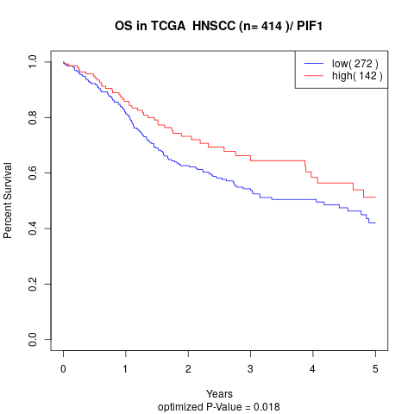

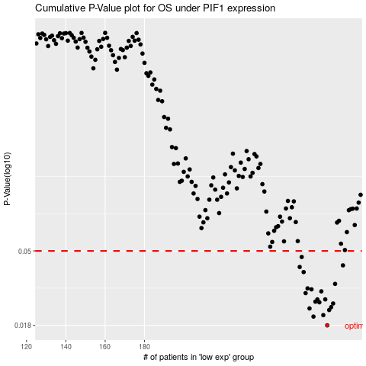

 |  |  |  |  |  | cases_OS | p_OS | rank | exp
 |  |  |  |  |  | 273 | 0.018 | 83 | 0.11423284434
 |  |  |  |  |  | 266 | 0.0203 | 89 | 0.082836196741
 |  |  |  |  |  | 271 | 0.0207 | 328 | 0.10805055034
 |  |  |  |  |  | 274 | 0.0222 | 356 | 0.11639183515
 |  |  |  |  |  | 264 | 0.0227 | 109 | 0.069786010106
 |  |  |  |  |  | 275 | 0.0231 | 197 | 0.13061180587
 |  |  |  |  |  | 276 | 0.0243 | 406 | 0.13375305812
 |  |  |  |  |  | 269 | 0.0247 | 292 | 0.10143764881
 |  |  |  |  |  | 267 | 0.0249 | 25 | 0.092654842445
 |  |  |  |  |  | 272 | 0.0257 | 148 | 0.11366829206
 |  |  |  |  |  | 268 | 0.0257 | 228 | 0.094239359137
 |  |  |  |  |  | 262 | 0.028 | 144 | 0.066903717688
 |  |  |  |  |  | 270 | 0.0287 | 207 | 0.10497676656
 |  |  |  |  |  | 265 | 0.0295 | 115 | 0.074685411125
 |  |  |  |  |  | 263 | 0.0299 | 176 | 0.069150020625
 |  |  |  |  |  | 277 | 0.0318 | 245 | 0.13418961876
 |  |  |  |  |  | 261 | 0.0374 | 409 | 0.062132308311
 |  |  |  |  |  | 259 | 0.0401 | 376 | 0.045057826307
 |  |  |  |  |  | 281 | 0.041 | 192 | 0.17080713476
 |  |  |  |  |  | 260 | 0.046 | 4 | 0.058475120754
 |  |  |  |  |  |  | cases_RFS | p_RFS | rank | exp
 |  |  |  |  |  |  | 272 | 0.018 | 148 | 0.11366829206
 |  |  |  |  |  |  | 265 | 0.0203 | 115 | 0.074685411125
 |  |  |  |  |  |  | 270 | 0.0207 | 207 | 0.10497676656
 |  |  |  |  |  |  | 273 | 0.0222 | 83 | 0.11423284434
 |  |  |  |  |  |  | 263 | 0.0227 | 176 | 0.069150020625
 |  |  |  |  |  |  | 274 | 0.0231 | 356 | 0.11639183515
 |  |  |  |  |  |  | 275 | 0.0243 | 197 | 0.13061180587
 |  |  |  |  |  |  | 268 | 0.0247 | 228 | 0.094239359137
 |  |  |  |  |  |  | 266 | 0.0249 | 89 | 0.082836196741
 |  |  |  |  |  |  | 267 | 0.0257 | 25 | 0.092654842445
 |  |  |  |  |  |  | 271 | 0.0257 | 328 | 0.10805055034
 |  |  |  |  |  |  | 261 | 0.028 | 409 | 0.062132308311
 |  |  |  |  |  |  | 269 | 0.0287 | 292 | 0.10143764881
 |  |  |  |  |  |  | 264 | 0.0295 | 109 | 0.069786010106
 |  |  |  |  |  |  | 262 | 0.0299 | 144 | 0.066903717688
 |  |  |  |  |  |  | 276 | 0.0318 | 406 | 0.13375305812
 |  |  |  |  |  |  | 260 | 0.0374 | 4 | 0.058475120754
 |  |  |  |  |  |  | 258 | 0.0401 | 297 | 0.042029682947
 |  |  |  |  |  |  | 280 | 0.041 | 69 | 0.16490265209
 |  |  |  |  |  |  | 259 | 0.046 | 376 | 0.045057826307

