PIGB _multivariate
Reported by Tex Li-Hsing Chi. tex@gate.sinica.edu.tw 2019-08-17

Table 2. The clinicopathological features of HNSCC cohort and PIGB expression. (Chi square test)
Cutoff at -0.135 (49.8%)
 |  | PIGB expression |  | PIGB expression |  | (Optimised)
 | Features | Low | (%) | High | (%) | Case no | P-value | Remark | Matthews
Gender | Female | 160 | 38.6 | 146 | 35.2 | 415 | 0.1254 | 0 | 0
2 | Male | 47 | 11.3 | 62 | 14.9
Age at diagnosis | <=65y | 146 | 35.2 | 128 | 30.8 | 415 | 0.0672 | 0 | 0
4 | >65y | 61 | 14.7 | 80 | 19.3
Clinical T Status | T1+T2 | 75 | 18.1 | 74 | 17.8 | 415 | 0.9707 | 0 | 0
6 | T3+T4 | 132 | 31.8 | 134 | 32.3
Clinical N Status | N0 | 101 | 24.3 | 115 | 27.7 | 415 | 0.2201 | 0 | 0
8 | N1-3 | 106 | 25.5 | 93 | 22.4
Clinical M Status | M0 | 207 | 49.9 | 205 | 49.4 | 415 | 0.2482 | 0 | 0
10 | M1 | 0 | 0 | 3 | 0.7
Clinical Stage | Stage I+II | 51 | 12.3 | 51 | 12.3 | 415 | 1 | 0 | 0
12 | Stage III+IV | 156 | 37.6 | 157 | 37.8
Surgical Margin status | Negative | 170 | 41 | 148 | 35.7 | 415 | 0.0105 | 1 | 0
14 | Positive | 37 | 8.9 | 60 | 14.5
Tobacco Exposure | Low | 73 | 17.6 | 88 | 21.2 | 415 | 0.1587 | 0 | 0
16 | High | 134 | 32.3 | 120 | 28.9

Table 3. Univariate/Multivariate Cox's proportional hazards regression analyses on OS time of PIGB gene expression in HNSCC

 |  | Univariate |  |  |  | Multivariate
 | Features | HR | CI95%(L) | CI95%(H) | P-value | HR | CI95%(L) | CI95%(H) | P-value
1 | Female | 1 |  |  |  | 1
Gender | Male | 1.157 | 0.843 | 1.587 | 0.367 | 1.215 | 0.868 | 1.7 | 0.257
11 | <=65y | 1 |  |  |  | 1
Age at diagnosis | >65y | 1.329 | 0.99 | 1.784 | 0.058 | 1.396 | 1.026 | 1.898 | 0.034
12 | T1+T2 | 1 |  |  |  | 1
Clinical T Status | T3+T4 | 1.409 | 1.028 | 1.931 | 0.033 | 2.203 | 1.165 | 4.167 | 0.015
13 | N0 | 1 |  |  |  | 1
Clinical N Status | N1-3 | 1.185 | 0.89 | 1.577 | 0.246 | 1.209 | 0.84 | 1.74 | 0.306
14 | M0 | 1 |  |  |  | 1
Clinical M Status | M1 | 4.097 | 1.009 | 16.644 | 0.049 | 10.058 | 2.163 | 46.769 | 0.003
15 | Stage I+II | 1 |  |  |  | 1
Clinical Stage | Stage III+IV | 1.245 | 0.882 | 1.759 | 0.213 | 0.508 | 0.237 | 1.092 | 0.083
16 | Negative | 1 |  |  |  | 1
Surgical Margin status | Positive | 1.591 | 1.155 | 2.191 | 0.004 | 1.71 | 1.228 | 2.38 | 0.001
17 | Low | 1 |  |  |  | 1
Tobacco Exposure | High | 1.364 | 1.008 | 1.844 | 0.044 | 1.457 | 1.057 | 2.008 | 0.022
18 | Low | 1 |  |  |  | 1
RNAseq(z-score) | High | 0.995 | 0.747 | 1.324 | 0.971 | 0.906 | 0.669 | 1.228 | 0.524

Table 4. Univariate/Multivariate Cox's proportional hazards regression analyses on RFS time of PIGB gene expression in HNSCC

 |  | Univariate |  |  |  | Multivariate
 | Features | HR | CI95%(L) | CI95%(H) | P-value | HR | CI95%(L) | CI95%(H) | P-value
1 | Female | 1 |  |  |  | 1
Gender | Male | 1.157 | 0.843 | 1.587 | 0.367 | 1.215 | 0.868 | 1.7 | 0.257
11 | <=65y | 1 |  |  |  | 1
Age at diagnosis | >65y | 1.329 | 0.99 | 1.784 | 0.058 | 1.396 | 1.026 | 1.898 | 0.034
12 | T1+T2 | 1 |  |  |  | 1
Clinical T Status | T3+T4 | 1.409 | 1.028 | 1.931 | 0.033 | 2.203 | 1.165 | 4.167 | 0.015
13 | N0 | 1 |  |  |  | 1
Clinical N Status | N1-3 | 1.185 | 0.89 | 1.577 | 0.246 | 1.209 | 0.84 | 1.74 | 0.306
14 | M0 | 1 |  |  |  | 1
Clinical M Status | M1 | 4.097 | 1.009 | 16.644 | 0.049 | 10.058 | 2.163 | 46.769 | 0.003
15 | Stage I+II | 1 |  |  |  | 1
Clinical Stage | Stage III+IV | 1.245 | 0.882 | 1.759 | 0.213 | 0.508 | 0.237 | 1.092 | 0.083
16 | Negative | 1 |  |  |  | 1
Surgical Margin status | Positive | 1.591 | 1.155 | 2.191 | 0.004 | 1.71 | 1.228 | 2.38 | 0.001
17 | Low | 1 |  |  |  | 1
Tobacco Exposure | High | 1.364 | 1.008 | 1.844 | 0.044 | 1.457 | 1.057 | 2.008 | 0.022
18 | Low | 1 |  |  |  | 1
RNAseq(z-score) | High | 0.995 | 0.747 | 1.324 | 0.971 | 0.906 | 0.669 | 1.228 | 0.524

Kaplan-Meier survival estimate: Cutoff at -0.135 (49.8%)



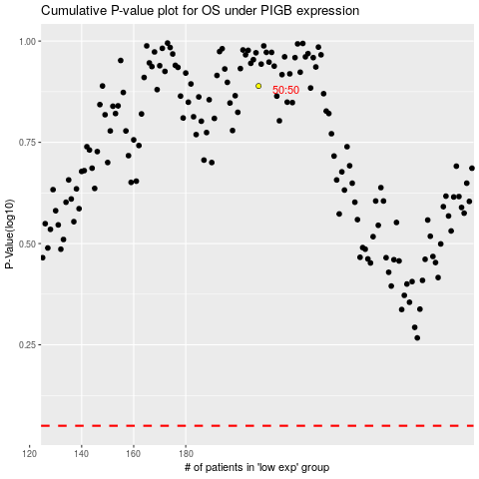

 |  |  |  |  |  | cases_OS | p_OS | rank | exp
 |  |  |  |  |  |  | cases_RFS | p_RFS | rank | exp

