PIGC _multivariate
Reported by Tex Li-Hsing Chi. tex@gate.sinica.edu.tw 2019-08-17

Table 2. The clinicopathological features of HNSCC cohort and PIGC expression. (Chi square test)
Cutoff at -0.185 (50.0%)
 |  | PIGC expression |  | PIGC expression |  | (Optimised)
 | Features | Low | (%) | High | (%) | Case no | P-value | Remark | Matthews
Gender | Female | 154 | 37.1 | 152 | 36.6 | 415 | 0.8463 | 0 | 0
2 | Male | 53 | 12.8 | 56 | 13.5
Age at diagnosis | <=65y | 138 | 33.3 | 136 | 32.8 | 415 | 0.8634 | 0 | 0
4 | >65y | 69 | 16.6 | 72 | 17.3
Clinical T Status | T1+T2 | 70 | 16.9 | 79 | 19 | 415 | 0.4343 | 0 | 0
6 | T3+T4 | 137 | 33 | 129 | 31.1
Clinical N Status | N0 | 103 | 24.8 | 113 | 27.2 | 415 | 0.4047 | 0 | 0
8 | N1-3 | 104 | 25.1 | 95 | 22.9
Clinical M Status | M0 | 206 | 49.6 | 206 | 49.6 | 415 | 1 | 0 | 0
10 | M1 | 1 | 0.2 | 2 | 0.5
Clinical Stage | Stage I+II | 49 | 11.8 | 53 | 12.8 | 415 | 0.7535 | 0 | 0
12 | Stage III+IV | 158 | 38.1 | 155 | 37.3
Surgical Margin status | Negative | 167 | 40.2 | 151 | 36.4 | 415 | 0.0632 | 0 | 0
14 | Positive | 40 | 9.6 | 57 | 13.7
Tobacco Exposure | Low | 77 | 18.6 | 84 | 20.2 | 415 | 0.5459 | 0 | 0
16 | High | 130 | 31.3 | 124 | 29.9

Table 3. Univariate/Multivariate Cox's proportional hazards regression analyses on OS time of PIGC gene expression in HNSCC

 |  | Univariate |  |  |  | Multivariate
 | Features | HR | CI95%(L) | CI95%(H) | P-value | HR | CI95%(L) | CI95%(H) | P-value
1 | Female | 1 |  |  |  | 1
Gender | Male | 1.157 | 0.843 | 1.587 | 0.367 | 1.205 | 0.862 | 1.686 | 0.274
11 | <=65y | 1 |  |  |  | 1
Age at diagnosis | >65y | 1.329 | 0.99 | 1.784 | 0.058 | 1.385 | 1.018 | 1.886 | 0.038
12 | T1+T2 | 1 |  |  |  | 1
Clinical T Status | T3+T4 | 1.409 | 1.028 | 1.931 | 0.033 | 2.194 | 1.16 | 4.15 | 0.016
13 | N0 | 1 |  |  |  | 1
Clinical N Status | N1-3 | 1.185 | 0.89 | 1.577 | 0.246 | 1.235 | 0.865 | 1.764 | 0.246
14 | M0 | 1 |  |  |  | 1
Clinical M Status | M1 | 4.097 | 1.009 | 16.644 | 0.049 | 9.521 | 2.073 | 43.735 | 0.004
15 | Stage I+II | 1 |  |  |  | 1
Clinical Stage | Stage III+IV | 1.245 | 0.882 | 1.759 | 0.213 | 0.508 | 0.236 | 1.091 | 0.082
16 | Negative | 1 |  |  |  | 1
Surgical Margin status | Positive | 1.591 | 1.155 | 2.191 | 0.004 | 1.684 | 1.214 | 2.336 | 0.002
17 | Low | 1 |  |  |  | 1
Tobacco Exposure | High | 1.364 | 1.008 | 1.844 | 0.044 | 1.456 | 1.056 | 2.008 | 0.022
18 | Low | 1 |  |  |  | 1
RNAseq(z-score) | High | 0.993 | 0.745 | 1.323 | 0.961 | 0.957 | 0.713 | 1.284 | 0.769

Table 4. Univariate/Multivariate Cox's proportional hazards regression analyses on RFS time of PIGC gene expression in HNSCC

 |  | Univariate |  |  |  | Multivariate
 | Features | HR | CI95%(L) | CI95%(H) | P-value | HR | CI95%(L) | CI95%(H) | P-value
1 | Female | 1 |  |  |  | 1
Gender | Male | 1.157 | 0.843 | 1.587 | 0.367 | 1.205 | 0.862 | 1.686 | 0.274
11 | <=65y | 1 |  |  |  | 1
Age at diagnosis | >65y | 1.329 | 0.99 | 1.784 | 0.058 | 1.385 | 1.018 | 1.886 | 0.038
12 | T1+T2 | 1 |  |  |  | 1
Clinical T Status | T3+T4 | 1.409 | 1.028 | 1.931 | 0.033 | 2.194 | 1.16 | 4.15 | 0.016
13 | N0 | 1 |  |  |  | 1
Clinical N Status | N1-3 | 1.185 | 0.89 | 1.577 | 0.246 | 1.235 | 0.865 | 1.764 | 0.246
14 | M0 | 1 |  |  |  | 1
Clinical M Status | M1 | 4.097 | 1.009 | 16.644 | 0.049 | 9.521 | 2.073 | 43.735 | 0.004
15 | Stage I+II | 1 |  |  |  | 1
Clinical Stage | Stage III+IV | 1.245 | 0.882 | 1.759 | 0.213 | 0.508 | 0.236 | 1.091 | 0.082
16 | Negative | 1 |  |  |  | 1
Surgical Margin status | Positive | 1.591 | 1.155 | 2.191 | 0.004 | 1.684 | 1.214 | 2.336 | 0.002
17 | Low | 1 |  |  |  | 1
Tobacco Exposure | High | 1.364 | 1.008 | 1.844 | 0.044 | 1.456 | 1.056 | 2.008 | 0.022
18 | Low | 1 |  |  |  | 1
RNAseq(z-score) | High | 0.993 | 0.745 | 1.323 | 0.961 | 0.957 | 0.713 | 1.284 | 0.769

Kaplan-Meier survival estimate: Cutoff at -0.185 (50.0%)



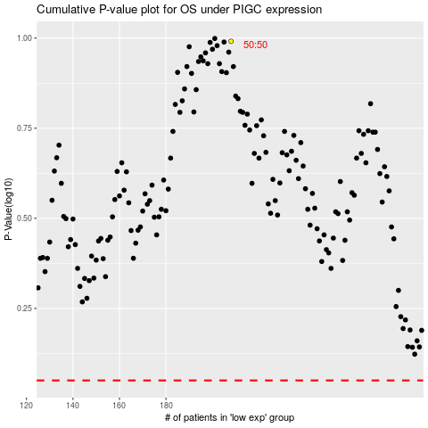

 |  |  |  |  |  | cases_OS | p_OS | rank | exp
 |  |  |  |  |  |  | cases_RFS | p_RFS | rank | exp

