PIGG _multivariate
Reported by Tex Li-Hsing Chi. tex@gate.sinica.edu.tw 2019-08-17

Table 2. The clinicopathological features of HNSCC cohort and PIGG expression. (Chi square test)
Cutoff at -0.073 (50.0%)
 |  | PIGG expression |  | PIGG expression |  | (Optimised)
 | Features | Low | (%) | High | (%) | Case no | P-value | Remark | Matthews
Gender | Female | 167 | 40.2 | 139 | 33.5 | 415 | 0.002 | 1 | 0
2 | Male | 40 | 9.6 | 69 | 16.6
Age at diagnosis | <=65y | 138 | 33.3 | 136 | 32.8 | 415 | 0.8634 | 0 | 0
4 | >65y | 69 | 16.6 | 72 | 17.3
Clinical T Status | T1+T2 | 69 | 16.6 | 80 | 19.3 | 415 | 0.3239 | 0 | 0
6 | T3+T4 | 138 | 33.3 | 128 | 30.8
Clinical N Status | N0 | 103 | 24.8 | 113 | 27.2 | 415 | 0.4047 | 0 | 0
8 | N1-3 | 104 | 25.1 | 95 | 22.9
Clinical M Status | M0 | 207 | 49.9 | 205 | 49.4 | 415 | 0.2482 | 0 | 0
10 | M1 | 0 | 0 | 3 | 0.7
Clinical Stage | Stage I+II | 44 | 10.6 | 58 | 14 | 415 | 0.1459 | 0 | 0
12 | Stage III+IV | 163 | 39.3 | 150 | 36.1
Surgical Margin status | Negative | 159 | 38.3 | 159 | 38.3 | 415 | 1 | 0 | 0
14 | Positive | 48 | 11.6 | 49 | 11.8
Tobacco Exposure | Low | 63 | 15.2 | 98 | 23.6 | 415 | 6e-04 | 1 | 0
16 | High | 144 | 34.7 | 110 | 26.5

Table 3. Univariate/Multivariate Cox's proportional hazards regression analyses on OS time of PIGG gene expression in HNSCC

 |  | Univariate |  |  |  | Multivariate
 | Features | HR | CI95%(L) | CI95%(H) | P-value | HR | CI95%(L) | CI95%(H) | P-value
1 | Female | 1 |  |  |  | 1
Gender | Male | 1.157 | 0.843 | 1.587 | 0.367 | 1.184 | 0.845 | 1.658 | 0.326
11 | <=65y | 1 |  |  |  | 1
Age at diagnosis | >65y | 1.329 | 0.99 | 1.784 | 0.058 | 1.395 | 1.026 | 1.896 | 0.034
12 | T1+T2 | 1 |  |  |  | 1
Clinical T Status | T3+T4 | 1.409 | 1.028 | 1.931 | 0.033 | 2.213 | 1.17 | 4.185 | 0.015
13 | N0 | 1 |  |  |  | 1
Clinical N Status | N1-3 | 1.185 | 0.89 | 1.577 | 0.246 | 1.246 | 0.873 | 1.777 | 0.225
14 | M0 | 1 |  |  |  | 1
Clinical M Status | M1 | 4.097 | 1.009 | 16.644 | 0.049 | 8.889 | 1.924 | 41.066 | 0.005
15 | Stage I+II | 1 |  |  |  | 1
Clinical Stage | Stage III+IV | 1.245 | 0.882 | 1.759 | 0.213 | 0.511 | 0.238 | 1.098 | 0.085
16 | Negative | 1 |  |  |  | 1
Surgical Margin status | Positive | 1.591 | 1.155 | 2.191 | 0.004 | 1.675 | 1.213 | 2.315 | 0.002
17 | Low | 1 |  |  |  | 1
Tobacco Exposure | High | 1.364 | 1.008 | 1.844 | 0.044 | 1.472 | 1.066 | 2.032 | 0.019
18 | Low | 1 |  |  |  | 1
RNAseq(z-score) | High | 1.055 | 0.792 | 1.405 | 0.716 | 1.113 | 0.825 | 1.5 | 0.484

Table 4. Univariate/Multivariate Cox's proportional hazards regression analyses on RFS time of PIGG gene expression in HNSCC

 |  | Univariate |  |  |  | Multivariate
 | Features | HR | CI95%(L) | CI95%(H) | P-value | HR | CI95%(L) | CI95%(H) | P-value
1 | Female | 1 |  |  |  | 1
Gender | Male | 1.157 | 0.843 | 1.587 | 0.367 | 1.184 | 0.845 | 1.658 | 0.326
11 | <=65y | 1 |  |  |  | 1
Age at diagnosis | >65y | 1.329 | 0.99 | 1.784 | 0.058 | 1.395 | 1.026 | 1.896 | 0.034
12 | T1+T2 | 1 |  |  |  | 1
Clinical T Status | T3+T4 | 1.409 | 1.028 | 1.931 | 0.033 | 2.213 | 1.17 | 4.185 | 0.015
13 | N0 | 1 |  |  |  | 1
Clinical N Status | N1-3 | 1.185 | 0.89 | 1.577 | 0.246 | 1.246 | 0.873 | 1.777 | 0.225
14 | M0 | 1 |  |  |  | 1
Clinical M Status | M1 | 4.097 | 1.009 | 16.644 | 0.049 | 8.889 | 1.924 | 41.066 | 0.005
15 | Stage I+II | 1 |  |  |  | 1
Clinical Stage | Stage III+IV | 1.245 | 0.882 | 1.759 | 0.213 | 0.511 | 0.238 | 1.098 | 0.085
16 | Negative | 1 |  |  |  | 1
Surgical Margin status | Positive | 1.591 | 1.155 | 2.191 | 0.004 | 1.675 | 1.213 | 2.315 | 0.002
17 | Low | 1 |  |  |  | 1
Tobacco Exposure | High | 1.364 | 1.008 | 1.844 | 0.044 | 1.472 | 1.066 | 2.032 | 0.019
18 | Low | 1 |  |  |  | 1
RNAseq(z-score) | High | 1.055 | 0.792 | 1.405 | 0.716 | 1.113 | 0.825 | 1.5 | 0.484

Kaplan-Meier survival estimate: Cutoff at -0.073 (50.0%)



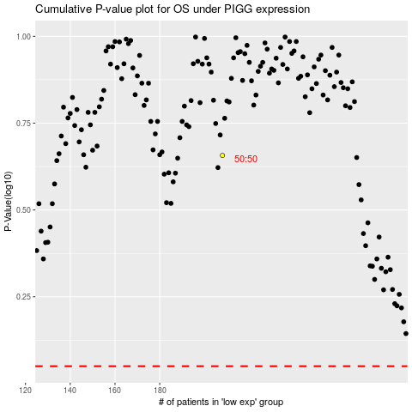

 |  |  |  |  |  | cases_OS | p_OS | rank | exp
 |  |  |  |  |  |  | cases_RFS | p_RFS | rank | exp

