PIGK _multivariate
Reported by Tex Li-Hsing Chi. tex@gate.sinica.edu.tw 2019-08-17

Table 2. The clinicopathological features of HNSCC cohort and PIGK expression. (Chi square test)
Cutoff at -0.141 (49.8%)
 |  | PIGK expression |  | PIGK expression |  | (Optimised)
 | Features | Low | (%) | High | (%) | Case no | P-value | Remark | Matthews
Gender | Female | 153 | 36.9 | 153 | 36.9 | 415 | 1 | 0 | 0
2 | Male | 54 | 13 | 55 | 13.3
Age at diagnosis | <=65y | 131 | 31.6 | 143 | 34.5 | 415 | 0.2839 | 0 | 0
4 | >65y | 76 | 18.3 | 65 | 15.7
Clinical T Status | T1+T2 | 60 | 14.5 | 89 | 21.4 | 415 | 0.0047 | 1 | 0
6 | T3+T4 | 147 | 35.4 | 119 | 28.7
Clinical N Status | N0 | 109 | 26.3 | 107 | 25.8 | 415 | 0.8812 | 0 | 0
8 | N1-3 | 98 | 23.6 | 101 | 24.3
Clinical M Status | M0 | 205 | 49.4 | 207 | 49.9 | 415 | 0.6232 | 0 | 0
10 | M1 | 2 | 0.5 | 1 | 0.2
Clinical Stage | Stage I+II | 40 | 9.6 | 62 | 14.9 | 415 | 0.018 | 1 | 0
12 | Stage III+IV | 167 | 40.2 | 146 | 35.2
Surgical Margin status | Negative | 161 | 38.8 | 157 | 37.8 | 415 | 0.6429 | 0 | 0
14 | Positive | 46 | 11.1 | 51 | 12.3
Tobacco Exposure | Low | 72 | 17.3 | 89 | 21.4 | 415 | 0.1071 | 0 | 0
16 | High | 135 | 32.5 | 119 | 28.7

Table 3. Univariate/Multivariate Cox's proportional hazards regression analyses on OS time of PIGK gene expression in HNSCC

 |  | Univariate |  |  |  | Multivariate
 | Features | HR | CI95%(L) | CI95%(H) | P-value | HR | CI95%(L) | CI95%(H) | P-value
1 | Female | 1 |  |  |  | 1
Gender | Male | 1.157 | 0.843 | 1.587 | 0.367 | 1.195 | 0.856 | 1.668 | 0.295
11 | <=65y | 1 |  |  |  | 1
Age at diagnosis | >65y | 1.329 | 0.99 | 1.784 | 0.058 | 1.404 | 1.032 | 1.909 | 0.031
12 | T1+T2 | 1 |  |  |  | 1
Clinical T Status | T3+T4 | 1.409 | 1.028 | 1.931 | 0.033 | 2.231 | 1.179 | 4.222 | 0.014
13 | N0 | 1 |  |  |  | 1
Clinical N Status | N1-3 | 1.185 | 0.89 | 1.577 | 0.246 | 1.225 | 0.858 | 1.749 | 0.263
14 | M0 | 1 |  |  |  | 1
Clinical M Status | M1 | 4.097 | 1.009 | 16.644 | 0.049 | 9.601 | 2.094 | 44.029 | 0.004
15 | Stage I+II | 1 |  |  |  | 1
Clinical Stage | Stage III+IV | 1.245 | 0.882 | 1.759 | 0.213 | 0.519 | 0.241 | 1.115 | 0.093
16 | Negative | 1 |  |  |  | 1
Surgical Margin status | Positive | 1.591 | 1.155 | 2.191 | 0.004 | 1.661 | 1.202 | 2.296 | 0.002
17 | Low | 1 |  |  |  | 1
Tobacco Exposure | High | 1.364 | 1.008 | 1.844 | 0.044 | 1.459 | 1.06 | 2.009 | 0.02
18 | Low | 1 |  |  |  | 1
RNAseq(z-score) | High | 1.135 | 0.851 | 1.513 | 0.388 | 1.197 | 0.894 | 1.603 | 0.227

Table 4. Univariate/Multivariate Cox's proportional hazards regression analyses on RFS time of PIGK gene expression in HNSCC

 |  | Univariate |  |  |  | Multivariate
 | Features | HR | CI95%(L) | CI95%(H) | P-value | HR | CI95%(L) | CI95%(H) | P-value
1 | Female | 1 |  |  |  | 1
Gender | Male | 1.157 | 0.843 | 1.587 | 0.367 | 1.195 | 0.856 | 1.668 | 0.295
11 | <=65y | 1 |  |  |  | 1
Age at diagnosis | >65y | 1.329 | 0.99 | 1.784 | 0.058 | 1.404 | 1.032 | 1.909 | 0.031
12 | T1+T2 | 1 |  |  |  | 1
Clinical T Status | T3+T4 | 1.409 | 1.028 | 1.931 | 0.033 | 2.231 | 1.179 | 4.222 | 0.014
13 | N0 | 1 |  |  |  | 1
Clinical N Status | N1-3 | 1.185 | 0.89 | 1.577 | 0.246 | 1.225 | 0.858 | 1.749 | 0.263
14 | M0 | 1 |  |  |  | 1
Clinical M Status | M1 | 4.097 | 1.009 | 16.644 | 0.049 | 9.601 | 2.094 | 44.029 | 0.004
15 | Stage I+II | 1 |  |  |  | 1
Clinical Stage | Stage III+IV | 1.245 | 0.882 | 1.759 | 0.213 | 0.519 | 0.241 | 1.115 | 0.093
16 | Negative | 1 |  |  |  | 1
Surgical Margin status | Positive | 1.591 | 1.155 | 2.191 | 0.004 | 1.661 | 1.202 | 2.296 | 0.002
17 | Low | 1 |  |  |  | 1
Tobacco Exposure | High | 1.364 | 1.008 | 1.844 | 0.044 | 1.459 | 1.06 | 2.009 | 0.02
18 | Low | 1 |  |  |  | 1
RNAseq(z-score) | High | 1.135 | 0.851 | 1.513 | 0.388 | 1.197 | 0.894 | 1.603 | 0.227

Kaplan-Meier survival estimate: Cutoff at -0.141 (49.8%)



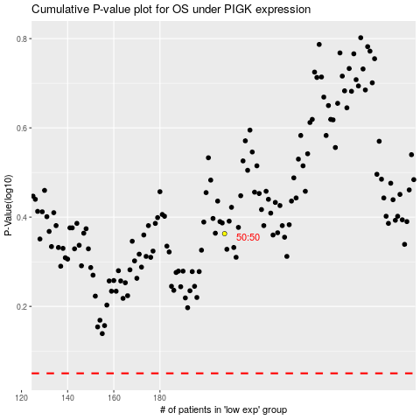

 |  |  |  |  |  | cases_OS | p_OS | rank | exp
 |  |  |  |  |  |  | cases_RFS | p_RFS | rank | exp

