PIGM _multivariate
Reported by Tex Li-Hsing Chi. tex@gate.sinica.edu.tw 2019-08-17

Table 2. The clinicopathological features of HNSCC cohort and PIGM expression. (Chi square test)
Cutoff at -0.268 (49.8%)
 |  | PIGM expression |  | PIGM expression |  | (Optimised)
 | Features | Low | (%) | High | (%) | Case no | P-value | Remark | Matthews
Gender | Female | 147 | 35.4 | 159 | 38.3 | 415 | 0.2523 | 0 | 0
2 | Male | 60 | 14.5 | 49 | 11.8
Age at diagnosis | <=65y | 131 | 31.6 | 143 | 34.5 | 415 | 0.2839 | 0 | 0
4 | >65y | 76 | 18.3 | 65 | 15.7
Clinical T Status | T1+T2 | 72 | 17.3 | 77 | 18.6 | 415 | 0.7095 | 0 | 0
6 | T3+T4 | 135 | 32.5 | 131 | 31.6
Clinical N Status | N0 | 101 | 24.3 | 115 | 27.7 | 415 | 0.2201 | 0 | 0
8 | N1-3 | 106 | 25.5 | 93 | 22.4
Clinical M Status | M0 | 205 | 49.4 | 207 | 49.9 | 415 | 0.6232 | 0 | 0
10 | M1 | 2 | 0.5 | 1 | 0.2
Clinical Stage | Stage I+II | 46 | 11.1 | 56 | 13.5 | 415 | 0.3182 | 0 | 0
12 | Stage III+IV | 161 | 38.8 | 152 | 36.6
Surgical Margin status | Negative | 160 | 38.6 | 158 | 38.1 | 415 | 0.8167 | 0 | 0
14 | Positive | 47 | 11.3 | 50 | 12
Tobacco Exposure | Low | 80 | 19.3 | 81 | 19.5 | 415 | 1 | 0 | 0
16 | High | 127 | 30.6 | 127 | 30.6

Table 3. Univariate/Multivariate Cox's proportional hazards regression analyses on OS time of PIGM gene expression in HNSCC

 |  | Univariate |  |  |  | Multivariate
 | Features | HR | CI95%(L) | CI95%(H) | P-value | HR | CI95%(L) | CI95%(H) | P-value
1 | Female | 1 |  |  |  | 1
Gender | Male | 1.157 | 0.843 | 1.587 | 0.367 | 1.211 | 0.866 | 1.695 | 0.264
11 | <=65y | 1 |  |  |  | 1
Age at diagnosis | >65y | 1.329 | 0.99 | 1.784 | 0.058 | 1.395 | 1.027 | 1.897 | 0.033
12 | T1+T2 | 1 |  |  |  | 1
Clinical T Status | T3+T4 | 1.409 | 1.028 | 1.931 | 0.033 | 2.204 | 1.166 | 4.168 | 0.015
13 | N0 | 1 |  |  |  | 1
Clinical N Status | N1-3 | 1.185 | 0.89 | 1.577 | 0.246 | 1.242 | 0.87 | 1.772 | 0.232
14 | M0 | 1 |  |  |  | 1
Clinical M Status | M1 | 4.097 | 1.009 | 16.644 | 0.049 | 9.501 | 2.071 | 43.586 | 0.004
15 | Stage I+II | 1 |  |  |  | 1
Clinical Stage | Stage III+IV | 1.245 | 0.882 | 1.759 | 0.213 | 0.505 | 0.235 | 1.084 | 0.08
16 | Negative | 1 |  |  |  | 1
Surgical Margin status | Positive | 1.591 | 1.155 | 2.191 | 0.004 | 1.672 | 1.21 | 2.311 | 0.002
17 | Low | 1 |  |  |  | 1
Tobacco Exposure | High | 1.364 | 1.008 | 1.844 | 0.044 | 1.453 | 1.055 | 2.002 | 0.022
18 | Low | 1 |  |  |  | 1
RNAseq(z-score) | High | 1.008 | 0.757 | 1.342 | 0.958 | 1.064 | 0.797 | 1.42 | 0.673

Table 4. Univariate/Multivariate Cox's proportional hazards regression analyses on RFS time of PIGM gene expression in HNSCC

 |  | Univariate |  |  |  | Multivariate
 | Features | HR | CI95%(L) | CI95%(H) | P-value | HR | CI95%(L) | CI95%(H) | P-value
1 | Female | 1 |  |  |  | 1
Gender | Male | 1.157 | 0.843 | 1.587 | 0.367 | 1.211 | 0.866 | 1.695 | 0.264
11 | <=65y | 1 |  |  |  | 1
Age at diagnosis | >65y | 1.329 | 0.99 | 1.784 | 0.058 | 1.395 | 1.027 | 1.897 | 0.033
12 | T1+T2 | 1 |  |  |  | 1
Clinical T Status | T3+T4 | 1.409 | 1.028 | 1.931 | 0.033 | 2.204 | 1.166 | 4.168 | 0.015
13 | N0 | 1 |  |  |  | 1
Clinical N Status | N1-3 | 1.185 | 0.89 | 1.577 | 0.246 | 1.242 | 0.87 | 1.772 | 0.232
14 | M0 | 1 |  |  |  | 1
Clinical M Status | M1 | 4.097 | 1.009 | 16.644 | 0.049 | 9.501 | 2.071 | 43.586 | 0.004
15 | Stage I+II | 1 |  |  |  | 1
Clinical Stage | Stage III+IV | 1.245 | 0.882 | 1.759 | 0.213 | 0.505 | 0.235 | 1.084 | 0.08
16 | Negative | 1 |  |  |  | 1
Surgical Margin status | Positive | 1.591 | 1.155 | 2.191 | 0.004 | 1.672 | 1.21 | 2.311 | 0.002
17 | Low | 1 |  |  |  | 1
Tobacco Exposure | High | 1.364 | 1.008 | 1.844 | 0.044 | 1.453 | 1.055 | 2.002 | 0.022
18 | Low | 1 |  |  |  | 1
RNAseq(z-score) | High | 1.008 | 0.757 | 1.342 | 0.958 | 1.064 | 0.797 | 1.42 | 0.673

Kaplan-Meier survival estimate: Cutoff at -0.268 (49.8%)



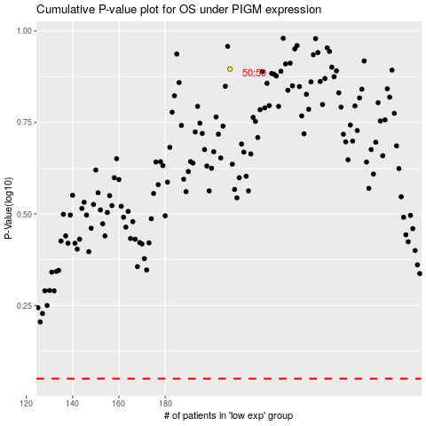

 |  |  |  |  |  | cases_OS | p_OS | rank | exp
 |  |  |  |  |  |  | cases_RFS | p_RFS | rank | exp

