PIGP _multivariate
Reported by Tex Li-Hsing Chi. tex@gate.sinica.edu.tw 2019-08-17

Table 2. The clinicopathological features of HNSCC cohort and PIGP expression. (Chi square test)
Cutoff at -0.237 (50.0%)
 |  | PIGP expression |  | PIGP expression |  | (Optimised)
 | Features | Low | (%) | High | (%) | Case no | P-value | Remark | Matthews
Gender | Female | 154 | 37.1 | 152 | 36.6 | 415 | 0.8463 | 0 | 0
2 | Male | 53 | 12.8 | 56 | 13.5
Age at diagnosis | <=65y | 132 | 31.8 | 142 | 34.2 | 415 | 0.3874 | 0 | 0
4 | >65y | 75 | 18.1 | 66 | 15.9
Clinical T Status | T1+T2 | 73 | 17.6 | 76 | 18.3 | 415 | 0.8666 | 0 | 0
6 | T3+T4 | 134 | 32.3 | 132 | 31.8
Clinical N Status | N0 | 109 | 26.3 | 107 | 25.8 | 415 | 0.8812 | 0 | 0
8 | N1-3 | 98 | 23.6 | 101 | 24.3
Clinical M Status | M0 | 206 | 49.6 | 206 | 49.6 | 415 | 1 | 0 | 0
10 | M1 | 1 | 0.2 | 2 | 0.5
Clinical Stage | Stage I+II | 56 | 13.5 | 46 | 11.1 | 415 | 0.2918 | 0 | 0
12 | Stage III+IV | 151 | 36.4 | 162 | 39
Surgical Margin status | Negative | 164 | 39.5 | 154 | 37.1 | 415 | 0.2462 | 0 | 0
14 | Positive | 43 | 10.4 | 54 | 13
Tobacco Exposure | Low | 70 | 16.9 | 91 | 21.9 | 415 | 0.0439 | 1 | 0
16 | High | 137 | 33 | 117 | 28.2

Table 3. Univariate/Multivariate Cox's proportional hazards regression analyses on OS time of PIGP gene expression in HNSCC

 |  | Univariate |  |  |  | Multivariate
 | Features | HR | CI95%(L) | CI95%(H) | P-value | HR | CI95%(L) | CI95%(H) | P-value
1 | Female | 1 |  |  |  | 1
Gender | Male | 1.157 | 0.843 | 1.587 | 0.367 | 1.199 | 0.859 | 1.674 | 0.287
11 | <=65y | 1 |  |  |  | 1
Age at diagnosis | >65y | 1.329 | 0.99 | 1.784 | 0.058 | 1.41 | 1.035 | 1.922 | 0.029
12 | T1+T2 | 1 |  |  |  | 1
Clinical T Status | T3+T4 | 1.409 | 1.028 | 1.931 | 0.033 | 2.235 | 1.18 | 4.232 | 0.014
13 | N0 | 1 |  |  |  | 1
Clinical N Status | N1-3 | 1.185 | 0.89 | 1.577 | 0.246 | 1.243 | 0.871 | 1.773 | 0.231
14 | M0 | 1 |  |  |  | 1
Clinical M Status | M1 | 4.097 | 1.009 | 16.644 | 0.049 | 9.443 | 2.06 | 43.297 | 0.004
15 | Stage I+II | 1 |  |  |  | 1
Clinical Stage | Stage III+IV | 1.245 | 0.882 | 1.759 | 0.213 | 0.494 | 0.229 | 1.062 | 0.071
16 | Negative | 1 |  |  |  | 1
Surgical Margin status | Positive | 1.591 | 1.155 | 2.191 | 0.004 | 1.674 | 1.211 | 2.314 | 0.002
17 | Low | 1 |  |  |  | 1
Tobacco Exposure | High | 1.364 | 1.008 | 1.844 | 0.044 | 1.464 | 1.062 | 2.018 | 0.02
18 | Low | 1 |  |  |  | 1
RNAseq(z-score) | High | 1.021 | 0.767 | 1.361 | 0.885 | 1.102 | 0.824 | 1.474 | 0.514

Table 4. Univariate/Multivariate Cox's proportional hazards regression analyses on RFS time of PIGP gene expression in HNSCC

 |  | Univariate |  |  |  | Multivariate
 | Features | HR | CI95%(L) | CI95%(H) | P-value | HR | CI95%(L) | CI95%(H) | P-value
1 | Female | 1 |  |  |  | 1
Gender | Male | 1.157 | 0.843 | 1.587 | 0.367 | 1.199 | 0.859 | 1.674 | 0.287
11 | <=65y | 1 |  |  |  | 1
Age at diagnosis | >65y | 1.329 | 0.99 | 1.784 | 0.058 | 1.41 | 1.035 | 1.922 | 0.029
12 | T1+T2 | 1 |  |  |  | 1
Clinical T Status | T3+T4 | 1.409 | 1.028 | 1.931 | 0.033 | 2.235 | 1.18 | 4.232 | 0.014
13 | N0 | 1 |  |  |  | 1
Clinical N Status | N1-3 | 1.185 | 0.89 | 1.577 | 0.246 | 1.243 | 0.871 | 1.773 | 0.231
14 | M0 | 1 |  |  |  | 1
Clinical M Status | M1 | 4.097 | 1.009 | 16.644 | 0.049 | 9.443 | 2.06 | 43.297 | 0.004
15 | Stage I+II | 1 |  |  |  | 1
Clinical Stage | Stage III+IV | 1.245 | 0.882 | 1.759 | 0.213 | 0.494 | 0.229 | 1.062 | 0.071
16 | Negative | 1 |  |  |  | 1
Surgical Margin status | Positive | 1.591 | 1.155 | 2.191 | 0.004 | 1.674 | 1.211 | 2.314 | 0.002
17 | Low | 1 |  |  |  | 1
Tobacco Exposure | High | 1.364 | 1.008 | 1.844 | 0.044 | 1.464 | 1.062 | 2.018 | 0.02
18 | Low | 1 |  |  |  | 1
RNAseq(z-score) | High | 1.021 | 0.767 | 1.361 | 0.885 | 1.102 | 0.824 | 1.474 | 0.514

Kaplan-Meier survival estimate: Cutoff at -0.237 (50.0%)

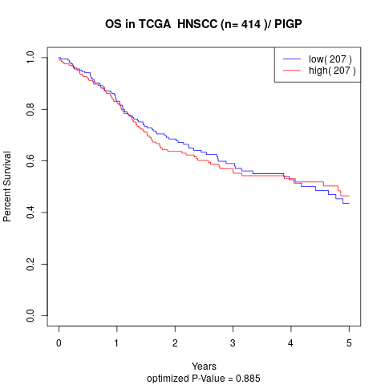

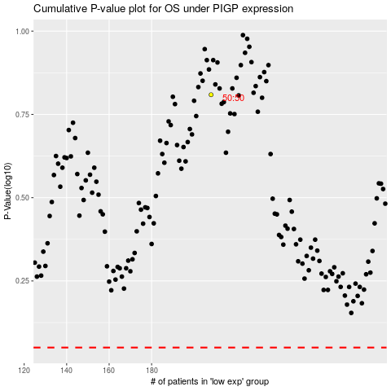

 |  |  |  |  |  | cases_OS | p_OS | rank | exp
 |  |  |  |  |  |  | cases_RFS | p_RFS | rank | exp

