PIGU _multivariate
Reported by Tex Li-Hsing Chi. tex@gate.sinica.edu.tw 2019-08-17

Table 2. The clinicopathological features of HNSCC cohort and PIGU expression. (Chi square test)
Cutoff at -0.222 (49.8%)
 |  | PIGU expression |  | PIGU expression |  | (Optimised)
 | Features | Low | (%) | High | (%) | Case no | P-value | Remark | Matthews
Gender | Female | 146 | 35.2 | 160 | 38.6 | 415 | 0.1714 | 0 | 0
2 | Male | 61 | 14.7 | 48 | 11.6
Age at diagnosis | <=65y | 124 | 29.9 | 150 | 36.1 | 415 | 0.0116 | 1 | 0
4 | >65y | 83 | 20 | 58 | 14
Clinical T Status | T1+T2 | 72 | 17.3 | 77 | 18.6 | 415 | 0.7095 | 0 | 0
6 | T3+T4 | 135 | 32.5 | 131 | 31.6
Clinical N Status | N0 | 115 | 27.7 | 101 | 24.3 | 415 | 0.184 | 1 | 0
8 | N1-3 | 92 | 22.2 | 107 | 25.8
Clinical M Status | M0 | 206 | 49.6 | 206 | 49.6 | 415 | 1 | 0 | 0
10 | M1 | 1 | 0.2 | 2 | 0.5
Clinical Stage | Stage I+II | 53 | 12.8 | 49 | 11.8 | 415 | 0.7113 | 0 | 0
12 | Stage III+IV | 154 | 37.1 | 159 | 38.3
Surgical Margin status | Negative | 159 | 38.3 | 159 | 38.3 | 415 | 1 | 0 | 0
14 | Positive | 48 | 11.6 | 49 | 11.8
Tobacco Exposure | Low | 85 | 20.5 | 76 | 18.3 | 415 | 0.3655 | 0 | 0
16 | High | 122 | 29.4 | 132 | 31.8

Table 3. Univariate/Multivariate Cox's proportional hazards regression analyses on OS time of PIGU gene expression in HNSCC

 |  | Univariate |  |  |  | Multivariate
 | Features | HR | CI95%(L) | CI95%(H) | P-value | HR | CI95%(L) | CI95%(H) | P-value
1 | Female | 1 |  |  |  | 1
Gender | Male | 1.157 | 0.843 | 1.587 | 0.367 | 1.186 | 0.848 | 1.658 | 0.319
11 | <=65y | 1 |  |  |  | 1
Age at diagnosis | >65y | 1.329 | 0.99 | 1.784 | 0.058 | 1.382 | 1.017 | 1.88 | 0.039
12 | T1+T2 | 1 |  |  |  | 1
Clinical T Status | T3+T4 | 1.409 | 1.028 | 1.931 | 0.033 | 2.166 | 1.144 | 4.1 | 0.018
13 | N0 | 1 |  |  |  | 1
Clinical N Status | N1-3 | 1.185 | 0.89 | 1.577 | 0.246 | 1.261 | 0.883 | 1.801 | 0.203
14 | M0 | 1 |  |  |  | 1
Clinical M Status | M1 | 4.097 | 1.009 | 16.644 | 0.049 | 9.56 | 2.085 | 43.829 | 0.004
15 | Stage I+II | 1 |  |  |  | 1
Clinical Stage | Stage III+IV | 1.245 | 0.882 | 1.759 | 0.213 | 0.516 | 0.24 | 1.109 | 0.09
16 | Negative | 1 |  |  |  | 1
Surgical Margin status | Positive | 1.591 | 1.155 | 2.191 | 0.004 | 1.672 | 1.21 | 2.309 | 0.002
17 | Low | 1 |  |  |  | 1
Tobacco Exposure | High | 1.364 | 1.008 | 1.844 | 0.044 | 1.46 | 1.06 | 2.012 | 0.021
18 | Low | 1 |  |  |  | 1
RNAseq(z-score) | High | 0.866 | 0.65 | 1.153 | 0.324 | 0.859 | 0.641 | 1.152 | 0.311

Table 4. Univariate/Multivariate Cox's proportional hazards regression analyses on RFS time of PIGU gene expression in HNSCC

 |  | Univariate |  |  |  | Multivariate
 | Features | HR | CI95%(L) | CI95%(H) | P-value | HR | CI95%(L) | CI95%(H) | P-value
1 | Female | 1 |  |  |  | 1
Gender | Male | 1.157 | 0.843 | 1.587 | 0.367 | 1.186 | 0.848 | 1.658 | 0.319
11 | <=65y | 1 |  |  |  | 1
Age at diagnosis | >65y | 1.329 | 0.99 | 1.784 | 0.058 | 1.382 | 1.017 | 1.88 | 0.039
12 | T1+T2 | 1 |  |  |  | 1
Clinical T Status | T3+T4 | 1.409 | 1.028 | 1.931 | 0.033 | 2.166 | 1.144 | 4.1 | 0.018
13 | N0 | 1 |  |  |  | 1
Clinical N Status | N1-3 | 1.185 | 0.89 | 1.577 | 0.246 | 1.261 | 0.883 | 1.801 | 0.203
14 | M0 | 1 |  |  |  | 1
Clinical M Status | M1 | 4.097 | 1.009 | 16.644 | 0.049 | 9.56 | 2.085 | 43.829 | 0.004
15 | Stage I+II | 1 |  |  |  | 1
Clinical Stage | Stage III+IV | 1.245 | 0.882 | 1.759 | 0.213 | 0.516 | 0.24 | 1.109 | 0.09
16 | Negative | 1 |  |  |  | 1
Surgical Margin status | Positive | 1.591 | 1.155 | 2.191 | 0.004 | 1.672 | 1.21 | 2.309 | 0.002
17 | Low | 1 |  |  |  | 1
Tobacco Exposure | High | 1.364 | 1.008 | 1.844 | 0.044 | 1.46 | 1.06 | 2.012 | 0.021
18 | Low | 1 |  |  |  | 1
RNAseq(z-score) | High | 0.866 | 0.65 | 1.153 | 0.324 | 0.859 | 0.641 | 1.152 | 0.311

Kaplan-Meier survival estimate: Cutoff at -0.222 (49.8%)



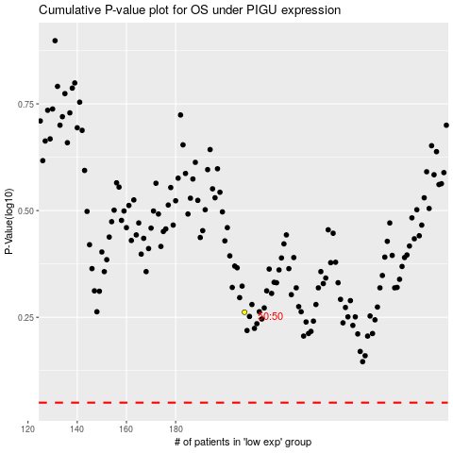

 |  |  |  |  |  | cases_OS | p_OS | rank | exp
 |  |  |  |  |  |  | cases_RFS | p_RFS | rank | exp

