PIGW _multivariate
Reported by Tex Li-Hsing Chi. tex@gate.sinica.edu.tw 2019-08-17

Table 2. The clinicopathological features of HNSCC cohort and PIGW expression. (Chi square test)
Cutoff at -0.063 (49.8%)
 |  | PIGW expression |  | PIGW expression |  | (Optimised)
 | Features | Low | (%) | High | (%) | Case no | P-value | Remark | Matthews
Gender | Female | 154 | 37.1 | 152 | 36.6 | 415 | 0.8463 | 0 | 0
2 | Male | 53 | 12.8 | 56 | 13.5
Age at diagnosis | <=65y | 134 | 32.3 | 140 | 33.7 | 415 | 0.6529 | 0 | 0
4 | >65y | 73 | 17.6 | 68 | 16.4
Clinical T Status | T1+T2 | 72 | 17.3 | 77 | 18.6 | 415 | 0.7095 | 0 | 0
6 | T3+T4 | 135 | 32.5 | 131 | 31.6
Clinical N Status | N0 | 102 | 24.6 | 114 | 27.5 | 415 | 0.3031 | 0 | 0
8 | N1-3 | 105 | 25.3 | 94 | 22.7
Clinical M Status | M0 | 205 | 49.4 | 207 | 49.9 | 415 | 0.6232 | 0 | 0
10 | M1 | 2 | 0.5 | 1 | 0.2
Clinical Stage | Stage I+II | 44 | 10.6 | 58 | 14 | 415 | 0.1459 | 0 | 0
12 | Stage III+IV | 163 | 39.3 | 150 | 36.1
Surgical Margin status | Negative | 157 | 37.8 | 161 | 38.8 | 415 | 0.729 | 0 | 0
14 | Positive | 50 | 12 | 47 | 11.3
Tobacco Exposure | Low | 92 | 22.2 | 69 | 16.6 | 415 | 0.0206 | 1 | 0
16 | High | 115 | 27.7 | 139 | 33.5

Table 3. Univariate/Multivariate Cox's proportional hazards regression analyses on OS time of PIGW gene expression in HNSCC

 |  | Univariate |  |  |  | Multivariate
 | Features | HR | CI95%(L) | CI95%(H) | P-value | HR | CI95%(L) | CI95%(H) | P-value
1 | Female | 1 |  |  |  | 1
Gender | Male | 1.157 | 0.843 | 1.587 | 0.367 | 1.214 | 0.87 | 1.695 | 0.254
11 | <=65y | 1 |  |  |  | 1
Age at diagnosis | >65y | 1.329 | 0.99 | 1.784 | 0.058 | 1.386 | 1.02 | 1.884 | 0.037
12 | T1+T2 | 1 |  |  |  | 1
Clinical T Status | T3+T4 | 1.409 | 1.028 | 1.931 | 0.033 | 2.234 | 1.181 | 4.225 | 0.013
13 | N0 | 1 |  |  |  | 1
Clinical N Status | N1-3 | 1.185 | 0.89 | 1.577 | 0.246 | 1.24 | 0.869 | 1.768 | 0.236
14 | M0 | 1 |  |  |  | 1
Clinical M Status | M1 | 4.097 | 1.009 | 16.644 | 0.049 | 9.423 | 2.055 | 43.206 | 0.004
15 | Stage I+II | 1 |  |  |  | 1
Clinical Stage | Stage III+IV | 1.245 | 0.882 | 1.759 | 0.213 | 0.49 | 0.228 | 1.054 | 0.068
16 | Negative | 1 |  |  |  | 1
Surgical Margin status | Positive | 1.591 | 1.155 | 2.191 | 0.004 | 1.669 | 1.208 | 2.307 | 0.002
17 | Low | 1 |  |  |  | 1
Tobacco Exposure | High | 1.364 | 1.008 | 1.844 | 0.044 | 1.494 | 1.08 | 2.067 | 0.015
18 | Low | 1 |  |  |  | 1
RNAseq(z-score) | High | 0.911 | 0.684 | 1.213 | 0.522 | 0.857 | 0.64 | 1.148 | 0.302

Table 4. Univariate/Multivariate Cox's proportional hazards regression analyses on RFS time of PIGW gene expression in HNSCC

 |  | Univariate |  |  |  | Multivariate
 | Features | HR | CI95%(L) | CI95%(H) | P-value | HR | CI95%(L) | CI95%(H) | P-value
1 | Female | 1 |  |  |  | 1
Gender | Male | 1.157 | 0.843 | 1.587 | 0.367 | 1.214 | 0.87 | 1.695 | 0.254
11 | <=65y | 1 |  |  |  | 1
Age at diagnosis | >65y | 1.329 | 0.99 | 1.784 | 0.058 | 1.386 | 1.02 | 1.884 | 0.037
12 | T1+T2 | 1 |  |  |  | 1
Clinical T Status | T3+T4 | 1.409 | 1.028 | 1.931 | 0.033 | 2.234 | 1.181 | 4.225 | 0.013
13 | N0 | 1 |  |  |  | 1
Clinical N Status | N1-3 | 1.185 | 0.89 | 1.577 | 0.246 | 1.24 | 0.869 | 1.768 | 0.236
14 | M0 | 1 |  |  |  | 1
Clinical M Status | M1 | 4.097 | 1.009 | 16.644 | 0.049 | 9.423 | 2.055 | 43.206 | 0.004
15 | Stage I+II | 1 |  |  |  | 1
Clinical Stage | Stage III+IV | 1.245 | 0.882 | 1.759 | 0.213 | 0.49 | 0.228 | 1.054 | 0.068
16 | Negative | 1 |  |  |  | 1
Surgical Margin status | Positive | 1.591 | 1.155 | 2.191 | 0.004 | 1.669 | 1.208 | 2.307 | 0.002
17 | Low | 1 |  |  |  | 1
Tobacco Exposure | High | 1.364 | 1.008 | 1.844 | 0.044 | 1.494 | 1.08 | 2.067 | 0.015
18 | Low | 1 |  |  |  | 1
RNAseq(z-score) | High | 0.911 | 0.684 | 1.213 | 0.522 | 0.857 | 0.64 | 1.148 | 0.302

Kaplan-Meier survival estimate: Cutoff at -0.063 (49.8%)



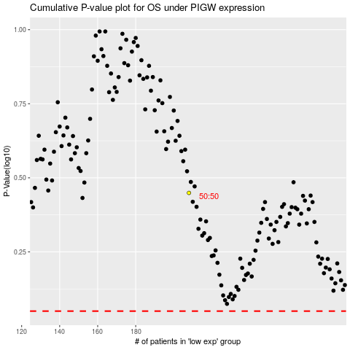

 |  |  |  |  |  | cases_OS | p_OS | rank | exp
 |  |  |  |  |  |  | cases_RFS | p_RFS | rank | exp

