PIGY _multivariate
Reported by Tex Li-Hsing Chi. tex@gate.sinica.edu.tw 2019-08-17

Table 2. The clinicopathological features of HNSCC cohort and PIGY expression. (Chi square test)
Cutoff at -0.142 (50.0%)
 |  | PIGY expression |  | PIGY expression |  | (Optimised)
 | Features | Low | (%) | High | (%) | Case no | P-value | Remark | Matthews
Gender | Female | 160 | 38.6 | 146 | 35.2 | 415 | 0.1254 | 0 | 0
2 | Male | 47 | 11.3 | 62 | 14.9
Age at diagnosis | <=65y | 133 | 32 | 141 | 34 | 415 | 0.5111 | 0 | 0
4 | >65y | 74 | 17.8 | 67 | 16.1
Clinical T Status | T1+T2 | 88 | 21.2 | 61 | 14.7 | 415 | 0.007 | 1 | 0
6 | T3+T4 | 119 | 28.7 | 147 | 35.4
Clinical N Status | N0 | 104 | 25.1 | 112 | 27 | 415 | 0.5243 | 0 | 0
8 | N1-3 | 103 | 24.8 | 96 | 23.1
Clinical M Status | M0 | 206 | 49.6 | 206 | 49.6 | 415 | 1 | 0 | 0
10 | M1 | 1 | 0.2 | 2 | 0.5
Clinical Stage | Stage I+II | 57 | 13.7 | 45 | 10.8 | 415 | 0.1998 | 0 | 0
12 | Stage III+IV | 150 | 36.1 | 163 | 39.3
Surgical Margin status | Negative | 165 | 39.8 | 153 | 36.9 | 415 | 0.1639 | 0 | 0
14 | Positive | 42 | 10.1 | 55 | 13.3
Tobacco Exposure | Low | 87 | 21 | 74 | 17.8 | 415 | 0.1911 | 0 | 0
16 | High | 120 | 28.9 | 134 | 32.3

Table 3. Univariate/Multivariate Cox's proportional hazards regression analyses on OS time of PIGY gene expression in HNSCC

 |  | Univariate |  |  |  | Multivariate
 | Features | HR | CI95%(L) | CI95%(H) | P-value | HR | CI95%(L) | CI95%(H) | P-value
1 | Female | 1 |  |  |  | 1
Gender | Male | 1.157 | 0.843 | 1.587 | 0.367 | 1.23 | 0.876 | 1.727 | 0.232
11 | <=65y | 1 |  |  |  | 1
Age at diagnosis | >65y | 1.329 | 0.99 | 1.784 | 0.058 | 1.384 | 1.018 | 1.881 | 0.038
12 | T1+T2 | 1 |  |  |  | 1
Clinical T Status | T3+T4 | 1.409 | 1.028 | 1.931 | 0.033 | 2.264 | 1.193 | 4.294 | 0.012
13 | N0 | 1 |  |  |  | 1
Clinical N Status | N1-3 | 1.185 | 0.89 | 1.577 | 0.246 | 1.228 | 0.86 | 1.753 | 0.258
14 | M0 | 1 |  |  |  | 1
Clinical M Status | M1 | 4.097 | 1.009 | 16.644 | 0.049 | 10.086 | 2.18 | 46.659 | 0.003
15 | Stage I+II | 1 |  |  |  | 1
Clinical Stage | Stage III+IV | 1.245 | 0.882 | 1.759 | 0.213 | 0.5 | 0.233 | 1.074 | 0.075
16 | Negative | 1 |  |  |  | 1
Surgical Margin status | Positive | 1.591 | 1.155 | 2.191 | 0.004 | 1.704 | 1.229 | 2.362 | 0.001
17 | Low | 1 |  |  |  | 1
Tobacco Exposure | High | 1.364 | 1.008 | 1.844 | 0.044 | 1.476 | 1.068 | 2.038 | 0.018
18 | Low | 1 |  |  |  | 1
RNAseq(z-score) | High | 1.033 | 0.775 | 1.378 | 0.823 | 0.883 | 0.654 | 1.191 | 0.415

Table 4. Univariate/Multivariate Cox's proportional hazards regression analyses on RFS time of PIGY gene expression in HNSCC

 |  | Univariate |  |  |  | Multivariate
 | Features | HR | CI95%(L) | CI95%(H) | P-value | HR | CI95%(L) | CI95%(H) | P-value
1 | Female | 1 |  |  |  | 1
Gender | Male | 1.157 | 0.843 | 1.587 | 0.367 | 1.23 | 0.876 | 1.727 | 0.232
11 | <=65y | 1 |  |  |  | 1
Age at diagnosis | >65y | 1.329 | 0.99 | 1.784 | 0.058 | 1.384 | 1.018 | 1.881 | 0.038
12 | T1+T2 | 1 |  |  |  | 1
Clinical T Status | T3+T4 | 1.409 | 1.028 | 1.931 | 0.033 | 2.264 | 1.193 | 4.294 | 0.012
13 | N0 | 1 |  |  |  | 1
Clinical N Status | N1-3 | 1.185 | 0.89 | 1.577 | 0.246 | 1.228 | 0.86 | 1.753 | 0.258
14 | M0 | 1 |  |  |  | 1
Clinical M Status | M1 | 4.097 | 1.009 | 16.644 | 0.049 | 10.086 | 2.18 | 46.659 | 0.003
15 | Stage I+II | 1 |  |  |  | 1
Clinical Stage | Stage III+IV | 1.245 | 0.882 | 1.759 | 0.213 | 0.5 | 0.233 | 1.074 | 0.075
16 | Negative | 1 |  |  |  | 1
Surgical Margin status | Positive | 1.591 | 1.155 | 2.191 | 0.004 | 1.704 | 1.229 | 2.362 | 0.001
17 | Low | 1 |  |  |  | 1
Tobacco Exposure | High | 1.364 | 1.008 | 1.844 | 0.044 | 1.476 | 1.068 | 2.038 | 0.018
18 | Low | 1 |  |  |  | 1
RNAseq(z-score) | High | 1.033 | 0.775 | 1.378 | 0.823 | 0.883 | 0.654 | 1.191 | 0.415

Kaplan-Meier survival estimate: Cutoff at -0.142 (50.0%)



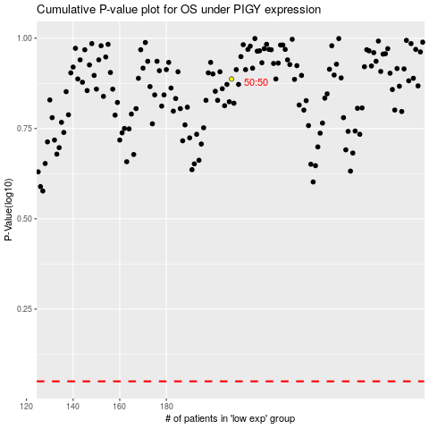

 |  |  |  |  |  | cases_OS | p_OS | rank | exp
 |  |  |  |  |  |  | cases_RFS | p_RFS | rank | exp

