PIGZ _multivariate
Reported by Tex Li-Hsing Chi. tex@gate.sinica.edu.tw 2019-08-17

Table 2. The clinicopathological features of HNSCC cohort and PIGZ expression. (Chi square test)
Cutoff at -0.283 (49.8%)
 |  | PIGZ expression |  | PIGZ expression |  | (Optimised)
 | Features | Low | (%) | High | (%) | Case no | P-value | Remark | Matthews
Gender | Female | 144 | 34.7 | 162 | 39 | 415 | 0.0697 | 0 | 0
2 | Male | 63 | 15.2 | 46 | 11.1
Age at diagnosis | <=65y | 131 | 31.6 | 143 | 34.5 | 415 | 0.2839 | 0 | 0
4 | >65y | 76 | 18.3 | 65 | 15.7
Clinical T Status | T1+T2 | 74 | 17.8 | 75 | 18.1 | 415 | 1 | 0 | 0
6 | T3+T4 | 133 | 32 | 133 | 32
Clinical N Status | N0 | 107 | 25.8 | 109 | 26.3 | 415 | 0.9624 | 0 | 0
8 | N1-3 | 100 | 24.1 | 99 | 23.9
Clinical M Status | M0 | 205 | 49.4 | 207 | 49.9 | 415 | 0.6232 | 0 | 0
10 | M1 | 2 | 0.5 | 1 | 0.2
Clinical Stage | Stage I+II | 52 | 12.5 | 50 | 12 | 415 | 0.8871 | 0 | 0
12 | Stage III+IV | 155 | 37.3 | 158 | 38.1
Surgical Margin status | Negative | 163 | 39.3 | 155 | 37.3 | 415 | 0.3537 | 0 | 0
14 | Positive | 44 | 10.6 | 53 | 12.8
Tobacco Exposure | Low | 94 | 22.7 | 67 | 16.1 | 415 | 0.0065 | 1 | 0
16 | High | 113 | 27.2 | 141 | 34

Table 3. Univariate/Multivariate Cox's proportional hazards regression analyses on OS time of PIGZ gene expression in HNSCC

 |  | Univariate |  |  |  | Multivariate
 | Features | HR | CI95%(L) | CI95%(H) | P-value | HR | CI95%(L) | CI95%(H) | P-value
1 | Female | 1 |  |  |  | 1
Gender | Male | 1.157 | 0.843 | 1.587 | 0.367 | 1.163 | 0.831 | 1.63 | 0.379
11 | <=65y | 1 |  |  |  | 1
Age at diagnosis | >65y | 1.329 | 0.99 | 1.784 | 0.058 | 1.396 | 1.026 | 1.899 | 0.034
12 | T1+T2 | 1 |  |  |  | 1
Clinical T Status | T3+T4 | 1.409 | 1.028 | 1.931 | 0.033 | 2.234 | 1.181 | 4.223 | 0.013
13 | N0 | 1 |  |  |  | 1
Clinical N Status | N1-3 | 1.185 | 0.89 | 1.577 | 0.246 | 1.242 | 0.872 | 1.77 | 0.23
14 | M0 | 1 |  |  |  | 1
Clinical M Status | M1 | 4.097 | 1.009 | 16.644 | 0.049 | 9.128 | 1.99 | 41.861 | 0.004
15 | Stage I+II | 1 |  |  |  | 1
Clinical Stage | Stage III+IV | 1.245 | 0.882 | 1.759 | 0.213 | 0.505 | 0.235 | 1.085 | 0.08
16 | Negative | 1 |  |  |  | 1
Surgical Margin status | Positive | 1.591 | 1.155 | 2.191 | 0.004 | 1.727 | 1.248 | 2.391 | 0.001
17 | Low | 1 |  |  |  | 1
Tobacco Exposure | High | 1.364 | 1.008 | 1.844 | 0.044 | 1.53 | 1.104 | 2.119 | 0.011
18 | Low | 1 |  |  |  | 1
RNAseq(z-score) | High | 0.822 | 0.617 | 1.096 | 0.183 | 0.755 | 0.561 | 1.017 | 0.065

Table 4. Univariate/Multivariate Cox's proportional hazards regression analyses on RFS time of PIGZ gene expression in HNSCC

 |  | Univariate |  |  |  | Multivariate
 | Features | HR | CI95%(L) | CI95%(H) | P-value | HR | CI95%(L) | CI95%(H) | P-value
1 | Female | 1 |  |  |  | 1
Gender | Male | 1.157 | 0.843 | 1.587 | 0.367 | 1.163 | 0.831 | 1.63 | 0.379
11 | <=65y | 1 |  |  |  | 1
Age at diagnosis | >65y | 1.329 | 0.99 | 1.784 | 0.058 | 1.396 | 1.026 | 1.899 | 0.034
12 | T1+T2 | 1 |  |  |  | 1
Clinical T Status | T3+T4 | 1.409 | 1.028 | 1.931 | 0.033 | 2.234 | 1.181 | 4.223 | 0.013
13 | N0 | 1 |  |  |  | 1
Clinical N Status | N1-3 | 1.185 | 0.89 | 1.577 | 0.246 | 1.242 | 0.872 | 1.77 | 0.23
14 | M0 | 1 |  |  |  | 1
Clinical M Status | M1 | 4.097 | 1.009 | 16.644 | 0.049 | 9.128 | 1.99 | 41.861 | 0.004
15 | Stage I+II | 1 |  |  |  | 1
Clinical Stage | Stage III+IV | 1.245 | 0.882 | 1.759 | 0.213 | 0.505 | 0.235 | 1.085 | 0.08
16 | Negative | 1 |  |  |  | 1
Surgical Margin status | Positive | 1.591 | 1.155 | 2.191 | 0.004 | 1.727 | 1.248 | 2.391 | 0.001
17 | Low | 1 |  |  |  | 1
Tobacco Exposure | High | 1.364 | 1.008 | 1.844 | 0.044 | 1.53 | 1.104 | 2.119 | 0.011
18 | Low | 1 |  |  |  | 1
RNAseq(z-score) | High | 0.822 | 0.617 | 1.096 | 0.183 | 0.755 | 0.561 | 1.017 | 0.065

Kaplan-Meier survival estimate: Cutoff at -0.283 (49.8%)



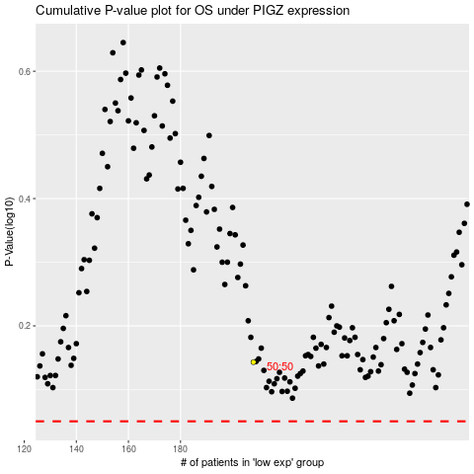

 |  |  |  |  |  | cases_OS | p_OS | rank | exp
 |  |  |  |  |  |  | cases_RFS | p_RFS | rank | exp

