PIH1D1 _multivariate
Reported by Tex Li-Hsing Chi. tex@gate.sinica.edu.tw 2019-08-17

Table 2. The clinicopathological features of HNSCC cohort and PIH1D1 expression. (Chi square test)
Cutoff at -0.262 (50.0%)
 |  | PIH1D1 expression |  | PIH1D1 expression |  | (Optimised)
 | Features | Low | (%) | High | (%) | Case no | P-value | Remark | Matthews
Gender | Female | 149 | 35.9 | 157 | 37.8 | 415 | 0.4848 | 0 | 0
2 | Male | 58 | 14 | 51 | 12.3
Age at diagnosis | <=65y | 144 | 34.7 | 130 | 31.3 | 415 | 0.1568 | 0 | 0
4 | >65y | 63 | 15.2 | 78 | 18.8
Clinical T Status | T1+T2 | 73 | 17.6 | 76 | 18.3 | 415 | 0.8666 | 0 | 0
6 | T3+T4 | 134 | 32.3 | 132 | 31.8
Clinical N Status | N0 | 113 | 27.2 | 103 | 24.8 | 415 | 0.3495 | 1 | 0
8 | N1-3 | 94 | 22.7 | 105 | 25.3
Clinical M Status | M0 | 205 | 49.4 | 207 | 49.9 | 415 | 0.6232 | 0 | 0
10 | M1 | 2 | 0.5 | 1 | 0.2
Clinical Stage | Stage I+II | 56 | 13.5 | 46 | 11.1 | 415 | 0.2918 | 0 | 0
12 | Stage III+IV | 151 | 36.4 | 162 | 39
Surgical Margin status | Negative | 164 | 39.5 | 154 | 37.1 | 415 | 0.2462 | 0 | 0
14 | Positive | 43 | 10.4 | 54 | 13
Tobacco Exposure | Low | 78 | 18.8 | 83 | 20 | 415 | 0.6873 | 0 | 0
16 | High | 129 | 31.1 | 125 | 30.1

Table 3. Univariate/Multivariate Cox's proportional hazards regression analyses on OS time of PIH1D1 gene expression in HNSCC

 |  | Univariate |  |  |  | Multivariate
 | Features | HR | CI95%(L) | CI95%(H) | P-value | HR | CI95%(L) | CI95%(H) | P-value
1 | Female | 1 |  |  |  | 1
Gender | Male | 1.157 | 0.843 | 1.587 | 0.367 | 1.195 | 0.856 | 1.669 | 0.296
11 | <=65y | 1 |  |  |  | 1
Age at diagnosis | >65y | 1.329 | 0.99 | 1.784 | 0.058 | 1.397 | 1.028 | 1.899 | 0.033
12 | T1+T2 | 1 |  |  |  | 1
Clinical T Status | T3+T4 | 1.409 | 1.028 | 1.931 | 0.033 | 2.125 | 1.12 | 4.031 | 0.021
13 | N0 | 1 |  |  |  | 1
Clinical N Status | N1-3 | 1.185 | 0.89 | 1.577 | 0.246 | 1.253 | 0.878 | 1.789 | 0.214
14 | M0 | 1 |  |  |  | 1
Clinical M Status | M1 | 4.097 | 1.009 | 16.644 | 0.049 | 8.899 | 1.935 | 40.926 | 0.005
15 | Stage I+II | 1 |  |  |  | 1
Clinical Stage | Stage III+IV | 1.245 | 0.882 | 1.759 | 0.213 | 0.522 | 0.242 | 1.123 | 0.096
16 | Negative | 1 |  |  |  | 1
Surgical Margin status | Positive | 1.591 | 1.155 | 2.191 | 0.004 | 1.689 | 1.222 | 2.335 | 0.002
17 | Low | 1 |  |  |  | 1
Tobacco Exposure | High | 1.364 | 1.008 | 1.844 | 0.044 | 1.458 | 1.058 | 2.008 | 0.021
18 | Low | 1 |  |  |  | 1
RNAseq(z-score) | High | 0.862 | 0.646 | 1.149 | 0.31 | 0.856 | 0.639 | 1.146 | 0.295

Table 4. Univariate/Multivariate Cox's proportional hazards regression analyses on RFS time of PIH1D1 gene expression in HNSCC

 |  | Univariate |  |  |  | Multivariate
 | Features | HR | CI95%(L) | CI95%(H) | P-value | HR | CI95%(L) | CI95%(H) | P-value
1 | Female | 1 |  |  |  | 1
Gender | Male | 1.157 | 0.843 | 1.587 | 0.367 | 1.195 | 0.856 | 1.669 | 0.296
11 | <=65y | 1 |  |  |  | 1
Age at diagnosis | >65y | 1.329 | 0.99 | 1.784 | 0.058 | 1.397 | 1.028 | 1.899 | 0.033
12 | T1+T2 | 1 |  |  |  | 1
Clinical T Status | T3+T4 | 1.409 | 1.028 | 1.931 | 0.033 | 2.125 | 1.12 | 4.031 | 0.021
13 | N0 | 1 |  |  |  | 1
Clinical N Status | N1-3 | 1.185 | 0.89 | 1.577 | 0.246 | 1.253 | 0.878 | 1.789 | 0.214
14 | M0 | 1 |  |  |  | 1
Clinical M Status | M1 | 4.097 | 1.009 | 16.644 | 0.049 | 8.899 | 1.935 | 40.926 | 0.005
15 | Stage I+II | 1 |  |  |  | 1
Clinical Stage | Stage III+IV | 1.245 | 0.882 | 1.759 | 0.213 | 0.522 | 0.242 | 1.123 | 0.096
16 | Negative | 1 |  |  |  | 1
Surgical Margin status | Positive | 1.591 | 1.155 | 2.191 | 0.004 | 1.689 | 1.222 | 2.335 | 0.002
17 | Low | 1 |  |  |  | 1
Tobacco Exposure | High | 1.364 | 1.008 | 1.844 | 0.044 | 1.458 | 1.058 | 2.008 | 0.021
18 | Low | 1 |  |  |  | 1
RNAseq(z-score) | High | 0.862 | 0.646 | 1.149 | 0.31 | 0.856 | 0.639 | 1.146 | 0.295

Kaplan-Meier survival estimate: Cutoff at -0.262 (50.0%)



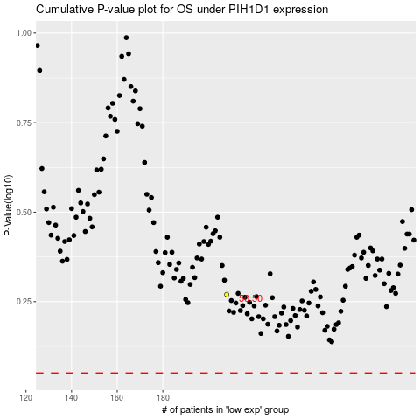

 |  |  |  |  |  | cases_OS | p_OS | rank | exp
 |  |  |  |  |  |  | cases_RFS | p_RFS | rank | exp

