PIH1D2 _multivariate
Reported by Tex Li-Hsing Chi. tex@gate.sinica.edu.tw 2019-08-17

Table 2. The clinicopathological features of HNSCC cohort and PIH1D2 expression. (Chi square test)
Cutoff at -0.178 (49.8%)
 |  | PIH1D2 expression |  | PIH1D2 expression |  | (Optimised)
 | Features | Low | (%) | High | (%) | Case no | P-value | Remark | Matthews
Gender | Female | 139 | 33.5 | 167 | 40.2 | 415 | 0.0034 | 1 | 0
2 | Male | 68 | 16.4 | 41 | 9.9
Age at diagnosis | <=65y | 129 | 31.1 | 145 | 34.9 | 415 | 0.1372 | 0 | 0
4 | >65y | 78 | 18.8 | 63 | 15.2
Clinical T Status | T1+T2 | 61 | 14.7 | 88 | 21.2 | 415 | 0.0087 | 1 | 0
6 | T3+T4 | 146 | 35.2 | 120 | 28.9
Clinical N Status | N0 | 94 | 22.7 | 122 | 29.4 | 415 | 0.0093 | 1 | 0
8 | N1-3 | 113 | 27.2 | 86 | 20.7
Clinical M Status | M0 | 206 | 49.6 | 206 | 49.6 | 415 | 1 | 0 | 0
10 | M1 | 1 | 0.2 | 2 | 0.5
Clinical Stage | Stage I+II | 41 | 9.9 | 61 | 14.7 | 415 | 0.0325 | 1 | 0
12 | Stage III+IV | 166 | 40 | 147 | 35.4
Surgical Margin status | Negative | 156 | 37.6 | 162 | 39 | 415 | 0.5636 | 0 | 0
14 | Positive | 51 | 12.3 | 46 | 11.1
Tobacco Exposure | Low | 75 | 18.1 | 86 | 20.7 | 415 | 0.3141 | 0 | 0
16 | High | 132 | 31.8 | 122 | 29.4

Table 3. Univariate/Multivariate Cox's proportional hazards regression analyses on OS time of PIH1D2 gene expression in HNSCC

 |  | Univariate |  |  |  | Multivariate
 | Features | HR | CI95%(L) | CI95%(H) | P-value | HR | CI95%(L) | CI95%(H) | P-value
1 | Female | 1 |  |  |  | 1
Gender | Male | 1.157 | 0.843 | 1.587 | 0.367 | 1.208 | 0.862 | 1.692 | 0.274
11 | <=65y | 1 |  |  |  | 1
Age at diagnosis | >65y | 1.329 | 0.99 | 1.784 | 0.058 | 1.39 | 1.022 | 1.89 | 0.036
12 | T1+T2 | 1 |  |  |  | 1
Clinical T Status | T3+T4 | 1.409 | 1.028 | 1.931 | 0.033 | 2.213 | 1.168 | 4.191 | 0.015
13 | N0 | 1 |  |  |  | 1
Clinical N Status | N1-3 | 1.185 | 0.89 | 1.577 | 0.246 | 1.242 | 0.871 | 1.773 | 0.232
14 | M0 | 1 |  |  |  | 1
Clinical M Status | M1 | 4.097 | 1.009 | 16.644 | 0.049 | 9.414 | 2.053 | 43.156 | 0.004
15 | Stage I+II | 1 |  |  |  | 1
Clinical Stage | Stage III+IV | 1.245 | 0.882 | 1.759 | 0.213 | 0.503 | 0.234 | 1.08 | 0.078
16 | Negative | 1 |  |  |  | 1
Surgical Margin status | Positive | 1.591 | 1.155 | 2.191 | 0.004 | 1.675 | 1.211 | 2.316 | 0.002
17 | Low | 1 |  |  |  | 1
Tobacco Exposure | High | 1.364 | 1.008 | 1.844 | 0.044 | 1.457 | 1.056 | 2.009 | 0.022
18 | Low | 1 |  |  |  | 1
RNAseq(z-score) | High | 0.929 | 0.694 | 1.242 | 0.618 | 1.031 | 0.767 | 1.387 | 0.838

Table 4. Univariate/Multivariate Cox's proportional hazards regression analyses on RFS time of PIH1D2 gene expression in HNSCC

 |  | Univariate |  |  |  | Multivariate
 | Features | HR | CI95%(L) | CI95%(H) | P-value | HR | CI95%(L) | CI95%(H) | P-value
1 | Female | 1 |  |  |  | 1
Gender | Male | 1.157 | 0.843 | 1.587 | 0.367 | 1.208 | 0.862 | 1.692 | 0.274
11 | <=65y | 1 |  |  |  | 1
Age at diagnosis | >65y | 1.329 | 0.99 | 1.784 | 0.058 | 1.39 | 1.022 | 1.89 | 0.036
12 | T1+T2 | 1 |  |  |  | 1
Clinical T Status | T3+T4 | 1.409 | 1.028 | 1.931 | 0.033 | 2.213 | 1.168 | 4.191 | 0.015
13 | N0 | 1 |  |  |  | 1
Clinical N Status | N1-3 | 1.185 | 0.89 | 1.577 | 0.246 | 1.242 | 0.871 | 1.773 | 0.232
14 | M0 | 1 |  |  |  | 1
Clinical M Status | M1 | 4.097 | 1.009 | 16.644 | 0.049 | 9.414 | 2.053 | 43.156 | 0.004
15 | Stage I+II | 1 |  |  |  | 1
Clinical Stage | Stage III+IV | 1.245 | 0.882 | 1.759 | 0.213 | 0.503 | 0.234 | 1.08 | 0.078
16 | Negative | 1 |  |  |  | 1
Surgical Margin status | Positive | 1.591 | 1.155 | 2.191 | 0.004 | 1.675 | 1.211 | 2.316 | 0.002
17 | Low | 1 |  |  |  | 1
Tobacco Exposure | High | 1.364 | 1.008 | 1.844 | 0.044 | 1.457 | 1.056 | 2.009 | 0.022
18 | Low | 1 |  |  |  | 1
RNAseq(z-score) | High | 0.929 | 0.694 | 1.242 | 0.618 | 1.031 | 0.767 | 1.387 | 0.838

Kaplan-Meier survival estimate: Cutoff at -0.178 (49.8%)



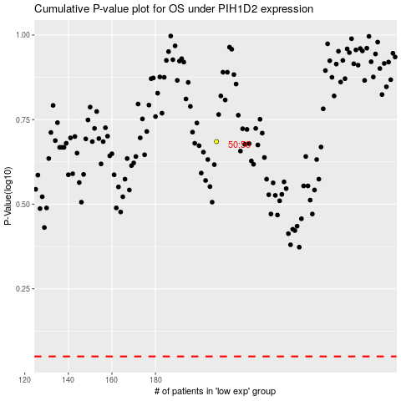

 |  |  |  |  |  | cases_OS | p_OS | rank | exp
 |  |  |  |  |  |  | cases_RFS | p_RFS | rank | exp

