PIK3CA _multivariate
Reported by Tex Li-Hsing Chi. tex@gate.sinica.edu.tw 2019-08-17

Table 2. The clinicopathological features of HNSCC cohort and PIK3CA expression. (Chi square test)
Cutoff at -0.099 (49.8%)
 |  | PIK3CA expression |  | PIK3CA expression |  | (Optimised)
 | Features | Low | (%) | High | (%) | Case no | P-value | Remark | Matthews
Gender | Female | 145 | 34.9 | 161 | 38.8 | 415 | 0.1116 | 0 | 0
2 | Male | 62 | 14.9 | 47 | 11.3
Age at diagnosis | <=65y | 128 | 30.8 | 146 | 35.2 | 415 | 0.0904 | 0 | 0
4 | >65y | 79 | 19 | 62 | 14.9
Clinical T Status | T1+T2 | 80 | 19.3 | 69 | 16.6 | 415 | 0.2891 | 0 | 0
6 | T3+T4 | 127 | 30.6 | 139 | 33.5
Clinical N Status | N0 | 108 | 26 | 108 | 26 | 415 | 1 | 0 | 0
8 | N1-3 | 99 | 23.9 | 100 | 24.1
Clinical M Status | M0 | 204 | 49.2 | 208 | 50.1 | 415 | 0.1232 | 0 | 0
10 | M1 | 3 | 0.7 | 0 | 0
Clinical Stage | Stage I+II | 53 | 12.8 | 49 | 11.8 | 415 | 0.7113 | 0 | 0
12 | Stage III+IV | 154 | 37.1 | 159 | 38.3
Surgical Margin status | Negative | 158 | 38.1 | 160 | 38.6 | 415 | 0.9081 | 0 | 0
14 | Positive | 49 | 11.8 | 48 | 11.6
Tobacco Exposure | Low | 91 | 21.9 | 70 | 16.9 | 415 | 0.0346 | 1 | 0
16 | High | 116 | 28 | 138 | 33.3

Table 3. Univariate/Multivariate Cox's proportional hazards regression analyses on OS time of PIK3CA gene expression in HNSCC

 |  | Univariate |  |  |  | Multivariate
 | Features | HR | CI95%(L) | CI95%(H) | P-value | HR | CI95%(L) | CI95%(H) | P-value
1 | Female | 1 |  |  |  | 1
Gender | Male | 1.157 | 0.843 | 1.587 | 0.367 | 1.225 | 0.876 | 1.713 | 0.235
11 | <=65y | 1 |  |  |  | 1
Age at diagnosis | >65y | 1.329 | 0.99 | 1.784 | 0.058 | 1.41 | 1.037 | 1.918 | 0.028
12 | T1+T2 | 1 |  |  |  | 1
Clinical T Status | T3+T4 | 1.409 | 1.028 | 1.931 | 0.033 | 2.173 | 1.148 | 4.112 | 0.017
13 | N0 | 1 |  |  |  | 1
Clinical N Status | N1-3 | 1.185 | 0.89 | 1.577 | 0.246 | 1.246 | 0.872 | 1.778 | 0.227
14 | M0 | 1 |  |  |  | 1
Clinical M Status | M1 | 4.097 | 1.009 | 16.644 | 0.049 | 10.197 | 2.208 | 47.099 | 0.003
15 | Stage I+II | 1 |  |  |  | 1
Clinical Stage | Stage III+IV | 1.245 | 0.882 | 1.759 | 0.213 | 0.508 | 0.237 | 1.092 | 0.083
16 | Negative | 1 |  |  |  | 1
Surgical Margin status | Positive | 1.591 | 1.155 | 2.191 | 0.004 | 1.686 | 1.219 | 2.331 | 0.002
17 | Low | 1 |  |  |  | 1
Tobacco Exposure | High | 1.364 | 1.008 | 1.844 | 0.044 | 1.448 | 1.052 | 1.994 | 0.023
18 | Low | 1 |  |  |  | 1
RNAseq(z-score) | High | 1.105 | 0.829 | 1.472 | 0.498 | 1.175 | 0.875 | 1.578 | 0.284

Table 4. Univariate/Multivariate Cox's proportional hazards regression analyses on RFS time of PIK3CA gene expression in HNSCC

 |  | Univariate |  |  |  | Multivariate
 | Features | HR | CI95%(L) | CI95%(H) | P-value | HR | CI95%(L) | CI95%(H) | P-value
1 | Female | 1 |  |  |  | 1
Gender | Male | 1.157 | 0.843 | 1.587 | 0.367 | 1.225 | 0.876 | 1.713 | 0.235
11 | <=65y | 1 |  |  |  | 1
Age at diagnosis | >65y | 1.329 | 0.99 | 1.784 | 0.058 | 1.41 | 1.037 | 1.918 | 0.028
12 | T1+T2 | 1 |  |  |  | 1
Clinical T Status | T3+T4 | 1.409 | 1.028 | 1.931 | 0.033 | 2.173 | 1.148 | 4.112 | 0.017
13 | N0 | 1 |  |  |  | 1
Clinical N Status | N1-3 | 1.185 | 0.89 | 1.577 | 0.246 | 1.246 | 0.872 | 1.778 | 0.227
14 | M0 | 1 |  |  |  | 1
Clinical M Status | M1 | 4.097 | 1.009 | 16.644 | 0.049 | 10.197 | 2.208 | 47.099 | 0.003
15 | Stage I+II | 1 |  |  |  | 1
Clinical Stage | Stage III+IV | 1.245 | 0.882 | 1.759 | 0.213 | 0.508 | 0.237 | 1.092 | 0.083
16 | Negative | 1 |  |  |  | 1
Surgical Margin status | Positive | 1.591 | 1.155 | 2.191 | 0.004 | 1.686 | 1.219 | 2.331 | 0.002
17 | Low | 1 |  |  |  | 1
Tobacco Exposure | High | 1.364 | 1.008 | 1.844 | 0.044 | 1.448 | 1.052 | 1.994 | 0.023
18 | Low | 1 |  |  |  | 1
RNAseq(z-score) | High | 1.105 | 0.829 | 1.472 | 0.498 | 1.175 | 0.875 | 1.578 | 0.284

Kaplan-Meier survival estimate: Cutoff at -0.099 (49.8%)



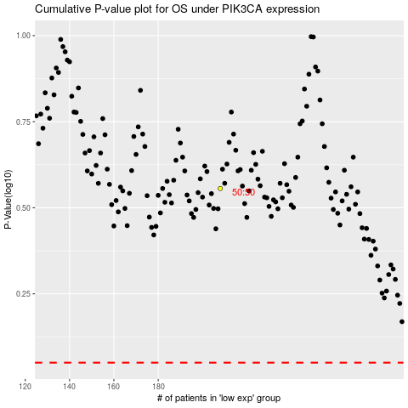

 |  |  |  |  |  | cases_OS | p_OS | rank | exp
 |  |  |  |  |  |  | cases_RFS | p_RFS | rank | exp

