PIK3CB _multivariate
Reported by Tex Li-Hsing Chi. tex@gate.sinica.edu.tw 2019-08-17

Table 2. The clinicopathological features of HNSCC cohort and PIK3CB expression. (Chi square test)
Cutoff at -0.228 (49.8%)
 |  | PIK3CB expression |  | PIK3CB expression |  | (Optimised)
 | Features | Low | (%) | High | (%) | Case no | P-value | Remark | Matthews
Gender | Female | 148 | 35.7 | 158 | 38.1 | 415 | 0.3567 | 0 | 0
2 | Male | 59 | 14.2 | 50 | 12
Age at diagnosis | <=65y | 134 | 32.3 | 140 | 33.7 | 415 | 0.6529 | 0 | 0
4 | >65y | 73 | 17.6 | 68 | 16.4
Clinical T Status | T1+T2 | 71 | 17.1 | 78 | 18.8 | 415 | 0.5638 | 0 | 0
6 | T3+T4 | 136 | 32.8 | 130 | 31.3
Clinical N Status | N0 | 105 | 25.3 | 111 | 26.7 | 415 | 0.6598 | 0 | 0
8 | N1-3 | 102 | 24.6 | 97 | 23.4
Clinical M Status | M0 | 204 | 49.2 | 208 | 50.1 | 415 | 0.1232 | 0 | 0
10 | M1 | 3 | 0.7 | 0 | 0
Clinical Stage | Stage I+II | 51 | 12.3 | 51 | 12.3 | 415 | 1 | 0 | 0
12 | Stage III+IV | 156 | 37.6 | 157 | 37.8
Surgical Margin status | Negative | 157 | 37.8 | 161 | 38.8 | 415 | 0.729 | 0 | 0
14 | Positive | 50 | 12 | 47 | 11.3
Tobacco Exposure | Low | 89 | 21.4 | 72 | 17.3 | 415 | 0.0872 | 0 | 0
16 | High | 118 | 28.4 | 136 | 32.8

Table 3. Univariate/Multivariate Cox's proportional hazards regression analyses on OS time of PIK3CB gene expression in HNSCC

 |  | Univariate |  |  |  | Multivariate
 | Features | HR | CI95%(L) | CI95%(H) | P-value | HR | CI95%(L) | CI95%(H) | P-value
1 | Female | 1 |  |  |  | 1
Gender | Male | 1.157 | 0.843 | 1.587 | 0.367 | 1.18 | 0.843 | 1.651 | 0.335
11 | <=65y | 1 |  |  |  | 1
Age at diagnosis | >65y | 1.329 | 0.99 | 1.784 | 0.058 | 1.403 | 1.033 | 1.907 | 0.03
12 | T1+T2 | 1 |  |  |  | 1
Clinical T Status | T3+T4 | 1.409 | 1.028 | 1.931 | 0.033 | 2.055 | 1.084 | 3.895 | 0.027
13 | N0 | 1 |  |  |  | 1
Clinical N Status | N1-3 | 1.185 | 0.89 | 1.577 | 0.246 | 1.223 | 0.857 | 1.745 | 0.267
14 | M0 | 1 |  |  |  | 1
Clinical M Status | M1 | 4.097 | 1.009 | 16.644 | 0.049 | 7.7 | 1.66 | 35.706 | 0.009
15 | Stage I+II | 1 |  |  |  | 1
Clinical Stage | Stage III+IV | 1.245 | 0.882 | 1.759 | 0.213 | 0.547 | 0.254 | 1.178 | 0.123
16 | Negative | 1 |  |  |  | 1
Surgical Margin status | Positive | 1.591 | 1.155 | 2.191 | 0.004 | 1.622 | 1.173 | 2.242 | 0.003
17 | Low | 1 |  |  |  | 1
Tobacco Exposure | High | 1.364 | 1.008 | 1.844 | 0.044 | 1.509 | 1.092 | 2.085 | 0.013
18 | Low | 1 |  |  |  | 1
RNAseq(z-score) | High | 0.717 | 0.538 | 0.956 | 0.023 | 0.747 | 0.556 | 1.004 | 0.053

Table 4. Univariate/Multivariate Cox's proportional hazards regression analyses on RFS time of PIK3CB gene expression in HNSCC

 |  | Univariate |  |  |  | Multivariate
 | Features | HR | CI95%(L) | CI95%(H) | P-value | HR | CI95%(L) | CI95%(H) | P-value
1 | Female | 1 |  |  |  | 1
Gender | Male | 1.157 | 0.843 | 1.587 | 0.367 | 1.18 | 0.843 | 1.651 | 0.335
11 | <=65y | 1 |  |  |  | 1
Age at diagnosis | >65y | 1.329 | 0.99 | 1.784 | 0.058 | 1.403 | 1.033 | 1.907 | 0.03
12 | T1+T2 | 1 |  |  |  | 1
Clinical T Status | T3+T4 | 1.409 | 1.028 | 1.931 | 0.033 | 2.055 | 1.084 | 3.895 | 0.027
13 | N0 | 1 |  |  |  | 1
Clinical N Status | N1-3 | 1.185 | 0.89 | 1.577 | 0.246 | 1.223 | 0.857 | 1.745 | 0.267
14 | M0 | 1 |  |  |  | 1
Clinical M Status | M1 | 4.097 | 1.009 | 16.644 | 0.049 | 7.7 | 1.66 | 35.706 | 0.009
15 | Stage I+II | 1 |  |  |  | 1
Clinical Stage | Stage III+IV | 1.245 | 0.882 | 1.759 | 0.213 | 0.547 | 0.254 | 1.178 | 0.123
16 | Negative | 1 |  |  |  | 1
Surgical Margin status | Positive | 1.591 | 1.155 | 2.191 | 0.004 | 1.622 | 1.173 | 2.242 | 0.003
17 | Low | 1 |  |  |  | 1
Tobacco Exposure | High | 1.364 | 1.008 | 1.844 | 0.044 | 1.509 | 1.092 | 2.085 | 0.013
18 | Low | 1 |  |  |  | 1
RNAseq(z-score) | High | 0.717 | 0.538 | 0.956 | 0.023 | 0.747 | 0.556 | 1.004 | 0.053

Kaplan-Meier survival estimate: Cutoff at -0.228 (49.8%)

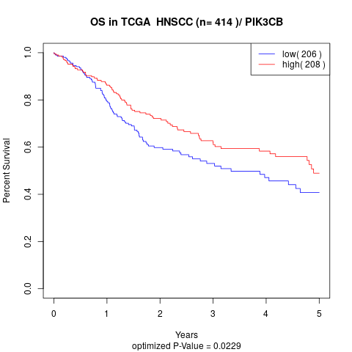

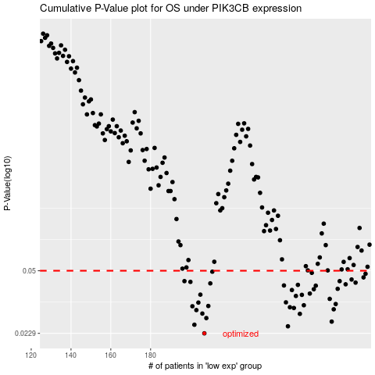

 |  |  |  |  |  | cases_OS | p_OS | rank | exp
 |  |  |  |  |  | 207 | 0.0229 | 170 | -0.22765540162
 |  |  |  |  |  | 249 | 0.025 | 165 | -0.0058758798643
 |  |  |  |  |  | 202 | 0.0255 | 93 | -0.24313076766
 |  |  |  |  |  | 271 | 0.0265 | 91 | 0.10658753411
 |  |  |  |  |  | 208 | 0.0277 | 340 | -0.22164767317
 |  |  |  |  |  | 255 | 0.0292 | 105 | 0.0218508566
 |  |  |  |  |  | 206 | 0.0293 | 143 | -0.22979428856
 |  |  |  |  |  | 203 | 0.0306 | 348 | -0.2375476368
 |  |  |  |  |  | 272 | 0.0309 | 144 | 0.11427775386
 |  |  |  |  |  | 252 | 0.0314 | 341 | -0.00039843077503
 |  |  |  |  |  | 250 | 0.0317 | 402 | -0.004836597788
 |  |  |  |  |  | 201 | 0.0321 | 161 | -0.2559341617
 |  |  |  |  |  | 209 | 0.0322 | 255 | -0.21776643977
 |  |  |  |  |  | 257 | 0.0325 | 177 | 0.022893645815
 |  |  |  |  |  | 273 | 0.033 | 31 | 0.11865255856
 |  |  |  |  |  | 204 | 0.0336 | 332 | -0.23673725397
 |  |  |  |  |  | 248 | 0.0337 | 221 | -0.024732595152
 |  |  |  |  |  | 270 | 0.0352 | 208 | 0.091817336736
 |  |  |  |  |  | 253 | 0.0365 | 376 | 0.011292265085
 |  |  |  |  |  | 256 | 0.037 | 278 | 0.022314500325
 |  |  |  |  |  | 205 | 0.0371 | 236 | -0.23348029124
 |  |  |  |  |  | 260 | 0.0376 | 282 | 0.031498059693
 |  |  |  |  |  | 251 | 0.0393 | 107 | -0.00092005919174
 |  |  |  |  |  | 262 | 0.0397 | 27 | 0.059508406767
 |  |  |  |  |  | 274 | 0.0399 | 252 | 0.12238555691
 |  |  |  |  |  | 263 | 0.0415 | 321 | 0.069564776032
 |  |  |  |  |  | 247 | 0.0416 | 248 | -0.026575947208
 |  |  |  |  |  | 254 | 0.0419 | 274 | 0.014230078198
 |  |  |  |  |  | 278 | 0.0422 | 174 | 0.13416743837
 |  |  |  |  |  | 210 | 0.0427 | 100 | -0.21154641253
 |  |  |  |  |  | 283 | 0.0431 | 26 | 0.1891958461
 |  |  |  |  |  | 200 | 0.0435 | 364 | -0.25764096916
 |  |  |  |  |  | 275 | 0.0439 | 102 | 0.12650784764
 |  |  |  |  |  | 197 | 0.0439 | 136 | -0.2692678351
 |  |  |  |  |  | 281 | 0.0448 | 168 | 0.18347733968
 |  |  |  |  |  | 287 | 0.046 | 197 | 0.21090971031
 |  |  |  |  |  | 288 | 0.0481 | 22 | 0.21232285336
 |  |  |  |  |  | 261 | 0.0487 | 203 | 0.048986990921
 |  |  |  |  |  | 211 | 0.0494 | 383 | -0.2107535654
 |  |  |  |  |  |  | cases_RFS | p_RFS | rank | exp
 |  |  |  |  |  |  | 206 | 0.0229 | 143 | -0.22979428856
 |  |  |  |  |  |  | 248 | 0.025 | 221 | -0.024732595152
 |  |  |  |  |  |  | 201 | 0.0255 | 161 | -0.2559341617
 |  |  |  |  |  |  | 270 | 0.0265 | 208 | 0.091817336736
 |  |  |  |  |  |  | 207 | 0.0277 | 170 | -0.22765540162
 |  |  |  |  |  |  | 254 | 0.0292 | 274 | 0.014230078198
 |  |  |  |  |  |  | 205 | 0.0293 | 236 | -0.23348029124
 |  |  |  |  |  |  | 202 | 0.0306 | 93 | -0.24313076766
 |  |  |  |  |  |  | 271 | 0.0309 | 91 | 0.10658753411
 |  |  |  |  |  |  | 251 | 0.0314 | 107 | -0.00092005919174
 |  |  |  |  |  |  | 249 | 0.0317 | 165 | -0.0058758798643
 |  |  |  |  |  |  | 200 | 0.0321 | 364 | -0.25764096916
 |  |  |  |  |  |  | 208 | 0.0322 | 340 | -0.22164767317
 |  |  |  |  |  |  | 256 | 0.0325 | 278 | 0.022314500325
 |  |  |  |  |  |  | 272 | 0.033 | 144 | 0.11427775386
 |  |  |  |  |  |  | 203 | 0.0336 | 348 | -0.2375476368
 |  |  |  |  |  |  | 247 | 0.0337 | 248 | -0.026575947208
 |  |  |  |  |  |  | 269 | 0.0352 | 225 | 0.090098605006
 |  |  |  |  |  |  | 252 | 0.0365 | 341 | -0.00039843077503
 |  |  |  |  |  |  | 255 | 0.037 | 105 | 0.0218508566
 |  |  |  |  |  |  | 204 | 0.0371 | 332 | -0.23673725397
 |  |  |  |  |  |  | 259 | 0.0376 | 97 | 0.028896464269
 |  |  |  |  |  |  | 250 | 0.0393 | 402 | -0.004836597788
 |  |  |  |  |  |  | 261 | 0.0397 | 203 | 0.048986990921
 |  |  |  |  |  |  | 273 | 0.0399 | 31 | 0.11865255856
 |  |  |  |  |  |  | 262 | 0.0415 | 27 | 0.059508406767
 |  |  |  |  |  |  | 246 | 0.0416 | 201 | -0.026716934181
 |  |  |  |  |  |  | 253 | 0.0419 | 376 | 0.011292265085
 |  |  |  |  |  |  | 277 | 0.0422 | 52 | 0.13382350498
 |  |  |  |  |  |  | 209 | 0.0427 | 255 | -0.21776643977
 |  |  |  |  |  |  | 282 | 0.0431 | 265 | 0.18545162491
 |  |  |  |  |  |  | 199 | 0.0435 | 69 | -0.25920071061
 |  |  |  |  |  |  | 196 | 0.0439 | 251 | -0.27326363503
 |  |  |  |  |  |  | 274 | 0.0439 | 252 | 0.12238555691
 |  |  |  |  |  |  | 280 | 0.0448 | 253 | 0.15294255423
 |  |  |  |  |  |  | 286 | 0.046 | 224 | 0.2070686921
 |  |  |  |  |  |  | 287 | 0.0481 | 197 | 0.21090971031
 |  |  |  |  |  |  | 260 | 0.0487 | 282 | 0.031498059693
 |  |  |  |  |  |  | 210 | 0.0494 | 100 | -0.21154641253

