PIK3CD _multivariate
Reported by Tex Li-Hsing Chi. tex@gate.sinica.edu.tw 2019-08-17

Table 2. The clinicopathological features of HNSCC cohort and PIK3CD expression. (Chi square test)
Cutoff at -0.13 (50.0%)
 |  | PIK3CD expression |  | PIK3CD expression |  | (Optimised)
 | Features | Low | (%) | High | (%) | Case no | P-value | Remark | Matthews
Gender | Female | 162 | 39 | 144 | 34.7 | 415 | 0.0479 | 1 | 0
2 | Male | 45 | 10.8 | 64 | 15.4
Age at diagnosis | <=65y | 136 | 32.8 | 138 | 33.3 | 415 | 0.9719 | 0 | 0
4 | >65y | 71 | 17.1 | 70 | 16.9
Clinical T Status | T1+T2 | 60 | 14.5 | 89 | 21.4 | 415 | 0.0047 | 1 | 0
6 | T3+T4 | 147 | 35.4 | 119 | 28.7
Clinical N Status | N0 | 115 | 27.7 | 101 | 24.3 | 415 | 0.184 | 1 | 0
8 | N1-3 | 92 | 22.2 | 107 | 25.8
Clinical M Status | M0 | 205 | 49.4 | 207 | 49.9 | 415 | 0.6232 | 0 | 0
10 | M1 | 2 | 0.5 | 1 | 0.2
Clinical Stage | Stage I+II | 39 | 9.4 | 63 | 15.2 | 415 | 0.0095 | 1 | 0
12 | Stage III+IV | 168 | 40.5 | 145 | 34.9
Surgical Margin status | Negative | 155 | 37.3 | 163 | 39.3 | 415 | 0.4187 | 0 | 0
14 | Positive | 52 | 12.5 | 45 | 10.8
Tobacco Exposure | Low | 62 | 14.9 | 99 | 23.9 | 415 | 3e-04 | 1 | 0
16 | High | 145 | 34.9 | 109 | 26.3

Table 3. Univariate/Multivariate Cox's proportional hazards regression analyses on OS time of PIK3CD gene expression in HNSCC

 |  | Univariate |  |  |  | Multivariate
 | Features | HR | CI95%(L) | CI95%(H) | P-value | HR | CI95%(L) | CI95%(H) | P-value
1 | Female | 1 |  |  |  | 1
Gender | Male | 1.157 | 0.843 | 1.587 | 0.367 | 1.202 | 0.86 | 1.681 | 0.282
11 | <=65y | 1 |  |  |  | 1
Age at diagnosis | >65y | 1.329 | 0.99 | 1.784 | 0.058 | 1.392 | 1.024 | 1.892 | 0.035
12 | T1+T2 | 1 |  |  |  | 1
Clinical T Status | T3+T4 | 1.409 | 1.028 | 1.931 | 0.033 | 2.202 | 1.164 | 4.164 | 0.015
13 | N0 | 1 |  |  |  | 1
Clinical N Status | N1-3 | 1.185 | 0.89 | 1.577 | 0.246 | 1.242 | 0.866 | 1.781 | 0.238
14 | M0 | 1 |  |  |  | 1
Clinical M Status | M1 | 4.097 | 1.009 | 16.644 | 0.049 | 9.397 | 2.048 | 43.117 | 0.004
15 | Stage I+II | 1 |  |  |  | 1
Clinical Stage | Stage III+IV | 1.245 | 0.882 | 1.759 | 0.213 | 0.504 | 0.234 | 1.085 | 0.08
16 | Negative | 1 |  |  |  | 1
Surgical Margin status | Positive | 1.591 | 1.155 | 2.191 | 0.004 | 1.671 | 1.208 | 2.31 | 0.002
17 | Low | 1 |  |  |  | 1
Tobacco Exposure | High | 1.364 | 1.008 | 1.844 | 0.044 | 1.452 | 1.051 | 2.005 | 0.024
18 | Low | 1 |  |  |  | 1
RNAseq(z-score) | High | 0.919 | 0.688 | 1.227 | 0.566 | 0.994 | 0.734 | 1.347 | 0.971

Table 4. Univariate/Multivariate Cox's proportional hazards regression analyses on RFS time of PIK3CD gene expression in HNSCC

 |  | Univariate |  |  |  | Multivariate
 | Features | HR | CI95%(L) | CI95%(H) | P-value | HR | CI95%(L) | CI95%(H) | P-value
1 | Female | 1 |  |  |  | 1
Gender | Male | 1.157 | 0.843 | 1.587 | 0.367 | 1.202 | 0.86 | 1.681 | 0.282
11 | <=65y | 1 |  |  |  | 1
Age at diagnosis | >65y | 1.329 | 0.99 | 1.784 | 0.058 | 1.392 | 1.024 | 1.892 | 0.035
12 | T1+T2 | 1 |  |  |  | 1
Clinical T Status | T3+T4 | 1.409 | 1.028 | 1.931 | 0.033 | 2.202 | 1.164 | 4.164 | 0.015
13 | N0 | 1 |  |  |  | 1
Clinical N Status | N1-3 | 1.185 | 0.89 | 1.577 | 0.246 | 1.242 | 0.866 | 1.781 | 0.238
14 | M0 | 1 |  |  |  | 1
Clinical M Status | M1 | 4.097 | 1.009 | 16.644 | 0.049 | 9.397 | 2.048 | 43.117 | 0.004
15 | Stage I+II | 1 |  |  |  | 1
Clinical Stage | Stage III+IV | 1.245 | 0.882 | 1.759 | 0.213 | 0.504 | 0.234 | 1.085 | 0.08
16 | Negative | 1 |  |  |  | 1
Surgical Margin status | Positive | 1.591 | 1.155 | 2.191 | 0.004 | 1.671 | 1.208 | 2.31 | 0.002
17 | Low | 1 |  |  |  | 1
Tobacco Exposure | High | 1.364 | 1.008 | 1.844 | 0.044 | 1.452 | 1.051 | 2.005 | 0.024
18 | Low | 1 |  |  |  | 1
RNAseq(z-score) | High | 0.919 | 0.688 | 1.227 | 0.566 | 0.994 | 0.734 | 1.347 | 0.971

Kaplan-Meier survival estimate: Cutoff at -0.13 (50.0%)



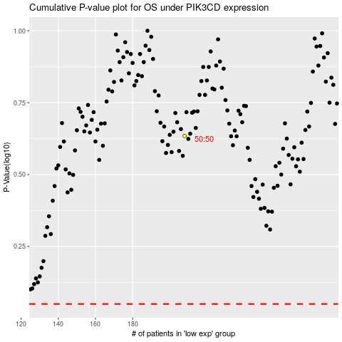

 |  |  |  |  |  | cases_OS | p_OS | rank | exp
 |  |  |  |  |  |  | cases_RFS | p_RFS | rank | exp

