PIK3R2 _multivariate
Reported by Tex Li-Hsing Chi. tex@gate.sinica.edu.tw 2019-08-17

Table 2. The clinicopathological features of HNSCC cohort and PIK3R2 expression. (Chi square test)
Cutoff at -0.479 (31.6%)
 |  | PIK3R2 expression |  | PIK3R2 expression |  | (Optimised)
 | Features | Low | (%) | High | (%) | Case no | P-value | Remark | Matthews
Gender | Female | 103 | 24.8 | 203 | 48.9 | 415 | 0.2156 | 0 | 0
2 | Male | 29 | 7 | 80 | 19.3
Age at diagnosis | <=65y | 91 | 21.9 | 183 | 44.1 | 415 | 0.4562 | 0 | 0
4 | >65y | 41 | 9.9 | 100 | 24.1
Clinical T Status | T1+T2 | 44 | 10.6 | 105 | 25.3 | 415 | 0.525 | 0 | 0
6 | T3+T4 | 88 | 21.2 | 178 | 42.9
Clinical N Status | N0 | 60 | 14.5 | 156 | 37.6 | 415 | 0.0835 | 0 | 0
8 | N1-3 | 72 | 17.3 | 127 | 30.6
Clinical M Status | M0 | 131 | 31.6 | 281 | 67.7 | 415 | 1 | 0 | 0
10 | M1 | 1 | 0.2 | 2 | 0.5
Clinical Stage | Stage I+II | 25 | 6 | 77 | 18.6 | 415 | 0.0892 | 0 | 0
12 | Stage III+IV | 107 | 25.8 | 206 | 49.6
Surgical Margin status | Negative | 96 | 23.1 | 222 | 53.5 | 415 | 0.2141 | 0 | 0
14 | Positive | 36 | 8.7 | 61 | 14.7
Tobacco Exposure | Low | 51 | 12.3 | 110 | 26.5 | 415 | 1 | 0 | 0
16 | High | 81 | 19.5 | 173 | 41.7

Table 3. Univariate/Multivariate Cox's proportional hazards regression analyses on OS time of PIK3R2 gene expression in HNSCC

 |  | Univariate |  |  |  | Multivariate
 | Features | HR | CI95%(L) | CI95%(H) | P-value | HR | CI95%(L) | CI95%(H) | P-value
1 | Female | 1 |  |  |  | 1
Gender | Male | 1.157 | 0.843 | 1.587 | 0.367 | 1.208 | 0.866 | 1.685 | 0.267
11 | <=65y | 1 |  |  |  | 1
Age at diagnosis | >65y | 1.329 | 0.99 | 1.784 | 0.058 | 1.401 | 1.029 | 1.906 | 0.032
12 | T1+T2 | 1 |  |  |  | 1
Clinical T Status | T3+T4 | 1.409 | 1.028 | 1.931 | 0.033 | 2.253 | 1.191 | 4.261 | 0.013
13 | N0 | 1 |  |  |  | 1
Clinical N Status | N1-3 | 1.185 | 0.89 | 1.577 | 0.246 | 1.242 | 0.87 | 1.773 | 0.233
14 | M0 | 1 |  |  |  | 1
Clinical M Status | M1 | 4.097 | 1.009 | 16.644 | 0.049 | 10.081 | 2.196 | 46.281 | 0.003
15 | Stage I+II | 1 |  |  |  | 1
Clinical Stage | Stage III+IV | 1.245 | 0.882 | 1.759 | 0.213 | 0.485 | 0.226 | 1.043 | 0.064
16 | Negative | 1 |  |  |  | 1
Surgical Margin status | Positive | 1.591 | 1.155 | 2.191 | 0.004 | 1.562 | 1.126 | 2.169 | 0.008
17 | Low | 1 |  |  |  | 1
Tobacco Exposure | High | 1.364 | 1.008 | 1.844 | 0.044 | 1.478 | 1.075 | 2.033 | 0.016
18 | Low | 1 |  |  |  | 1
RNAseq(z-score) | High | 0.688 | 0.509 | 0.93 | 0.015 | 0.69 | 0.507 | 0.938 | 0.018

Table 4. Univariate/Multivariate Cox's proportional hazards regression analyses on RFS time of PIK3R2 gene expression in HNSCC

 |  | Univariate |  |  |  | Multivariate
 | Features | HR | CI95%(L) | CI95%(H) | P-value | HR | CI95%(L) | CI95%(H) | P-value
1 | Female | 1 |  |  |  | 1
Gender | Male | 1.157 | 0.843 | 1.587 | 0.367 | 1.208 | 0.866 | 1.685 | 0.267
11 | <=65y | 1 |  |  |  | 1
Age at diagnosis | >65y | 1.329 | 0.99 | 1.784 | 0.058 | 1.401 | 1.029 | 1.906 | 0.032
12 | T1+T2 | 1 |  |  |  | 1
Clinical T Status | T3+T4 | 1.409 | 1.028 | 1.931 | 0.033 | 2.253 | 1.191 | 4.261 | 0.013
13 | N0 | 1 |  |  |  | 1
Clinical N Status | N1-3 | 1.185 | 0.89 | 1.577 | 0.246 | 1.242 | 0.87 | 1.773 | 0.233
14 | M0 | 1 |  |  |  | 1
Clinical M Status | M1 | 4.097 | 1.009 | 16.644 | 0.049 | 10.081 | 2.196 | 46.281 | 0.003
15 | Stage I+II | 1 |  |  |  | 1
Clinical Stage | Stage III+IV | 1.245 | 0.882 | 1.759 | 0.213 | 0.485 | 0.226 | 1.043 | 0.064
16 | Negative | 1 |  |  |  | 1
Surgical Margin status | Positive | 1.591 | 1.155 | 2.191 | 0.004 | 1.562 | 1.126 | 2.169 | 0.008
17 | Low | 1 |  |  |  | 1
Tobacco Exposure | High | 1.364 | 1.008 | 1.844 | 0.044 | 1.478 | 1.075 | 2.033 | 0.016
18 | Low | 1 |  |  |  | 1
RNAseq(z-score) | High | 0.688 | 0.509 | 0.93 | 0.015 | 0.69 | 0.507 | 0.938 | 0.018

Kaplan-Meier survival estimate: Cutoff at -0.479 (31.6%)

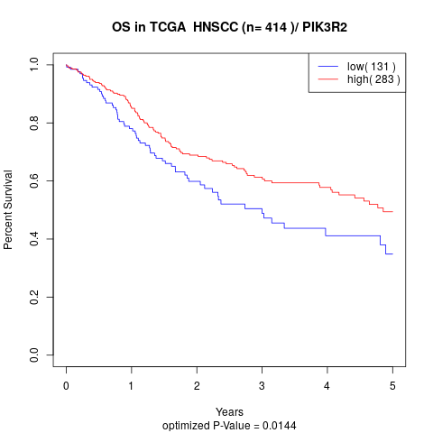

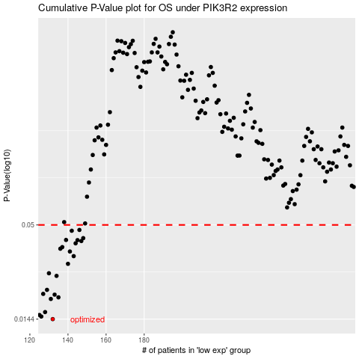

 |  |  |  |  |  | cases_OS | p_OS | rank | exp
 |  |  |  |  |  | 132 | 0.0144 | 363 | -0.4794425821
 |  |  |  |  |  | 126 | 0.0149 | 6 | -0.50850290646
 |  |  |  |  |  | 125 | 0.0152 | 212 | -0.51177435981
 |  |  |  |  |  | 128 | 0.0158 | 152 | -0.49586590203
 |  |  |  |  |  | 131 | 0.0188 | 206 | -0.48170790944
 |  |  |  |  |  | 135 | 0.0192 | 270 | -0.46251928679
 |  |  |  |  |  | 133 | 0.0199 | 329 | -0.47931014487
 |  |  |  |  |  | 127 | 0.0201 | 248 | -0.5017147538
 |  |  |  |  |  | 129 | 0.0212 | 314 | -0.49314283368
 |  |  |  |  |  | 134 | 0.0255 | 176 | -0.4759634857
 |  |  |  |  |  | 130 | 0.0264 | 69 | -0.49006976051
 |  |  |  |  |  | 140 | 0.0299 | 53 | -0.43523567246
 |  |  |  |  |  | 143 | 0.0331 | 100 | -0.42007199494
 |  |  |  |  |  | 141 | 0.0352 | 71 | -0.42780551348
 |  |  |  |  |  | 136 | 0.0365 | 28 | -0.45976335724
 |  |  |  |  |  | 137 | 0.0373 | 255 | -0.45825019842
 |  |  |  |  |  | 144 | 0.0392 | 94 | -0.41558721362
 |  |  |  |  |  | 147 | 0.0404 | 259 | -0.40597696792
 |  |  |  |  |  | 145 | 0.0409 | 29 | -0.40946510667
 |  |  |  |  |  | 139 | 0.041 | 88 | -0.4420703601
 |  |  |  |  |  | 148 | 0.042 | 158 | -0.40334288945
 |  |  |  |  |  | 142 | 0.0463 | 61 | -0.42215074126
 |  |  |  |  |  | 146 | 0.0468 | 266 | -0.40662537004
 |  |  |  |  |  |  | cases_RFS | p_RFS | rank | exp
 |  |  |  |  |  |  | 131 | 0.0144 | 206 | -0.48170790944
 |  |  |  |  |  |  | 125 | 0.0149 | 212 | -0.51177435981
 |  |  |  |  |  |  |  | 0.0152 | 208 | -0.51534432073
 |  |  |  |  |  |  | 127 | 0.0158 | 248 | -0.5017147538
 |  |  |  |  |  |  | 130 | 0.0188 | 69 | -0.49006976051
 |  |  |  |  |  |  | 134 | 0.0192 | 176 | -0.4759634857
 |  |  |  |  |  |  | 132 | 0.0199 | 363 | -0.4794425821
 |  |  |  |  |  |  | 126 | 0.0201 | 6 | -0.50850290646
 |  |  |  |  |  |  | 128 | 0.0212 | 152 | -0.49586590203
 |  |  |  |  |  |  | 133 | 0.0255 | 329 | -0.47931014487
 |  |  |  |  |  |  | 129 | 0.0264 | 314 | -0.49314283368
 |  |  |  |  |  |  | 139 | 0.0299 | 88 | -0.4420703601
 |  |  |  |  |  |  | 142 | 0.0331 | 61 | -0.42215074126
 |  |  |  |  |  |  | 140 | 0.0352 | 53 | -0.43523567246
 |  |  |  |  |  |  | 135 | 0.0365 | 270 | -0.46251928679
 |  |  |  |  |  |  | 136 | 0.0373 | 28 | -0.45976335724
 |  |  |  |  |  |  | 143 | 0.0392 | 100 | -0.42007199494
 |  |  |  |  |  |  | 146 | 0.0404 | 266 | -0.40662537004
 |  |  |  |  |  |  | 144 | 0.0409 | 94 | -0.41558721362
 |  |  |  |  |  |  | 138 | 0.041 | 236 | -0.45700301679
 |  |  |  |  |  |  | 147 | 0.042 | 259 | -0.40597696792
 |  |  |  |  |  |  | 141 | 0.0463 | 71 | -0.42780551348
 |  |  |  |  |  |  | 145 | 0.0468 | 29 | -0.40946510667

