PIK3R4 _multivariate
Reported by Tex Li-Hsing Chi. tex@gate.sinica.edu.tw 2019-08-17

Table 2. The clinicopathological features of HNSCC cohort and PIK3R4 expression. (Chi square test)
Cutoff at -0.132 (49.8%)
 |  | PIK3R4 expression |  | PIK3R4 expression |  | (Optimised)
 | Features | Low | (%) | High | (%) | Case no | P-value | Remark | Matthews
Gender | Female | 140 | 33.7 | 166 | 40 | 415 | 0.0068 | 1 | 0
2 | Male | 67 | 16.1 | 42 | 10.1
Age at diagnosis | <=65y | 133 | 32 | 141 | 34 | 415 | 0.5111 | 0 | 0
4 | >65y | 74 | 17.8 | 67 | 16.1
Clinical T Status | T1+T2 | 72 | 17.3 | 77 | 18.6 | 415 | 0.7095 | 0 | 0
6 | T3+T4 | 135 | 32.5 | 131 | 31.6
Clinical N Status | N0 | 112 | 27 | 104 | 25.1 | 415 | 0.4599 | 0 | 0
8 | N1-3 | 95 | 22.9 | 104 | 25.1
Clinical M Status | M0 | 204 | 49.2 | 208 | 50.1 | 415 | 0.1232 | 0 | 0
10 | M1 | 3 | 0.7 | 0 | 0
Clinical Stage | Stage I+II | 54 | 13 | 48 | 11.6 | 415 | 0.5498 | 0 | 0
12 | Stage III+IV | 153 | 36.9 | 160 | 38.6
Surgical Margin status | Negative | 155 | 37.3 | 163 | 39.3 | 415 | 0.4187 | 0 | 0
14 | Positive | 52 | 12.5 | 45 | 10.8
Tobacco Exposure | Low | 90 | 21.7 | 71 | 17.1 | 415 | 0.0559 | 0 | 0
16 | High | 117 | 28.2 | 137 | 33

Table 3. Univariate/Multivariate Cox's proportional hazards regression analyses on OS time of PIK3R4 gene expression in HNSCC

 |  | Univariate |  |  |  | Multivariate
 | Features | HR | CI95%(L) | CI95%(H) | P-value | HR | CI95%(L) | CI95%(H) | P-value
1 | Female | 1 |  |  |  | 1
Gender | Male | 1.157 | 0.843 | 1.587 | 0.367 | 1.183 | 0.84 | 1.666 | 0.337
11 | <=65y | 1 |  |  |  | 1
Age at diagnosis | >65y | 1.329 | 0.99 | 1.784 | 0.058 | 1.398 | 1.028 | 1.903 | 0.033
12 | T1+T2 | 1 |  |  |  | 1
Clinical T Status | T3+T4 | 1.409 | 1.028 | 1.931 | 0.033 | 2.166 | 1.14 | 4.115 | 0.018
13 | N0 | 1 |  |  |  | 1
Clinical N Status | N1-3 | 1.185 | 0.89 | 1.577 | 0.246 | 1.244 | 0.872 | 1.776 | 0.228
14 | M0 | 1 |  |  |  | 1
Clinical M Status | M1 | 4.097 | 1.009 | 16.644 | 0.049 | 8.927 | 1.91 | 41.723 | 0.005
15 | Stage I+II | 1 |  |  |  | 1
Clinical Stage | Stage III+IV | 1.245 | 0.882 | 1.759 | 0.213 | 0.512 | 0.238 | 1.104 | 0.088
16 | Negative | 1 |  |  |  | 1
Surgical Margin status | Positive | 1.591 | 1.155 | 2.191 | 0.004 | 1.66 | 1.2 | 2.297 | 0.002
17 | Low | 1 |  |  |  | 1
Tobacco Exposure | High | 1.364 | 1.008 | 1.844 | 0.044 | 1.462 | 1.059 | 2.018 | 0.021
18 | Low | 1 |  |  |  | 1
RNAseq(z-score) | High | 0.872 | 0.654 | 1.162 | 0.349 | 0.938 | 0.692 | 1.271 | 0.678

Table 4. Univariate/Multivariate Cox's proportional hazards regression analyses on RFS time of PIK3R4 gene expression in HNSCC

 |  | Univariate |  |  |  | Multivariate
 | Features | HR | CI95%(L) | CI95%(H) | P-value | HR | CI95%(L) | CI95%(H) | P-value
1 | Female | 1 |  |  |  | 1
Gender | Male | 1.157 | 0.843 | 1.587 | 0.367 | 1.183 | 0.84 | 1.666 | 0.337
11 | <=65y | 1 |  |  |  | 1
Age at diagnosis | >65y | 1.329 | 0.99 | 1.784 | 0.058 | 1.398 | 1.028 | 1.903 | 0.033
12 | T1+T2 | 1 |  |  |  | 1
Clinical T Status | T3+T4 | 1.409 | 1.028 | 1.931 | 0.033 | 2.166 | 1.14 | 4.115 | 0.018
13 | N0 | 1 |  |  |  | 1
Clinical N Status | N1-3 | 1.185 | 0.89 | 1.577 | 0.246 | 1.244 | 0.872 | 1.776 | 0.228
14 | M0 | 1 |  |  |  | 1
Clinical M Status | M1 | 4.097 | 1.009 | 16.644 | 0.049 | 8.927 | 1.91 | 41.723 | 0.005
15 | Stage I+II | 1 |  |  |  | 1
Clinical Stage | Stage III+IV | 1.245 | 0.882 | 1.759 | 0.213 | 0.512 | 0.238 | 1.104 | 0.088
16 | Negative | 1 |  |  |  | 1
Surgical Margin status | Positive | 1.591 | 1.155 | 2.191 | 0.004 | 1.66 | 1.2 | 2.297 | 0.002
17 | Low | 1 |  |  |  | 1
Tobacco Exposure | High | 1.364 | 1.008 | 1.844 | 0.044 | 1.462 | 1.059 | 2.018 | 0.021
18 | Low | 1 |  |  |  | 1
RNAseq(z-score) | High | 0.872 | 0.654 | 1.162 | 0.349 | 0.938 | 0.692 | 1.271 | 0.678

Kaplan-Meier survival estimate: Cutoff at -0.132 (49.8%)



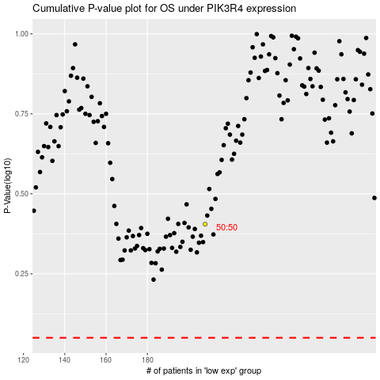

 |  |  |  |  |  | cases_OS | p_OS | rank | exp
 |  |  |  |  |  |  | cases_RFS | p_RFS | rank | exp

