PIK3R5 _multivariate
Reported by Tex Li-Hsing Chi. tex@gate.sinica.edu.tw 2019-08-17

Table 2. The clinicopathological features of HNSCC cohort and PIK3R5 expression. (Chi square test)
Cutoff at -0.077 (57.2%)
 |  | PIK3R5 expression |  | PIK3R5 expression |  | (Optimised)
 | Features | Low | (%) | High | (%) | Case no | P-value | Remark | Matthews
Gender | Female | 186 | 44.8 | 120 | 28.9 | 415 | 0.0154 | 1 | 0
2 | Male | 51 | 12.3 | 58 | 14
Age at diagnosis | <=65y | 159 | 38.3 | 115 | 27.7 | 415 | 0.6718 | 0 | 0
4 | >65y | 78 | 18.8 | 63 | 15.2
Clinical T Status | T1+T2 | 79 | 19 | 70 | 16.9 | 415 | 0.2476 | 0 | 0
6 | T3+T4 | 158 | 38.1 | 108 | 26
Clinical N Status | N0 | 132 | 31.8 | 84 | 20.2 | 415 | 0.1058 | 0 | 0
8 | N1-3 | 105 | 25.3 | 94 | 22.7
Clinical M Status | M0 | 235 | 56.6 | 177 | 42.7 | 415 | 1 | 0 | 0
10 | M1 | 2 | 0.5 | 1 | 0.2
Clinical Stage | Stage I+II | 58 | 14 | 44 | 10.6 | 415 | 1 | 0 | 0
12 | Stage III+IV | 179 | 43.1 | 134 | 32.3
Surgical Margin status | Negative | 172 | 41.4 | 146 | 35.2 | 415 | 0.0262 | 1 | 0
14 | Positive | 65 | 15.7 | 32 | 7.7
Tobacco Exposure | Low | 86 | 20.7 | 75 | 18.1 | 415 | 0.2629 | 0 | 0
16 | High | 151 | 36.4 | 103 | 24.8

Table 3. Univariate/Multivariate Cox's proportional hazards regression analyses on OS time of PIK3R5 gene expression in HNSCC

 |  | Univariate |  |  |  | Multivariate
 | Features | HR | CI95%(L) | CI95%(H) | P-value | HR | CI95%(L) | CI95%(H) | P-value
1 | Female | 1 |  |  |  | 1
Gender | Male | 1.157 | 0.843 | 1.587 | 0.367 | 1.226 | 0.877 | 1.715 | 0.232
11 | <=65y | 1 |  |  |  | 1
Age at diagnosis | >65y | 1.329 | 0.99 | 1.784 | 0.058 | 1.391 | 1.024 | 1.89 | 0.035
12 | T1+T2 | 1 |  |  |  | 1
Clinical T Status | T3+T4 | 1.409 | 1.028 | 1.931 | 0.033 | 2.115 | 1.117 | 4.007 | 0.022
13 | N0 | 1 |  |  |  | 1
Clinical N Status | N1-3 | 1.185 | 0.89 | 1.577 | 0.246 | 1.254 | 0.879 | 1.789 | 0.212
14 | M0 | 1 |  |  |  | 1
Clinical M Status | M1 | 4.097 | 1.009 | 16.644 | 0.049 | 8.991 | 1.96 | 41.256 | 0.005
15 | Stage I+II | 1 |  |  |  | 1
Clinical Stage | Stage III+IV | 1.245 | 0.882 | 1.759 | 0.213 | 0.515 | 0.24 | 1.106 | 0.089
16 | Negative | 1 |  |  |  | 1
Surgical Margin status | Positive | 1.591 | 1.155 | 2.191 | 0.004 | 1.628 | 1.176 | 2.254 | 0.003
17 | Low | 1 |  |  |  | 1
Tobacco Exposure | High | 1.364 | 1.008 | 1.844 | 0.044 | 1.427 | 1.034 | 1.968 | 0.03
18 | Low | 1 |  |  |  | 1
RNAseq(z-score) | High | 0.743 | 0.553 | 0.998 | 0.048 | 0.797 | 0.59 | 1.076 | 0.139

Table 4. Univariate/Multivariate Cox's proportional hazards regression analyses on RFS time of PIK3R5 gene expression in HNSCC

 |  | Univariate |  |  |  | Multivariate
 | Features | HR | CI95%(L) | CI95%(H) | P-value | HR | CI95%(L) | CI95%(H) | P-value
1 | Female | 1 |  |  |  | 1
Gender | Male | 1.157 | 0.843 | 1.587 | 0.367 | 1.226 | 0.877 | 1.715 | 0.232
11 | <=65y | 1 |  |  |  | 1
Age at diagnosis | >65y | 1.329 | 0.99 | 1.784 | 0.058 | 1.391 | 1.024 | 1.89 | 0.035
12 | T1+T2 | 1 |  |  |  | 1
Clinical T Status | T3+T4 | 1.409 | 1.028 | 1.931 | 0.033 | 2.115 | 1.117 | 4.007 | 0.022
13 | N0 | 1 |  |  |  | 1
Clinical N Status | N1-3 | 1.185 | 0.89 | 1.577 | 0.246 | 1.254 | 0.879 | 1.789 | 0.212
14 | M0 | 1 |  |  |  | 1
Clinical M Status | M1 | 4.097 | 1.009 | 16.644 | 0.049 | 8.991 | 1.96 | 41.256 | 0.005
15 | Stage I+II | 1 |  |  |  | 1
Clinical Stage | Stage III+IV | 1.245 | 0.882 | 1.759 | 0.213 | 0.515 | 0.24 | 1.106 | 0.089
16 | Negative | 1 |  |  |  | 1
Surgical Margin status | Positive | 1.591 | 1.155 | 2.191 | 0.004 | 1.628 | 1.176 | 2.254 | 0.003
17 | Low | 1 |  |  |  | 1
Tobacco Exposure | High | 1.364 | 1.008 | 1.844 | 0.044 | 1.427 | 1.034 | 1.968 | 0.03
18 | Low | 1 |  |  |  | 1
RNAseq(z-score) | High | 0.743 | 0.553 | 0.998 | 0.048 | 0.797 | 0.59 | 1.076 | 0.139

Kaplan-Meier survival estimate: Cutoff at -0.077 (57.2%)



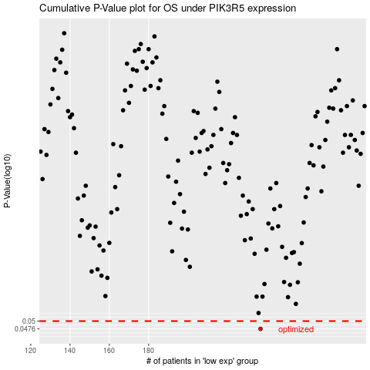

 |  |  |  |  |  | cases_OS | p_OS | rank | exp
 |  |  |  |  |  | 237 | 0.0476 | 402 | -0.076936044925
 |  |  |  |  |  |  | cases_RFS | p_RFS | rank | exp
 |  |  |  |  |  |  | 236 | 0.0476 | 256 | -0.078112768609

