PIKFYVE _multivariate
Reported by Tex Li-Hsing Chi. tex@gate.sinica.edu.tw 2019-08-17

Table 2. The clinicopathological features of HNSCC cohort and PIKFYVE expression. (Chi square test)
Cutoff at 0.191 (66.2%)
 |  | PIKFYVE expression |  | PIKFYVE expression |  | (Optimised)
 | Features | Low | (%) | High | (%) | Case no | P-value | Remark | Matthews
Gender | Female | 199 | 48 | 107 | 25.8 | 415 | 0.4403 | 0 | 0
2 | Male | 76 | 18.3 | 33 | 8
Age at diagnosis | <=65y | 181 | 43.6 | 93 | 22.4 | 415 | 0.9884 | 0 | 0
4 | >65y | 94 | 22.7 | 47 | 11.3
Clinical T Status | T1+T2 | 96 | 23.1 | 53 | 12.8 | 415 | 0.6286 | 0 | 0
6 | T3+T4 | 179 | 43.1 | 87 | 21
Clinical N Status | N0 | 146 | 35.2 | 70 | 16.9 | 415 | 0.6227 | 0 | 0
8 | N1-3 | 129 | 31.1 | 70 | 16.9
Clinical M Status | M0 | 272 | 65.5 | 140 | 33.7 | 415 | 0.554 | 0 | 0
10 | M1 | 3 | 0.7 | 0 | 0
Clinical Stage | Stage I+II | 70 | 16.9 | 32 | 7.7 | 415 | 0.6452 | 0 | 0
12 | Stage III+IV | 205 | 49.4 | 108 | 26
Surgical Margin status | Negative | 206 | 49.6 | 112 | 27 | 415 | 0.271 | 0 | 0
14 | Positive | 69 | 16.6 | 28 | 6.7
Tobacco Exposure | Low | 105 | 25.3 | 56 | 13.5 | 415 | 0.7498 | 0 | 0
16 | High | 170 | 41 | 84 | 20.2

Table 3. Univariate/Multivariate Cox's proportional hazards regression analyses on OS time of PIKFYVE gene expression in HNSCC

 |  | Univariate |  |  |  | Multivariate
 | Features | HR | CI95%(L) | CI95%(H) | P-value | HR | CI95%(L) | CI95%(H) | P-value
1 | Female | 1 |  |  |  | 1
Gender | Male | 1.157 | 0.843 | 1.587 | 0.367 | 1.152 | 0.821 | 1.616 | 0.412
11 | <=65y | 1 |  |  |  | 1
Age at diagnosis | >65y | 1.329 | 0.99 | 1.784 | 0.058 | 1.393 | 1.026 | 1.892 | 0.034
12 | T1+T2 | 1 |  |  |  | 1
Clinical T Status | T3+T4 | 1.409 | 1.028 | 1.931 | 0.033 | 2.057 | 1.086 | 3.896 | 0.027
13 | N0 | 1 |  |  |  | 1
Clinical N Status | N1-3 | 1.185 | 0.89 | 1.577 | 0.246 | 1.214 | 0.851 | 1.731 | 0.284
14 | M0 | 1 |  |  |  | 1
Clinical M Status | M1 | 4.097 | 1.009 | 16.644 | 0.049 | 7.642 | 1.656 | 35.253 | 0.009
15 | Stage I+II | 1 |  |  |  | 1
Clinical Stage | Stage III+IV | 1.245 | 0.882 | 1.759 | 0.213 | 0.559 | 0.26 | 1.203 | 0.137
16 | Negative | 1 |  |  |  | 1
Surgical Margin status | Positive | 1.591 | 1.155 | 2.191 | 0.004 | 1.598 | 1.155 | 2.211 | 0.005
17 | Low | 1 |  |  |  | 1
Tobacco Exposure | High | 1.364 | 1.008 | 1.844 | 0.044 | 1.381 | 0.999 | 1.91 | 0.051
18 | Low | 1 |  |  |  | 1
RNAseq(z-score) | High | 0.573 | 0.413 | 0.794 | 0.001 | 0.643 | 0.461 | 0.897 | 0.009

Table 4. Univariate/Multivariate Cox's proportional hazards regression analyses on RFS time of PIKFYVE gene expression in HNSCC

 |  | Univariate |  |  |  | Multivariate
 | Features | HR | CI95%(L) | CI95%(H) | P-value | HR | CI95%(L) | CI95%(H) | P-value
1 | Female | 1 |  |  |  | 1
Gender | Male | 1.157 | 0.843 | 1.587 | 0.367 | 1.152 | 0.821 | 1.616 | 0.412
11 | <=65y | 1 |  |  |  | 1
Age at diagnosis | >65y | 1.329 | 0.99 | 1.784 | 0.058 | 1.393 | 1.026 | 1.892 | 0.034
12 | T1+T2 | 1 |  |  |  | 1
Clinical T Status | T3+T4 | 1.409 | 1.028 | 1.931 | 0.033 | 2.057 | 1.086 | 3.896 | 0.027
13 | N0 | 1 |  |  |  | 1
Clinical N Status | N1-3 | 1.185 | 0.89 | 1.577 | 0.246 | 1.214 | 0.851 | 1.731 | 0.284
14 | M0 | 1 |  |  |  | 1
Clinical M Status | M1 | 4.097 | 1.009 | 16.644 | 0.049 | 7.642 | 1.656 | 35.253 | 0.009
15 | Stage I+II | 1 |  |  |  | 1
Clinical Stage | Stage III+IV | 1.245 | 0.882 | 1.759 | 0.213 | 0.559 | 0.26 | 1.203 | 0.137
16 | Negative | 1 |  |  |  | 1
Surgical Margin status | Positive | 1.591 | 1.155 | 2.191 | 0.004 | 1.598 | 1.155 | 2.211 | 0.005
17 | Low | 1 |  |  |  | 1
Tobacco Exposure | High | 1.364 | 1.008 | 1.844 | 0.044 | 1.381 | 0.999 | 1.91 | 0.051
18 | Low | 1 |  |  |  | 1
RNAseq(z-score) | High | 0.573 | 0.413 | 0.794 | 0.001 | 0.643 | 0.461 | 0.897 | 0.009

Kaplan-Meier survival estimate: Cutoff at 0.191 (66.2%)

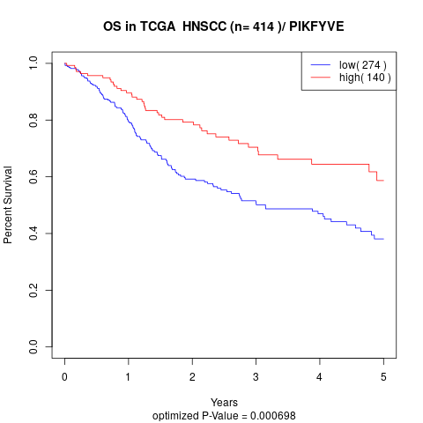

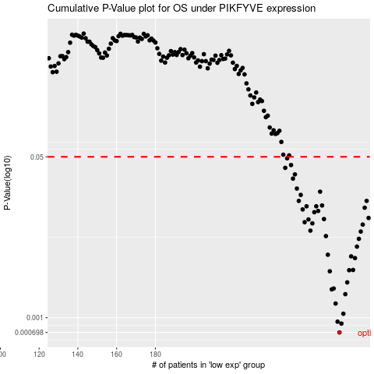

 |  |  |  |  |  | cases_OS | p_OS | rank | exp
 |  |  |  |  |  | 275 | 0.000698 | 33 | 0.19144877984
 |  |  |  |  |  | 276 | 0.000866 | 134 | 0.19850439279
 |  |  |  |  |  | 274 | 0.000907 | 273 | 0.18578331767
 |  |  |  |  |  | 277 | 0.0011 | 57 | 0.19890572624
 |  |  |  |  |  | 273 | 0.00141 | 68 | 0.17707626025
 |  |  |  |  |  | 278 | 0.00177 | 129 | 0.21302719895
 |  |  |  |  |  | 271 | 0.00199 | 345 | 0.17348065403
 |  |  |  |  |  | 272 | 0.00203 | 163 | 0.17353018029
 |  |  |  |  |  | 279 | 0.00236 | 151 | 0.21466805506
 |  |  |  |  |  | 270 | 0.00309 | 70 | 0.17345503701
 |  |  |  |  |  | 280 | 0.00317 | 122 | 0.22047799727
 |  |  |  |  |  | 282 | 0.00319 | 165 | 0.23681346442
 |  |  |  |  |  | 283 | 0.00426 | 121 | 0.2437092271
 |  |  |  |  |  | 281 | 0.00444 | 143 | 0.22620118314
 |  |  |  |  |  | 269 | 0.00462 | 204 | 0.17264827137
 |  |  |  |  |  | 284 | 0.00563 | 37 | 0.25368279045
 |  |  |  |  |  | 285 | 0.0068 | 305 | 0.26149325186
 |  |  |  |  |  | 268 | 0.00727 | 281 | 0.16046993571
 |  |  |  |  |  | 286 | 0.00812 | 336 | 0.26160289274
 |  |  |  |  |  | 260 | 0.0083 | 156 | 0.1109156714
 |  |  |  |  |  | 287 | 0.00962 | 231 | 0.26181500175
 |  |  |  |  |  | 261 | 0.00991 | 166 | 0.12843908558
 |  |  |  |  |  | 257 | 0.0102 | 403 | 0.089531941712
 |  |  |  |  |  | 259 | 0.0109 | 375 | 0.093908696532
 |  |  |  |  |  | 267 | 0.011 | 239 | 0.15965702199
 |  |  |  |  |  | 290 | 0.0113 | 186 | 0.29322113792
 |  |  |  |  |  | 262 | 0.013 | 367 | 0.13451305397
 |  |  |  |  |  | 264 | 0.0134 | 183 | 0.14846921145
 |  |  |  |  |  | 256 | 0.0139 | 208 | 0.088523655445
 |  |  |  |  |  | 288 | 0.0145 | 91 | 0.28802873689
 |  |  |  |  |  | 263 | 0.015 | 72 | 0.13472038113
 |  |  |  |  |  | 258 | 0.015 | 302 | 0.092760028945
 |  |  |  |  |  | 266 | 0.0153 | 227 | 0.15255632306
 |  |  |  |  |  | 254 | 0.0171 | 9 | 0.086109165058
 |  |  |  |  |  | 289 | 0.0171 | 115 | 0.28950940118
 |  |  |  |  |  | 255 | 0.0198 | 79 | 0.086748907666
 |  |  |  |  |  | 265 | 0.0214 | 67 | 0.14950311475
 |  |  |  |  |  | 253 | 0.0231 | 137 | 0.076818722486
 |  |  |  |  |  | 251 | 0.0294 | 346 | 0.067586345181
 |  |  |  |  |  | 252 | 0.0326 | 78 | 0.07408009129
 |  |  |  |  |  | 247 | 0.0382 | 399 | 0.040617761575
 |  |  |  |  |  | 250 | 0.0409 | 213 | 0.061823196744
 |  |  |  |  |  | 248 | 0.0482 | 384 | 0.044734588939
 |  |  |  |  |  |  | cases_RFS | p_RFS | rank | exp
 |  |  |  |  |  |  | 274 | 0.000698 | 273 | 0.18578331767
 |  |  |  |  |  |  | 275 | 0.000866 | 33 | 0.19144877984
 |  |  |  |  |  |  | 273 | 0.000907 | 68 | 0.17707626025
 |  |  |  |  |  |  | 276 | 0.0011 | 134 | 0.19850439279
 |  |  |  |  |  |  | 272 | 0.00141 | 163 | 0.17353018029
 |  |  |  |  |  |  | 277 | 0.00177 | 57 | 0.19890572624
 |  |  |  |  |  |  | 270 | 0.00199 | 70 | 0.17345503701
 |  |  |  |  |  |  | 271 | 0.00203 | 345 | 0.17348065403
 |  |  |  |  |  |  | 278 | 0.00236 | 129 | 0.21302719895
 |  |  |  |  |  |  | 269 | 0.00309 | 204 | 0.17264827137
 |  |  |  |  |  |  | 279 | 0.00317 | 151 | 0.21466805506
 |  |  |  |  |  |  | 281 | 0.00319 | 143 | 0.22620118314
 |  |  |  |  |  |  | 282 | 0.00426 | 165 | 0.23681346442
 |  |  |  |  |  |  | 280 | 0.00444 | 122 | 0.22047799727
 |  |  |  |  |  |  | 268 | 0.00462 | 281 | 0.16046993571
 |  |  |  |  |  |  | 283 | 0.00563 | 121 | 0.2437092271
 |  |  |  |  |  |  | 284 | 0.0068 | 37 | 0.25368279045
 |  |  |  |  |  |  | 267 | 0.00727 | 239 | 0.15965702199
 |  |  |  |  |  |  | 285 | 0.00812 | 305 | 0.26149325186
 |  |  |  |  |  |  | 259 | 0.0083 | 375 | 0.093908696532
 |  |  |  |  |  |  | 286 | 0.00962 | 336 | 0.26160289274
 |  |  |  |  |  |  | 260 | 0.00991 | 156 | 0.1109156714
 |  |  |  |  |  |  | 256 | 0.0102 | 208 | 0.088523655445
 |  |  |  |  |  |  | 258 | 0.0109 | 302 | 0.092760028945
 |  |  |  |  |  |  | 266 | 0.011 | 227 | 0.15255632306
 |  |  |  |  |  |  | 289 | 0.0113 | 115 | 0.28950940118
 |  |  |  |  |  |  | 261 | 0.013 | 166 | 0.12843908558
 |  |  |  |  |  |  | 263 | 0.0134 | 72 | 0.13472038113
 |  |  |  |  |  |  | 255 | 0.0139 | 79 | 0.086748907666
 |  |  |  |  |  |  | 287 | 0.0145 | 231 | 0.26181500175
 |  |  |  |  |  |  | 262 | 0.015 | 367 | 0.13451305397
 |  |  |  |  |  |  | 257 | 0.015 | 403 | 0.089531941712
 |  |  |  |  |  |  | 265 | 0.0153 | 67 | 0.14950311475
 |  |  |  |  |  |  | 288 | 0.0171 | 91 | 0.28802873689
 |  |  |  |  |  |  | 253 | 0.0171 | 137 | 0.076818722486
 |  |  |  |  |  |  | 254 | 0.0198 | 9 | 0.086109165058
 |  |  |  |  |  |  | 264 | 0.0214 | 183 | 0.14846921145
 |  |  |  |  |  |  | 252 | 0.0231 | 78 | 0.07408009129
 |  |  |  |  |  |  | 250 | 0.0294 | 213 | 0.061823196744
 |  |  |  |  |  |  | 251 | 0.0326 | 346 | 0.067586345181
 |  |  |  |  |  |  | 246 | 0.0382 | 276 | 0.038720052056
 |  |  |  |  |  |  | 249 | 0.0409 | 404 | 0.046660306411
 |  |  |  |  |  |  | 247 | 0.0482 | 399 | 0.040617761575

