PIM1 _multivariate
Reported by Tex Li-Hsing Chi. tex@gate.sinica.edu.tw 2019-08-17

Table 2. The clinicopathological features of HNSCC cohort and PIM1 expression. (Chi square test)
Cutoff at -0.279 (50.0%)
 |  | PIM1 expression |  | PIM1 expression |  | (Optimised)
 | Features | Low | (%) | High | (%) | Case no | P-value | Remark | Matthews
Gender | Female | 153 | 36.9 | 153 | 36.9 | 415 | 1 | 0 | 0
2 | Male | 54 | 13 | 55 | 13.3
Age at diagnosis | <=65y | 142 | 34.2 | 132 | 31.8 | 415 | 0.3167 | 0 | 0
4 | >65y | 65 | 15.7 | 76 | 18.3
Clinical T Status | T1+T2 | 80 | 19.3 | 69 | 16.6 | 415 | 0.2891 | 0 | 0
6 | T3+T4 | 127 | 30.6 | 139 | 33.5
Clinical N Status | N0 | 104 | 25.1 | 112 | 27 | 415 | 0.5243 | 0 | 0
8 | N1-3 | 103 | 24.8 | 96 | 23.1
Clinical M Status | M0 | 205 | 49.4 | 207 | 49.9 | 415 | 0.6232 | 0 | 0
10 | M1 | 2 | 0.5 | 1 | 0.2
Clinical Stage | Stage I+II | 54 | 13 | 48 | 11.6 | 415 | 0.5498 | 0 | 0
12 | Stage III+IV | 153 | 36.9 | 160 | 38.6
Surgical Margin status | Negative | 157 | 37.8 | 161 | 38.8 | 415 | 0.729 | 0 | 0
14 | Positive | 50 | 12 | 47 | 11.3
Tobacco Exposure | Low | 73 | 17.6 | 88 | 21.2 | 415 | 0.1587 | 0 | 0
16 | High | 134 | 32.3 | 120 | 28.9

Table 3. Univariate/Multivariate Cox's proportional hazards regression analyses on OS time of PIM1 gene expression in HNSCC

 |  | Univariate |  |  |  | Multivariate
 | Features | HR | CI95%(L) | CI95%(H) | P-value | HR | CI95%(L) | CI95%(H) | P-value
1 | Female | 1 |  |  |  | 1
Gender | Male | 1.157 | 0.843 | 1.587 | 0.367 | 1.191 | 0.852 | 1.667 | 0.307
11 | <=65y | 1 |  |  |  | 1
Age at diagnosis | >65y | 1.329 | 0.99 | 1.784 | 0.058 | 1.382 | 1.016 | 1.881 | 0.039
12 | T1+T2 | 1 |  |  |  | 1
Clinical T Status | T3+T4 | 1.409 | 1.028 | 1.931 | 0.033 | 2.205 | 1.166 | 4.169 | 0.015
13 | N0 | 1 |  |  |  | 1
Clinical N Status | N1-3 | 1.185 | 0.89 | 1.577 | 0.246 | 1.252 | 0.876 | 1.789 | 0.217
14 | M0 | 1 |  |  |  | 1
Clinical M Status | M1 | 4.097 | 1.009 | 16.644 | 0.049 | 9.452 | 2.062 | 43.327 | 0.004
15 | Stage I+II | 1 |  |  |  | 1
Clinical Stage | Stage III+IV | 1.245 | 0.882 | 1.759 | 0.213 | 0.5 | 0.233 | 1.074 | 0.076
16 | Negative | 1 |  |  |  | 1
Surgical Margin status | Positive | 1.591 | 1.155 | 2.191 | 0.004 | 1.66 | 1.2 | 2.296 | 0.002
17 | Low | 1 |  |  |  | 1
Tobacco Exposure | High | 1.364 | 1.008 | 1.844 | 0.044 | 1.46 | 1.059 | 2.011 | 0.021
18 | Low | 1 |  |  |  | 1
RNAseq(z-score) | High | 1.096 | 0.822 | 1.46 | 0.534 | 1.08 | 0.805 | 1.449 | 0.606

Table 4. Univariate/Multivariate Cox's proportional hazards regression analyses on RFS time of PIM1 gene expression in HNSCC

 |  | Univariate |  |  |  | Multivariate
 | Features | HR | CI95%(L) | CI95%(H) | P-value | HR | CI95%(L) | CI95%(H) | P-value
1 | Female | 1 |  |  |  | 1
Gender | Male | 1.157 | 0.843 | 1.587 | 0.367 | 1.191 | 0.852 | 1.667 | 0.307
11 | <=65y | 1 |  |  |  | 1
Age at diagnosis | >65y | 1.329 | 0.99 | 1.784 | 0.058 | 1.382 | 1.016 | 1.881 | 0.039
12 | T1+T2 | 1 |  |  |  | 1
Clinical T Status | T3+T4 | 1.409 | 1.028 | 1.931 | 0.033 | 2.205 | 1.166 | 4.169 | 0.015
13 | N0 | 1 |  |  |  | 1
Clinical N Status | N1-3 | 1.185 | 0.89 | 1.577 | 0.246 | 1.252 | 0.876 | 1.789 | 0.217
14 | M0 | 1 |  |  |  | 1
Clinical M Status | M1 | 4.097 | 1.009 | 16.644 | 0.049 | 9.452 | 2.062 | 43.327 | 0.004
15 | Stage I+II | 1 |  |  |  | 1
Clinical Stage | Stage III+IV | 1.245 | 0.882 | 1.759 | 0.213 | 0.5 | 0.233 | 1.074 | 0.076
16 | Negative | 1 |  |  |  | 1
Surgical Margin status | Positive | 1.591 | 1.155 | 2.191 | 0.004 | 1.66 | 1.2 | 2.296 | 0.002
17 | Low | 1 |  |  |  | 1
Tobacco Exposure | High | 1.364 | 1.008 | 1.844 | 0.044 | 1.46 | 1.059 | 2.011 | 0.021
18 | Low | 1 |  |  |  | 1
RNAseq(z-score) | High | 1.096 | 0.822 | 1.46 | 0.534 | 1.08 | 0.805 | 1.449 | 0.606

Kaplan-Meier survival estimate: Cutoff at -0.279 (50.0%)



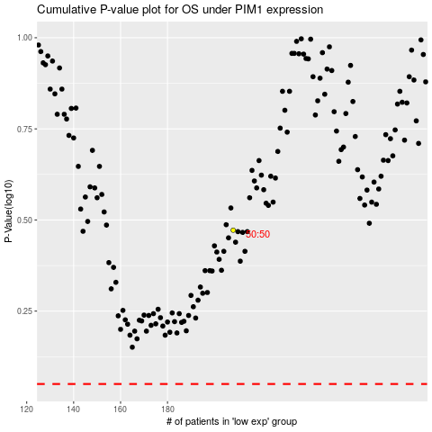

 |  |  |  |  |  | cases_OS | p_OS | rank | exp
 |  |  |  |  |  |  | cases_RFS | p_RFS | rank | exp

