PIM3 _multivariate
Reported by Tex Li-Hsing Chi. tex@gate.sinica.edu.tw 2019-08-17

Table 2. The clinicopathological features of HNSCC cohort and PIM3 expression. (Chi square test)
Cutoff at -0.223 (50.0%)
 |  | PIM3 expression |  | PIM3 expression |  | (Optimised)
 | Features | Low | (%) | High | (%) | Case no | P-value | Remark | Matthews
Gender | Female | 148 | 35.7 | 158 | 38.1 | 415 | 0.3567 | 0 | 0
2 | Male | 59 | 14.2 | 50 | 12
Age at diagnosis | <=65y | 129 | 31.1 | 145 | 34.9 | 415 | 0.1372 | 0 | 0
4 | >65y | 78 | 18.8 | 63 | 15.2
Clinical T Status | T1+T2 | 85 | 20.5 | 64 | 15.4 | 415 | 0.0372 | 1 | 0
6 | T3+T4 | 122 | 29.4 | 144 | 34.7
Clinical N Status | N0 | 118 | 28.4 | 98 | 23.6 | 415 | 0.0551 | 1 | 0
8 | N1-3 | 89 | 21.4 | 110 | 26.5
Clinical M Status | M0 | 206 | 49.6 | 206 | 49.6 | 415 | 1 | 0 | 0
10 | M1 | 1 | 0.2 | 2 | 0.5
Clinical Stage | Stage I+II | 65 | 15.7 | 37 | 8.9 | 415 | 0.0019 | 1 | 0
12 | Stage III+IV | 142 | 34.2 | 171 | 41.2
Surgical Margin status | Negative | 163 | 39.3 | 155 | 37.3 | 415 | 0.3537 | 0 | 0
14 | Positive | 44 | 10.6 | 53 | 12.8
Tobacco Exposure | Low | 96 | 23.1 | 65 | 15.7 | 415 | 0.0018 | 1 | 0
16 | High | 111 | 26.7 | 143 | 34.5

Table 3. Univariate/Multivariate Cox's proportional hazards regression analyses on OS time of PIM3 gene expression in HNSCC

 |  | Univariate |  |  |  | Multivariate
 | Features | HR | CI95%(L) | CI95%(H) | P-value | HR | CI95%(L) | CI95%(H) | P-value
1 | Female | 1 |  |  |  | 1
Gender | Male | 1.157 | 0.843 | 1.587 | 0.367 | 1.202 | 0.86 | 1.68 | 0.282
11 | <=65y | 1 |  |  |  | 1
Age at diagnosis | >65y | 1.329 | 0.99 | 1.784 | 0.058 | 1.392 | 1.023 | 1.894 | 0.035
12 | T1+T2 | 1 |  |  |  | 1
Clinical T Status | T3+T4 | 1.409 | 1.028 | 1.931 | 0.033 | 2.203 | 1.165 | 4.166 | 0.015
13 | N0 | 1 |  |  |  | 1
Clinical N Status | N1-3 | 1.185 | 0.89 | 1.577 | 0.246 | 1.241 | 0.869 | 1.771 | 0.234
14 | M0 | 1 |  |  |  | 1
Clinical M Status | M1 | 4.097 | 1.009 | 16.644 | 0.049 | 9.406 | 2.052 | 43.118 | 0.004
15 | Stage I+II | 1 |  |  |  | 1
Clinical Stage | Stage III+IV | 1.245 | 0.882 | 1.759 | 0.213 | 0.504 | 0.234 | 1.088 | 0.081
16 | Negative | 1 |  |  |  | 1
Surgical Margin status | Positive | 1.591 | 1.155 | 2.191 | 0.004 | 1.671 | 1.209 | 2.311 | 0.002
17 | Low | 1 |  |  |  | 1
Tobacco Exposure | High | 1.364 | 1.008 | 1.844 | 0.044 | 1.453 | 1.053 | 2.004 | 0.023
18 | Low | 1 |  |  |  | 1
RNAseq(z-score) | High | 1.045 | 0.783 | 1.393 | 0.766 | 1.002 | 0.743 | 1.351 | 0.99

Table 4. Univariate/Multivariate Cox's proportional hazards regression analyses on RFS time of PIM3 gene expression in HNSCC

 |  | Univariate |  |  |  | Multivariate
 | Features | HR | CI95%(L) | CI95%(H) | P-value | HR | CI95%(L) | CI95%(H) | P-value
1 | Female | 1 |  |  |  | 1
Gender | Male | 1.157 | 0.843 | 1.587 | 0.367 | 1.202 | 0.86 | 1.68 | 0.282
11 | <=65y | 1 |  |  |  | 1
Age at diagnosis | >65y | 1.329 | 0.99 | 1.784 | 0.058 | 1.392 | 1.023 | 1.894 | 0.035
12 | T1+T2 | 1 |  |  |  | 1
Clinical T Status | T3+T4 | 1.409 | 1.028 | 1.931 | 0.033 | 2.203 | 1.165 | 4.166 | 0.015
13 | N0 | 1 |  |  |  | 1
Clinical N Status | N1-3 | 1.185 | 0.89 | 1.577 | 0.246 | 1.241 | 0.869 | 1.771 | 0.234
14 | M0 | 1 |  |  |  | 1
Clinical M Status | M1 | 4.097 | 1.009 | 16.644 | 0.049 | 9.406 | 2.052 | 43.118 | 0.004
15 | Stage I+II | 1 |  |  |  | 1
Clinical Stage | Stage III+IV | 1.245 | 0.882 | 1.759 | 0.213 | 0.504 | 0.234 | 1.088 | 0.081
16 | Negative | 1 |  |  |  | 1
Surgical Margin status | Positive | 1.591 | 1.155 | 2.191 | 0.004 | 1.671 | 1.209 | 2.311 | 0.002
17 | Low | 1 |  |  |  | 1
Tobacco Exposure | High | 1.364 | 1.008 | 1.844 | 0.044 | 1.453 | 1.053 | 2.004 | 0.023
18 | Low | 1 |  |  |  | 1
RNAseq(z-score) | High | 1.045 | 0.783 | 1.393 | 0.766 | 1.002 | 0.743 | 1.351 | 0.99

Kaplan-Meier survival estimate: Cutoff at -0.223 (50.0%)



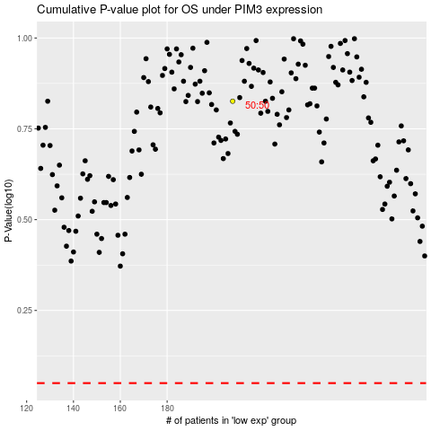

 |  |  |  |  |  | cases_OS | p_OS | rank | exp
 |  |  |  |  |  |  | cases_RFS | p_RFS | rank | exp

