PIN1L _multivariate
Reported by Tex Li-Hsing Chi. tex@gate.sinica.edu.tw 2019-08-17

Table 2. The clinicopathological features of HNSCC cohort and PIN1L expression. (Chi square test)
Cutoff at -0.22 (50.0%)
 |  | PIN1L expression |  | PIN1L expression |  | (Optimised)
 | Features | Low | (%) | High | (%) | Case no | P-value | Remark | Matthews
Gender | Female | 150 | 36.1 | 156 | 37.6 | 415 | 0.6344 | 0 | 0
2 | Male | 57 | 13.7 | 52 | 12.5
Age at diagnosis | <=65y | 141 | 34 | 133 | 32 | 415 | 0.4272 | 0 | 0
4 | >65y | 66 | 15.9 | 75 | 18.1
Clinical T Status | T1+T2 | 76 | 18.3 | 73 | 17.6 | 415 | 0.8092 | 0 | 0
6 | T3+T4 | 131 | 31.6 | 135 | 32.5
Clinical N Status | N0 | 106 | 25.5 | 110 | 26.5 | 415 | 0.8075 | 0 | 0
8 | N1-3 | 101 | 24.3 | 98 | 23.6
Clinical M Status | M0 | 204 | 49.2 | 208 | 50.1 | 415 | 0.1232 | 0 | 0
10 | M1 | 3 | 0.7 | 0 | 0
Clinical Stage | Stage I+II | 51 | 12.3 | 51 | 12.3 | 415 | 1 | 0 | 0
12 | Stage III+IV | 156 | 37.6 | 157 | 37.8
Surgical Margin status | Negative | 162 | 39 | 156 | 37.6 | 415 | 0.4867 | 0 | 0
14 | Positive | 45 | 10.8 | 52 | 12.5
Tobacco Exposure | Low | 79 | 19 | 82 | 19.8 | 415 | 0.8405 | 0 | 0
16 | High | 128 | 30.8 | 126 | 30.4

Table 3. Univariate/Multivariate Cox's proportional hazards regression analyses on OS time of PIN1L gene expression in HNSCC

 |  | Univariate |  |  |  | Multivariate
 | Features | HR | CI95%(L) | CI95%(H) | P-value | HR | CI95%(L) | CI95%(H) | P-value
1 | Female | 1 |  |  |  | 1
Gender | Male | 1.157 | 0.843 | 1.587 | 0.367 | 1.205 | 0.862 | 1.685 | 0.276
11 | <=65y | 1 |  |  |  | 1
Age at diagnosis | >65y | 1.329 | 0.99 | 1.784 | 0.058 | 1.39 | 1.022 | 1.89 | 0.036
12 | T1+T2 | 1 |  |  |  | 1
Clinical T Status | T3+T4 | 1.409 | 1.028 | 1.931 | 0.033 | 2.202 | 1.165 | 4.163 | 0.015
13 | N0 | 1 |  |  |  | 1
Clinical N Status | N1-3 | 1.185 | 0.89 | 1.577 | 0.246 | 1.242 | 0.871 | 1.772 | 0.232
14 | M0 | 1 |  |  |  | 1
Clinical M Status | M1 | 4.097 | 1.009 | 16.644 | 0.049 | 9.547 | 2.068 | 44.066 | 0.004
15 | Stage I+II | 1 |  |  |  | 1
Clinical Stage | Stage III+IV | 1.245 | 0.882 | 1.759 | 0.213 | 0.505 | 0.235 | 1.084 | 0.079
16 | Negative | 1 |  |  |  | 1
Surgical Margin status | Positive | 1.591 | 1.155 | 2.191 | 0.004 | 1.669 | 1.207 | 2.307 | 0.002
17 | Low | 1 |  |  |  | 1
Tobacco Exposure | High | 1.364 | 1.008 | 1.844 | 0.044 | 1.455 | 1.056 | 2.005 | 0.022
18 | Low | 1 |  |  |  | 1
RNAseq(z-score) | High | 1.014 | 0.761 | 1.35 | 0.927 | 1.03 | 0.77 | 1.378 | 0.841

Table 4. Univariate/Multivariate Cox's proportional hazards regression analyses on RFS time of PIN1L gene expression in HNSCC

 |  | Univariate |  |  |  | Multivariate
 | Features | HR | CI95%(L) | CI95%(H) | P-value | HR | CI95%(L) | CI95%(H) | P-value
1 | Female | 1 |  |  |  | 1
Gender | Male | 1.157 | 0.843 | 1.587 | 0.367 | 1.205 | 0.862 | 1.685 | 0.276
11 | <=65y | 1 |  |  |  | 1
Age at diagnosis | >65y | 1.329 | 0.99 | 1.784 | 0.058 | 1.39 | 1.022 | 1.89 | 0.036
12 | T1+T2 | 1 |  |  |  | 1
Clinical T Status | T3+T4 | 1.409 | 1.028 | 1.931 | 0.033 | 2.202 | 1.165 | 4.163 | 0.015
13 | N0 | 1 |  |  |  | 1
Clinical N Status | N1-3 | 1.185 | 0.89 | 1.577 | 0.246 | 1.242 | 0.871 | 1.772 | 0.232
14 | M0 | 1 |  |  |  | 1
Clinical M Status | M1 | 4.097 | 1.009 | 16.644 | 0.049 | 9.547 | 2.068 | 44.066 | 0.004
15 | Stage I+II | 1 |  |  |  | 1
Clinical Stage | Stage III+IV | 1.245 | 0.882 | 1.759 | 0.213 | 0.505 | 0.235 | 1.084 | 0.079
16 | Negative | 1 |  |  |  | 1
Surgical Margin status | Positive | 1.591 | 1.155 | 2.191 | 0.004 | 1.669 | 1.207 | 2.307 | 0.002
17 | Low | 1 |  |  |  | 1
Tobacco Exposure | High | 1.364 | 1.008 | 1.844 | 0.044 | 1.455 | 1.056 | 2.005 | 0.022
18 | Low | 1 |  |  |  | 1
RNAseq(z-score) | High | 1.014 | 0.761 | 1.35 | 0.927 | 1.03 | 0.77 | 1.378 | 0.841

Kaplan-Meier survival estimate: Cutoff at -0.22 (50.0%)



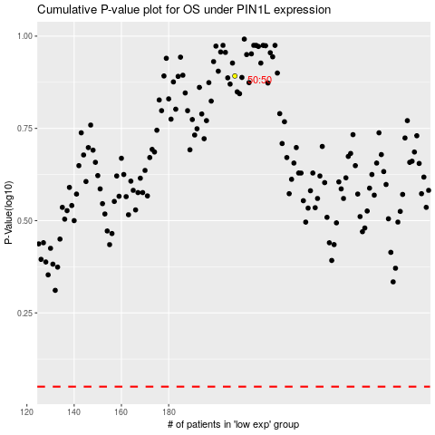

 |  |  |  |  |  | cases_OS | p_OS | rank | exp
 |  |  |  |  |  |  | cases_RFS | p_RFS | rank | exp

