PIN4 _multivariate
Reported by Tex Li-Hsing Chi. tex@gate.sinica.edu.tw 2019-08-17

Table 2. The clinicopathological features of HNSCC cohort and PIN4 expression. (Chi square test)
Cutoff at -0.017 (65.7%)
 |  | PIN4 expression |  | PIN4 expression |  | (Optimised)
 | Features | Low | (%) | High | (%) | Case no | P-value | Remark | Matthews
Gender | Female | 200 | 48.2 | 106 | 25.5 | 415 | 0.8515 | 0 | 0
2 | Male | 73 | 17.6 | 36 | 8.7
Age at diagnosis | <=65y | 176 | 42.4 | 98 | 23.6 | 415 | 0.4132 | 0 | 0
4 | >65y | 97 | 23.4 | 44 | 10.6
Clinical T Status | T1+T2 | 93 | 22.4 | 56 | 13.5 | 415 | 0.33 | 0 | 0
6 | T3+T4 | 180 | 43.4 | 86 | 20.7
Clinical N Status | N0 | 140 | 33.7 | 76 | 18.3 | 415 | 0.7417 | 0 | 0
8 | N1-3 | 133 | 32 | 66 | 15.9
Clinical M Status | M0 | 271 | 65.3 | 141 | 34 | 415 | 1 | 0 | 0
10 | M1 | 2 | 0.5 | 1 | 0.2
Clinical Stage | Stage I+II | 67 | 16.1 | 35 | 8.4 | 415 | 1 | 0 | 0
12 | Stage III+IV | 206 | 49.6 | 107 | 25.8
Surgical Margin status | Negative | 218 | 52.5 | 100 | 24.1 | 415 | 0.0376 | 1 | 0
14 | Positive | 55 | 13.3 | 42 | 10.1
Tobacco Exposure | Low | 102 | 24.6 | 59 | 14.2 | 415 | 0.4575 | 0 | 0
16 | High | 171 | 41.2 | 83 | 20

Table 3. Univariate/Multivariate Cox's proportional hazards regression analyses on OS time of PIN4 gene expression in HNSCC

 |  | Univariate |  |  |  | Multivariate
 | Features | HR | CI95%(L) | CI95%(H) | P-value | HR | CI95%(L) | CI95%(H) | P-value
1 | Female | 1 |  |  |  | 1
Gender | Male | 1.157 | 0.843 | 1.587 | 0.367 | 1.174 | 0.84 | 1.641 | 0.348
11 | <=65y | 1 |  |  |  | 1
Age at diagnosis | >65y | 1.329 | 0.99 | 1.784 | 0.058 | 1.41 | 1.039 | 1.915 | 0.028
12 | T1+T2 | 1 |  |  |  | 1
Clinical T Status | T3+T4 | 1.409 | 1.028 | 1.931 | 0.033 | 2.394 | 1.262 | 4.542 | 0.008
13 | N0 | 1 |  |  |  | 1
Clinical N Status | N1-3 | 1.185 | 0.89 | 1.577 | 0.246 | 1.276 | 0.894 | 1.821 | 0.179
14 | M0 | 1 |  |  |  | 1
Clinical M Status | M1 | 4.097 | 1.009 | 16.644 | 0.049 | 9.55 | 2.08 | 43.842 | 0.004
15 | Stage I+II | 1 |  |  |  | 1
Clinical Stage | Stage III+IV | 1.245 | 0.882 | 1.759 | 0.213 | 0.464 | 0.216 | 0.998 | 0.05
16 | Negative | 1 |  |  |  | 1
Surgical Margin status | Positive | 1.591 | 1.155 | 2.191 | 0.004 | 1.535 | 1.102 | 2.138 | 0.011
17 | Low | 1 |  |  |  | 1
Tobacco Exposure | High | 1.364 | 1.008 | 1.844 | 0.044 | 1.451 | 1.053 | 2 | 0.023
18 | Low | 1 |  |  |  | 1
RNAseq(z-score) | High | 1.481 | 1.099 | 1.995 | 0.01 | 1.471 | 1.08 | 2.002 | 0.014

Table 4. Univariate/Multivariate Cox's proportional hazards regression analyses on RFS time of PIN4 gene expression in HNSCC

 |  | Univariate |  |  |  | Multivariate
 | Features | HR | CI95%(L) | CI95%(H) | P-value | HR | CI95%(L) | CI95%(H) | P-value
1 | Female | 1 |  |  |  | 1
Gender | Male | 1.157 | 0.843 | 1.587 | 0.367 | 1.174 | 0.84 | 1.641 | 0.348
11 | <=65y | 1 |  |  |  | 1
Age at diagnosis | >65y | 1.329 | 0.99 | 1.784 | 0.058 | 1.41 | 1.039 | 1.915 | 0.028
12 | T1+T2 | 1 |  |  |  | 1
Clinical T Status | T3+T4 | 1.409 | 1.028 | 1.931 | 0.033 | 2.394 | 1.262 | 4.542 | 0.008
13 | N0 | 1 |  |  |  | 1
Clinical N Status | N1-3 | 1.185 | 0.89 | 1.577 | 0.246 | 1.276 | 0.894 | 1.821 | 0.179
14 | M0 | 1 |  |  |  | 1
Clinical M Status | M1 | 4.097 | 1.009 | 16.644 | 0.049 | 9.55 | 2.08 | 43.842 | 0.004
15 | Stage I+II | 1 |  |  |  | 1
Clinical Stage | Stage III+IV | 1.245 | 0.882 | 1.759 | 0.213 | 0.464 | 0.216 | 0.998 | 0.05
16 | Negative | 1 |  |  |  | 1
Surgical Margin status | Positive | 1.591 | 1.155 | 2.191 | 0.004 | 1.535 | 1.102 | 2.138 | 0.011
17 | Low | 1 |  |  |  | 1
Tobacco Exposure | High | 1.364 | 1.008 | 1.844 | 0.044 | 1.451 | 1.053 | 2 | 0.023
18 | Low | 1 |  |  |  | 1
RNAseq(z-score) | High | 1.481 | 1.099 | 1.995 | 0.01 | 1.471 | 1.08 | 2.002 | 0.014

Kaplan-Meier survival estimate: Cutoff at -0.017 (65.7%)

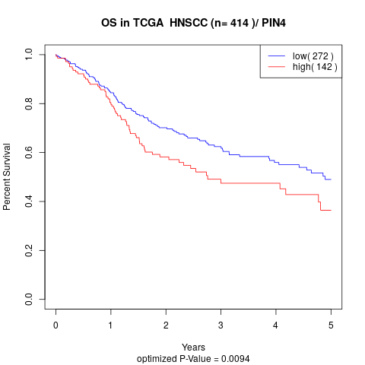

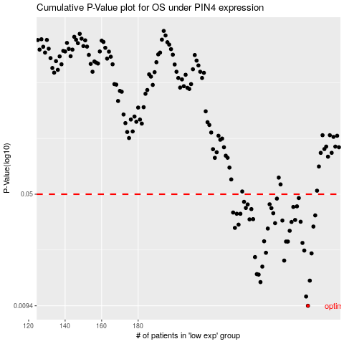

 |  |  |  |  |  | cases_OS | p_OS | rank | exp
 |  |  |  |  |  | 273 | 0.0094 | 114 | -0.016730586788
 |  |  |  |  |  | 272 | 0.0108 | 331 | -0.019976388453
 |  |  |  |  |  | 247 | 0.0134 | 248 | -0.1244915797
 |  |  |  |  |  | 274 | 0.0137 | 210 | -0.011679673784
 |  |  |  |  |  | 246 | 0.015 | 415 | -0.12795767041
 |  |  |  |  |  | 245 | 0.0151 | 228 | -0.1293360504
 |  |  |  |  |  | 248 | 0.0169 | 239 | -0.1163163387
 |  |  |  |  |  | 260 | 0.0185 | 65 | -0.071274153257
 |  |  |  |  |  | 244 | 0.0195 | 42 | -0.13005230448
 |  |  |  |  |  | 275 | 0.0206 | 108 | -0.010631727347
 |  |  |  |  |  | 250 | 0.0208 | 289 | -0.1110803829
 |  |  |  |  |  | 271 | 0.0215 | 270 | -0.022287535188
 |  |  |  |  |  | 270 | 0.0241 | 348 | -0.031246375773
 |  |  |  |  |  | 262 | 0.0246 | 153 | -0.064068184038
 |  |  |  |  |  | 261 | 0.0246 | 333 | -0.071235130627
 |  |  |  |  |  | 249 | 0.0247 | 96 | -0.11597583479
 |  |  |  |  |  | 263 | 0.0289 | 275 | -0.061359887632
 |  |  |  |  |  | 251 | 0.0299 | 398 | -0.10595834801
 |  |  |  |  |  | 233 | 0.0302 | 74 | -0.18925026369
 |  |  |  |  |  | 276 | 0.0308 | 273 | -0.0063858134379
 |  |  |  |  |  | 235 | 0.0317 | 251 | -0.1784321836
 |  |  |  |  |  | 255 | 0.0324 | 281 | -0.09461283302
 |  |  |  |  |  | 264 | 0.033 | 375 | -0.057409790434
 |  |  |  |  |  | 269 | 0.0331 | 282 | -0.032342156401
 |  |  |  |  |  | 259 | 0.0337 | 175 | -0.075101517989
 |  |  |  |  |  | 266 | 0.034 | 203 | -0.040456975262
 |  |  |  |  |  | 241 | 0.0343 | 244 | -0.14780193659
 |  |  |  |  |  | 243 | 0.0344 | 177 | -0.14161307334
 |  |  |  |  |  | 277 | 0.0364 | 257 | 0.0060089067846
 |  |  |  |  |  | 236 | 0.0373 | 43 | -0.17759886162
 |  |  |  |  |  | 234 | 0.0373 | 178 | -0.18544115147
 |  |  |  |  |  | 254 | 0.0376 | 294 | -0.094800393403
 |  |  |  |  |  | 232 | 0.038 | 192 | -0.19236640951
 |  |  |  |  |  | 242 | 0.04 | 330 | -0.14467068522
 |  |  |  |  |  | 253 | 0.0406 | 146 | -0.095063481457
 |  |  |  |  |  | 239 | 0.0407 | 279 | -0.15600990624
 |  |  |  |  |  | 265 | 0.0413 | 136 | -0.052196492938
 |  |  |  |  |  | 267 | 0.0417 | 366 | -0.039833242578
 |  |  |  |  |  | 240 | 0.0429 | 327 | -0.14992678173
 |  |  |  |  |  | 252 | 0.043 | 81 | -0.10040706419
 |  |  |  |  |  | 238 | 0.0446 | 22 | -0.15669972564
 |  |  |  |  |  | 256 | 0.0468 | 222 | -0.088081577662
 |  |  |  |  |  | 268 | 0.0472 | 32 | -0.038191774527
 |  |  |  |  |  |  | cases_RFS | p_RFS | rank | exp
 |  |  |  |  |  |  | 272 | 0.0094 | 331 | -0.019976388453
 |  |  |  |  |  |  | 271 | 0.0108 | 270 | -0.022287535188
 |  |  |  |  |  |  | 246 | 0.0134 | 415 | -0.12795767041
 |  |  |  |  |  |  | 273 | 0.0137 | 114 | -0.016730586788
 |  |  |  |  |  |  | 245 | 0.015 | 228 | -0.1293360504
 |  |  |  |  |  |  | 244 | 0.0151 | 42 | -0.13005230448
 |  |  |  |  |  |  | 247 | 0.0169 | 248 | -0.1244915797
 |  |  |  |  |  |  | 259 | 0.0185 | 175 | -0.075101517989
 |  |  |  |  |  |  | 243 | 0.0195 | 177 | -0.14161307334
 |  |  |  |  |  |  | 274 | 0.0206 | 210 | -0.011679673784
 |  |  |  |  |  |  | 249 | 0.0208 | 96 | -0.11597583479
 |  |  |  |  |  |  | 270 | 0.0215 | 348 | -0.031246375773
 |  |  |  |  |  |  | 269 | 0.0241 | 282 | -0.032342156401
 |  |  |  |  |  |  | 260 | 0.0246 | 65 | -0.071274153257
 |  |  |  |  |  |  | 261 | 0.0246 | 333 | -0.071235130627
 |  |  |  |  |  |  | 248 | 0.0247 | 239 | -0.1163163387
 |  |  |  |  |  |  | 262 | 0.0289 | 153 | -0.064068184038
 |  |  |  |  |  |  | 250 | 0.0299 | 289 | -0.1110803829
 |  |  |  |  |  |  | 232 | 0.0302 | 192 | -0.19236640951
 |  |  |  |  |  |  | 275 | 0.0308 | 108 | -0.010631727347
 |  |  |  |  |  |  | 234 | 0.0317 | 178 | -0.18544115147
 |  |  |  |  |  |  | 254 | 0.0324 | 294 | -0.094800393403
 |  |  |  |  |  |  | 263 | 0.033 | 275 | -0.061359887632
 |  |  |  |  |  |  | 268 | 0.0331 | 32 | -0.038191774527
 |  |  |  |  |  |  | 258 | 0.0337 | 219 | -0.079450023652
 |  |  |  |  |  |  | 265 | 0.034 | 136 | -0.052196492938
 |  |  |  |  |  |  | 240 | 0.0343 | 327 | -0.14992678173
 |  |  |  |  |  |  | 242 | 0.0344 | 330 | -0.14467068522
 |  |  |  |  |  |  | 276 | 0.0364 | 273 | -0.0063858134379
 |  |  |  |  |  |  | 233 | 0.0373 | 74 | -0.18925026369
 |  |  |  |  |  |  | 235 | 0.0373 | 251 | -0.1784321836
 |  |  |  |  |  |  | 253 | 0.0376 | 146 | -0.095063481457
 |  |  |  |  |  |  | 231 | 0.038 | 205 | -0.19659155331
 |  |  |  |  |  |  | 241 | 0.04 | 244 | -0.14780193659
 |  |  |  |  |  |  | 252 | 0.0406 | 81 | -0.10040706419
 |  |  |  |  |  |  | 238 | 0.0407 | 22 | -0.15669972564
 |  |  |  |  |  |  | 264 | 0.0413 | 375 | -0.057409790434
 |  |  |  |  |  |  | 266 | 0.0417 | 203 | -0.040456975262
 |  |  |  |  |  |  | 239 | 0.0429 | 279 | -0.15600990624
 |  |  |  |  |  |  | 251 | 0.043 | 398 | -0.10595834801
 |  |  |  |  |  |  | 237 | 0.0446 | 311 | -0.16755305197
 |  |  |  |  |  |  | 255 | 0.0468 | 281 | -0.09461283302
 |  |  |  |  |  |  | 267 | 0.0472 | 366 | -0.039833242578

