PIP4K2A _multivariate
Reported by Tex Li-Hsing Chi. tex@gate.sinica.edu.tw 2019-08-17

Table 2. The clinicopathological features of HNSCC cohort and PIP4K2A expression. (Chi square test)
Cutoff at -0.154 (49.8%)
 |  | PIP4K2A expression |  | PIP4K2A expression |  | (Optimised)
 | Features | Low | (%) | High | (%) | Case no | P-value | Remark | Matthews
Gender | Female | 162 | 39 | 144 | 34.7 | 415 | 0.0479 | 1 | 0
2 | Male | 45 | 10.8 | 64 | 15.4
Age at diagnosis | <=65y | 134 | 32.3 | 140 | 33.7 | 415 | 0.6529 | 0 | 0
4 | >65y | 73 | 17.6 | 68 | 16.4
Clinical T Status | T1+T2 | 74 | 17.8 | 75 | 18.1 | 415 | 1 | 0 | 0
6 | T3+T4 | 133 | 32 | 133 | 32
Clinical N Status | N0 | 116 | 28 | 100 | 24.1 | 415 | 0.1273 | 1 | 0
8 | N1-3 | 91 | 21.9 | 108 | 26
Clinical M Status | M0 | 204 | 49.2 | 208 | 50.1 | 415 | 0.1232 | 0 | 0
10 | M1 | 3 | 0.7 | 0 | 0
Clinical Stage | Stage I+II | 50 | 12 | 52 | 12.5 | 415 | 0.9315 | 0 | 0
12 | Stage III+IV | 157 | 37.8 | 156 | 37.6
Surgical Margin status | Negative | 152 | 36.6 | 166 | 40 | 415 | 0.1329 | 0 | 0
14 | Positive | 55 | 13.3 | 42 | 10.1
Tobacco Exposure | Low | 76 | 18.3 | 85 | 20.5 | 415 | 0.4207 | 0 | 0
16 | High | 131 | 31.6 | 123 | 29.6

Table 3. Univariate/Multivariate Cox's proportional hazards regression analyses on OS time of PIP4K2A gene expression in HNSCC

 |  | Univariate |  |  |  | Multivariate
 | Features | HR | CI95%(L) | CI95%(H) | P-value | HR | CI95%(L) | CI95%(H) | P-value
1 | Female | 1 |  |  |  | 1
Gender | Male | 1.157 | 0.843 | 1.587 | 0.367 | 1.205 | 0.862 | 1.685 | 0.275
11 | <=65y | 1 |  |  |  | 1
Age at diagnosis | >65y | 1.329 | 0.99 | 1.784 | 0.058 | 1.388 | 1.02 | 1.888 | 0.037
12 | T1+T2 | 1 |  |  |  | 1
Clinical T Status | T3+T4 | 1.409 | 1.028 | 1.931 | 0.033 | 2.201 | 1.164 | 4.161 | 0.015
13 | N0 | 1 |  |  |  | 1
Clinical N Status | N1-3 | 1.185 | 0.89 | 1.577 | 0.246 | 1.245 | 0.872 | 1.778 | 0.228
14 | M0 | 1 |  |  |  | 1
Clinical M Status | M1 | 4.097 | 1.009 | 16.644 | 0.049 | 9.222 | 1.997 | 42.59 | 0.004
15 | Stage I+II | 1 |  |  |  | 1
Clinical Stage | Stage III+IV | 1.245 | 0.882 | 1.759 | 0.213 | 0.502 | 0.233 | 1.078 | 0.077
16 | Negative | 1 |  |  |  | 1
Surgical Margin status | Positive | 1.591 | 1.155 | 2.191 | 0.004 | 1.67 | 1.208 | 2.307 | 0.002
17 | Low | 1 |  |  |  | 1
Tobacco Exposure | High | 1.364 | 1.008 | 1.844 | 0.044 | 1.451 | 1.053 | 2 | 0.023
18 | Low | 1 |  |  |  | 1
RNAseq(z-score) | High | 0.905 | 0.68 | 1.205 | 0.494 | 0.963 | 0.719 | 1.29 | 0.799

Table 4. Univariate/Multivariate Cox's proportional hazards regression analyses on RFS time of PIP4K2A gene expression in HNSCC

 |  | Univariate |  |  |  | Multivariate
 | Features | HR | CI95%(L) | CI95%(H) | P-value | HR | CI95%(L) | CI95%(H) | P-value
1 | Female | 1 |  |  |  | 1
Gender | Male | 1.157 | 0.843 | 1.587 | 0.367 | 1.205 | 0.862 | 1.685 | 0.275
11 | <=65y | 1 |  |  |  | 1
Age at diagnosis | >65y | 1.329 | 0.99 | 1.784 | 0.058 | 1.388 | 1.02 | 1.888 | 0.037
12 | T1+T2 | 1 |  |  |  | 1
Clinical T Status | T3+T4 | 1.409 | 1.028 | 1.931 | 0.033 | 2.201 | 1.164 | 4.161 | 0.015
13 | N0 | 1 |  |  |  | 1
Clinical N Status | N1-3 | 1.185 | 0.89 | 1.577 | 0.246 | 1.245 | 0.872 | 1.778 | 0.228
14 | M0 | 1 |  |  |  | 1
Clinical M Status | M1 | 4.097 | 1.009 | 16.644 | 0.049 | 9.222 | 1.997 | 42.59 | 0.004
15 | Stage I+II | 1 |  |  |  | 1
Clinical Stage | Stage III+IV | 1.245 | 0.882 | 1.759 | 0.213 | 0.502 | 0.233 | 1.078 | 0.077
16 | Negative | 1 |  |  |  | 1
Surgical Margin status | Positive | 1.591 | 1.155 | 2.191 | 0.004 | 1.67 | 1.208 | 2.307 | 0.002
17 | Low | 1 |  |  |  | 1
Tobacco Exposure | High | 1.364 | 1.008 | 1.844 | 0.044 | 1.451 | 1.053 | 2 | 0.023
18 | Low | 1 |  |  |  | 1
RNAseq(z-score) | High | 0.905 | 0.68 | 1.205 | 0.494 | 0.963 | 0.719 | 1.29 | 0.799

Kaplan-Meier survival estimate: Cutoff at -0.154 (49.8%)



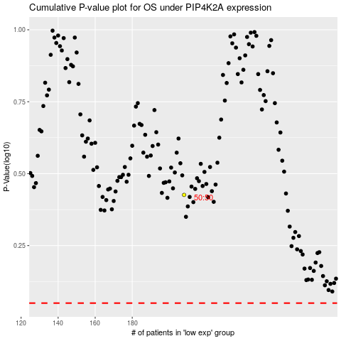

 |  |  |  |  |  | cases_OS | p_OS | rank | exp
 |  |  |  |  |  |  | cases_RFS | p_RFS | rank | exp

