PIP4K2C _multivariate
Reported by Tex Li-Hsing Chi. tex@gate.sinica.edu.tw 2019-08-17

Table 2. The clinicopathological features of HNSCC cohort and PIP4K2C expression. (Chi square test)
Cutoff at 0.038 (50.0%)
 |  | PIP4K2C expression |  | PIP4K2C expression |  | (Optimised)
 | Features | Low | (%) | High | (%) | Case no | P-value | Remark | Matthews
Gender | Female | 157 | 37.8 | 149 | 35.9 | 415 | 0.3881 | 0 | 0
2 | Male | 50 | 12 | 59 | 14.2
Age at diagnosis | <=65y | 138 | 33.3 | 136 | 32.8 | 415 | 0.8634 | 0 | 0
4 | >65y | 69 | 16.6 | 72 | 17.3
Clinical T Status | T1+T2 | 80 | 19.3 | 69 | 16.6 | 415 | 0.2891 | 0 | 0
6 | T3+T4 | 127 | 30.6 | 139 | 33.5
Clinical N Status | N0 | 106 | 25.5 | 110 | 26.5 | 415 | 0.8075 | 0 | 0
8 | N1-3 | 101 | 24.3 | 98 | 23.6
Clinical M Status | M0 | 207 | 49.9 | 205 | 49.4 | 415 | 0.2482 | 0 | 0
10 | M1 | 0 | 0 | 3 | 0.7
Clinical Stage | Stage I+II | 49 | 11.8 | 53 | 12.8 | 415 | 0.7535 | 0 | 0
12 | Stage III+IV | 158 | 38.1 | 155 | 37.3
Surgical Margin status | Negative | 155 | 37.3 | 163 | 39.3 | 415 | 0.4187 | 0 | 0
14 | Positive | 52 | 12.5 | 45 | 10.8
Tobacco Exposure | Low | 76 | 18.3 | 85 | 20.5 | 415 | 0.4207 | 0 | 0
16 | High | 131 | 31.6 | 123 | 29.6

Table 3. Univariate/Multivariate Cox's proportional hazards regression analyses on OS time of PIP4K2C gene expression in HNSCC

 |  | Univariate |  |  |  | Multivariate
 | Features | HR | CI95%(L) | CI95%(H) | P-value | HR | CI95%(L) | CI95%(H) | P-value
1 | Female | 1 |  |  |  | 1
Gender | Male | 1.157 | 0.843 | 1.587 | 0.367 | 1.203 | 0.861 | 1.679 | 0.279
11 | <=65y | 1 |  |  |  | 1
Age at diagnosis | >65y | 1.329 | 0.99 | 1.784 | 0.058 | 1.409 | 1.036 | 1.917 | 0.029
12 | T1+T2 | 1 |  |  |  | 1
Clinical T Status | T3+T4 | 1.409 | 1.028 | 1.931 | 0.033 | 2.128 | 1.123 | 4.033 | 0.021
13 | N0 | 1 |  |  |  | 1
Clinical N Status | N1-3 | 1.185 | 0.89 | 1.577 | 0.246 | 1.247 | 0.874 | 1.779 | 0.224
14 | M0 | 1 |  |  |  | 1
Clinical M Status | M1 | 4.097 | 1.009 | 16.644 | 0.049 | 8.418 | 1.817 | 38.998 | 0.006
15 | Stage I+II | 1 |  |  |  | 1
Clinical Stage | Stage III+IV | 1.245 | 0.882 | 1.759 | 0.213 | 0.522 | 0.243 | 1.122 | 0.096
16 | Negative | 1 |  |  |  | 1
Surgical Margin status | Positive | 1.591 | 1.155 | 2.191 | 0.004 | 1.683 | 1.218 | 2.326 | 0.002
17 | Low | 1 |  |  |  | 1
Tobacco Exposure | High | 1.364 | 1.008 | 1.844 | 0.044 | 1.469 | 1.066 | 2.026 | 0.019
18 | Low | 1 |  |  |  | 1
RNAseq(z-score) | High | 1.188 | 0.89 | 1.584 | 0.242 | 1.19 | 0.889 | 1.594 | 0.243

Table 4. Univariate/Multivariate Cox's proportional hazards regression analyses on RFS time of PIP4K2C gene expression in HNSCC

 |  | Univariate |  |  |  | Multivariate
 | Features | HR | CI95%(L) | CI95%(H) | P-value | HR | CI95%(L) | CI95%(H) | P-value
1 | Female | 1 |  |  |  | 1
Gender | Male | 1.157 | 0.843 | 1.587 | 0.367 | 1.203 | 0.861 | 1.679 | 0.279
11 | <=65y | 1 |  |  |  | 1
Age at diagnosis | >65y | 1.329 | 0.99 | 1.784 | 0.058 | 1.409 | 1.036 | 1.917 | 0.029
12 | T1+T2 | 1 |  |  |  | 1
Clinical T Status | T3+T4 | 1.409 | 1.028 | 1.931 | 0.033 | 2.128 | 1.123 | 4.033 | 0.021
13 | N0 | 1 |  |  |  | 1
Clinical N Status | N1-3 | 1.185 | 0.89 | 1.577 | 0.246 | 1.247 | 0.874 | 1.779 | 0.224
14 | M0 | 1 |  |  |  | 1
Clinical M Status | M1 | 4.097 | 1.009 | 16.644 | 0.049 | 8.418 | 1.817 | 38.998 | 0.006
15 | Stage I+II | 1 |  |  |  | 1
Clinical Stage | Stage III+IV | 1.245 | 0.882 | 1.759 | 0.213 | 0.522 | 0.243 | 1.122 | 0.096
16 | Negative | 1 |  |  |  | 1
Surgical Margin status | Positive | 1.591 | 1.155 | 2.191 | 0.004 | 1.683 | 1.218 | 2.326 | 0.002
17 | Low | 1 |  |  |  | 1
Tobacco Exposure | High | 1.364 | 1.008 | 1.844 | 0.044 | 1.469 | 1.066 | 2.026 | 0.019
18 | Low | 1 |  |  |  | 1
RNAseq(z-score) | High | 1.188 | 0.89 | 1.584 | 0.242 | 1.19 | 0.889 | 1.594 | 0.243

Kaplan-Meier survival estimate: Cutoff at 0.038 (50.0%)



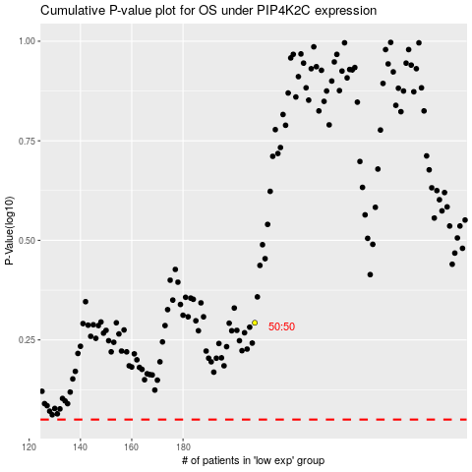

 |  |  |  |  |  | cases_OS | p_OS | rank | exp
 |  |  |  |  |  |  | cases_RFS | p_RFS | rank | exp

