PIP5K1C _multivariate
Reported by Tex Li-Hsing Chi. tex@gate.sinica.edu.tw 2019-08-17

Table 2. The clinicopathological features of HNSCC cohort and PIP5K1C expression. (Chi square test)
Cutoff at -0.431 (31.6%)
 |  | PIP5K1C expression |  | PIP5K1C expression |  | (Optimised)
 | Features | Low | (%) | High | (%) | Case no | P-value | Remark | Matthews
Gender | Female | 103 | 24.8 | 203 | 48.9 | 415 | 0.2156 | 0 | 0
2 | Male | 29 | 7 | 80 | 19.3
Age at diagnosis | <=65y | 84 | 20.2 | 190 | 45.8 | 415 | 0.5551 | 0 | 0
4 | >65y | 48 | 11.6 | 93 | 22.4
Clinical T Status | T1+T2 | 48 | 11.6 | 101 | 24.3 | 415 | 0.9812 | 0 | 0
6 | T3+T4 | 84 | 20.2 | 182 | 43.9
Clinical N Status | N0 | 66 | 15.9 | 150 | 36.1 | 415 | 0.642 | 0 | 0
8 | N1-3 | 66 | 15.9 | 133 | 32
Clinical M Status | M0 | 130 | 31.3 | 282 | 68 | 415 | 0.2386 | 0 | 0
10 | M1 | 2 | 0.5 | 1 | 0.2
Clinical Stage | Stage I+II | 31 | 7.5 | 71 | 17.1 | 415 | 0.8174 | 0 | 0
12 | Stage III+IV | 101 | 24.3 | 212 | 51.1
Surgical Margin status | Negative | 91 | 21.9 | 227 | 54.7 | 415 | 0.013 | 1 | 0
14 | Positive | 41 | 9.9 | 56 | 13.5
Tobacco Exposure | Low | 44 | 10.6 | 117 | 28.2 | 415 | 0.1306 | 0 | 0
16 | High | 88 | 21.2 | 166 | 40

Table 3. Univariate/Multivariate Cox's proportional hazards regression analyses on OS time of PIP5K1C gene expression in HNSCC

 |  | Univariate |  |  |  | Multivariate
 | Features | HR | CI95%(L) | CI95%(H) | P-value | HR | CI95%(L) | CI95%(H) | P-value
1 | Female | 1 |  |  |  | 1
Gender | Male | 1.157 | 0.843 | 1.587 | 0.367 | 1.189 | 0.849 | 1.663 | 0.313
11 | <=65y | 1 |  |  |  | 1
Age at diagnosis | >65y | 1.329 | 0.99 | 1.784 | 0.058 | 1.365 | 1.003 | 1.858 | 0.048
12 | T1+T2 | 1 |  |  |  | 1
Clinical T Status | T3+T4 | 1.409 | 1.028 | 1.931 | 0.033 | 2.22 | 1.174 | 4.2 | 0.014
13 | N0 | 1 |  |  |  | 1
Clinical N Status | N1-3 | 1.185 | 0.89 | 1.577 | 0.246 | 1.26 | 0.882 | 1.799 | 0.204
14 | M0 | 1 |  |  |  | 1
Clinical M Status | M1 | 4.097 | 1.009 | 16.644 | 0.049 | 8.551 | 1.861 | 39.291 | 0.006
15 | Stage I+II | 1 |  |  |  | 1
Clinical Stage | Stage III+IV | 1.245 | 0.882 | 1.759 | 0.213 | 0.5 | 0.233 | 1.073 | 0.075
16 | Negative | 1 |  |  |  | 1
Surgical Margin status | Positive | 1.591 | 1.155 | 2.191 | 0.004 | 1.589 | 1.146 | 2.204 | 0.006
17 | Low | 1 |  |  |  | 1
Tobacco Exposure | High | 1.364 | 1.008 | 1.844 | 0.044 | 1.424 | 1.032 | 1.964 | 0.031
18 | Low | 1 |  |  |  | 1
RNAseq(z-score) | High | 0.659 | 0.489 | 0.888 | 0.006 | 0.728 | 0.537 | 0.986 | 0.041

Table 4. Univariate/Multivariate Cox's proportional hazards regression analyses on RFS time of PIP5K1C gene expression in HNSCC

 |  | Univariate |  |  |  | Multivariate
 | Features | HR | CI95%(L) | CI95%(H) | P-value | HR | CI95%(L) | CI95%(H) | P-value
1 | Female | 1 |  |  |  | 1
Gender | Male | 1.157 | 0.843 | 1.587 | 0.367 | 1.189 | 0.849 | 1.663 | 0.313
11 | <=65y | 1 |  |  |  | 1
Age at diagnosis | >65y | 1.329 | 0.99 | 1.784 | 0.058 | 1.365 | 1.003 | 1.858 | 0.048
12 | T1+T2 | 1 |  |  |  | 1
Clinical T Status | T3+T4 | 1.409 | 1.028 | 1.931 | 0.033 | 2.22 | 1.174 | 4.2 | 0.014
13 | N0 | 1 |  |  |  | 1
Clinical N Status | N1-3 | 1.185 | 0.89 | 1.577 | 0.246 | 1.26 | 0.882 | 1.799 | 0.204
14 | M0 | 1 |  |  |  | 1
Clinical M Status | M1 | 4.097 | 1.009 | 16.644 | 0.049 | 8.551 | 1.861 | 39.291 | 0.006
15 | Stage I+II | 1 |  |  |  | 1
Clinical Stage | Stage III+IV | 1.245 | 0.882 | 1.759 | 0.213 | 0.5 | 0.233 | 1.073 | 0.075
16 | Negative | 1 |  |  |  | 1
Surgical Margin status | Positive | 1.591 | 1.155 | 2.191 | 0.004 | 1.589 | 1.146 | 2.204 | 0.006
17 | Low | 1 |  |  |  | 1
Tobacco Exposure | High | 1.364 | 1.008 | 1.844 | 0.044 | 1.424 | 1.032 | 1.964 | 0.031
18 | Low | 1 |  |  |  | 1
RNAseq(z-score) | High | 0.659 | 0.489 | 0.888 | 0.006 | 0.728 | 0.537 | 0.986 | 0.041

Kaplan-Meier survival estimate: Cutoff at -0.431 (31.6%)

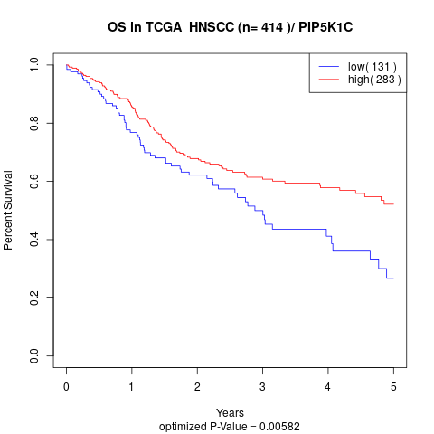

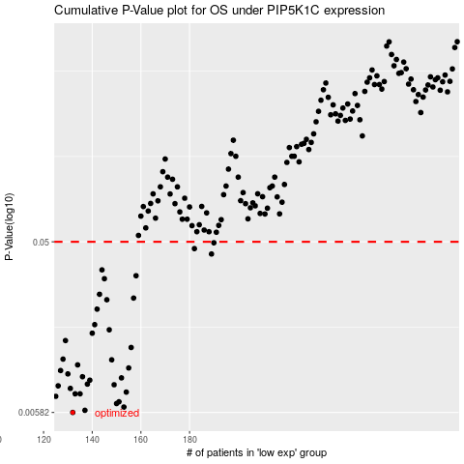

 |  |  |  |  |  | cases_OS | p_OS | rank | exp
 |  |  |  |  |  | 132 | 0.00582 | 37 | -0.43114709664
 |  |  |  |  |  | 137 | 0.00598 | 60 | -0.39925801617
 |  |  |  |  |  | 153 | 0.00623 | 101 | -0.32465598092
 |  |  |  |  |  | 150 | 0.00651 | 291 | -0.33475157255
 |  |  |  |  |  | 151 | 0.00666 | 6 | -0.33186018775
 |  |  |  |  |  | 125 | 0.00713 | 395 | -0.4639725107
 |  |  |  |  |  | 135 | 0.00736 | 100 | -0.41655697823
 |  |  |  |  |  | 133 | 0.00736 | 109 | -0.4306981667
 |  |  |  |  |  | 154 | 0.00752 | 112 | -0.32392477087
 |  |  |  |  |  | 131 | 0.00788 | 369 | -0.4517999647
 |  |  |  |  |  | 126 | 0.00814 | 238 | -0.46313110685
 |  |  |  |  |  | 149 | 0.00825 | 56 | -0.3437466899
 |  |  |  |  |  | 138 | 0.00832 | 20 | -0.39792899956
 |  |  |  |  |  | 139 | 0.00874 | 183 | -0.39763103721
 |  |  |  |  |  | 152 | 0.009 | 138 | -0.32696398681
 |  |  |  |  |  | 136 | 0.00913 | 70 | -0.40778015751
 |  |  |  |  |  | 130 | 0.00946 | 153 | -0.4550150307
 |  |  |  |  |  | 127 | 0.00987 | 197 | -0.46109032614
 |  |  |  |  |  | 155 | 0.0102 | 286 | -0.31188186462
 |  |  |  |  |  | 134 | 0.0106 | 221 | -0.42611832859
 |  |  |  |  |  | 148 | 0.0113 | 258 | -0.35035559932
 |  |  |  |  |  | 128 | 0.0114 | 47 | -0.45995472368
 |  |  |  |  |  | 156 | 0.0132 | 230 | -0.31120585601
 |  |  |  |  |  | 129 | 0.0144 | 283 | -0.45573934057
 |  |  |  |  |  | 140 | 0.0158 | 343 | -0.39320007573
 |  |  |  |  |  | 147 | 0.0165 | 148 | -0.35497976585
 |  |  |  |  |  | 141 | 0.0176 | 310 | -0.38035716672
 |  |  |  |  |  | 142 | 0.0214 | 317 | -0.37882616299
 |  |  |  |  |  | 146 | 0.0241 | 276 | -0.35505566784
 |  |  |  |  |  | 157 | 0.0246 | 166 | -0.30772251935
 |  |  |  |  |  | 143 | 0.0258 | 50 | -0.37684852939
 |  |  |  |  |  | 145 | 0.0314 | 185 | -0.36151653702
 |  |  |  |  |  | 158 | 0.0326 | 182 | -0.30765498121
 |  |  |  |  |  | 144 | 0.0351 | 401 | -0.36912471805
 |  |  |  |  |  | 189 | 0.0429 | 194 | -0.17163778328
 |  |  |  |  |  | 182 | 0.0459 | 84 | -0.20230950459
 |  |  |  |  |  | 190 | 0.0494 | 294 | -0.16135212304
 |  |  |  |  |  |  | cases_RFS | p_RFS | rank | exp
 |  |  |  |  |  |  | 131 | 0.00582 | 369 | -0.4517999647
 |  |  |  |  |  |  | 136 | 0.00598 | 70 | -0.40778015751
 |  |  |  |  |  |  | 152 | 0.00623 | 138 | -0.32696398681
 |  |  |  |  |  |  | 149 | 0.00651 | 56 | -0.3437466899
 |  |  |  |  |  |  | 150 | 0.00666 | 291 | -0.33475157255
 |  |  |  |  |  |  |  | 0.00713 | 90 | -0.47665880653
 |  |  |  |  |  |  | 132 | 0.00736 | 37 | -0.43114709664
 |  |  |  |  |  |  | 134 | 0.00736 | 221 | -0.42611832859
 |  |  |  |  |  |  | 153 | 0.00752 | 101 | -0.32465598092
 |  |  |  |  |  |  | 130 | 0.00788 | 153 | -0.4550150307
 |  |  |  |  |  |  | 125 | 0.00814 | 395 | -0.4639725107
 |  |  |  |  |  |  | 148 | 0.00825 | 258 | -0.35035559932
 |  |  |  |  |  |  | 137 | 0.00832 | 60 | -0.39925801617
 |  |  |  |  |  |  | 138 | 0.00874 | 20 | -0.39792899956
 |  |  |  |  |  |  | 151 | 0.009 | 6 | -0.33186018775
 |  |  |  |  |  |  | 135 | 0.00913 | 100 | -0.41655697823
 |  |  |  |  |  |  | 129 | 0.00946 | 283 | -0.45573934057
 |  |  |  |  |  |  | 126 | 0.00987 | 238 | -0.46313110685
 |  |  |  |  |  |  | 154 | 0.0102 | 112 | -0.32392477087
 |  |  |  |  |  |  | 133 | 0.0106 | 109 | -0.4306981667
 |  |  |  |  |  |  | 147 | 0.0113 | 148 | -0.35497976585
 |  |  |  |  |  |  | 127 | 0.0114 | 197 | -0.46109032614
 |  |  |  |  |  |  | 155 | 0.0132 | 286 | -0.31188186462
 |  |  |  |  |  |  | 128 | 0.0144 | 47 | -0.45995472368
 |  |  |  |  |  |  | 139 | 0.0158 | 183 | -0.39763103721
 |  |  |  |  |  |  | 146 | 0.0165 | 276 | -0.35505566784
 |  |  |  |  |  |  | 140 | 0.0176 | 343 | -0.39320007573
 |  |  |  |  |  |  | 141 | 0.0214 | 310 | -0.38035716672
 |  |  |  |  |  |  | 145 | 0.0241 | 185 | -0.36151653702
 |  |  |  |  |  |  | 156 | 0.0246 | 230 | -0.31120585601
 |  |  |  |  |  |  | 142 | 0.0258 | 317 | -0.37882616299
 |  |  |  |  |  |  | 144 | 0.0314 | 401 | -0.36912471805
 |  |  |  |  |  |  | 157 | 0.0326 | 166 | -0.30772251935
 |  |  |  |  |  |  | 143 | 0.0351 | 50 | -0.37684852939
 |  |  |  |  |  |  | 188 | 0.0429 | 207 | -0.17488818657
 |  |  |  |  |  |  | 181 | 0.0459 | 80 | -0.20545682337
 |  |  |  |  |  |  | 189 | 0.0494 | 194 | -0.17163778328

